ATP5I _multivariate
Reported by Tex Li-Hsing Chi. tex@gate.sinica.edu.tw 2019-08-21

Table 2. The clinicopathological features of HNSCC cohort and ATP5I expression. (Chi square test)
Cutoff at -0.365 (50.0%)
 |  | ATP5I expression |  | ATP5I expression |  | (Optimised)
 | Features | Low | (%) | High | (%) | Case no | P-value | Remark | Matthews
Gender | Female | 160 | 38.6 | 146 | 35.2 | 415 | 0.1254 | 0 | 0
2 | Male | 47 | 11.3 | 62 | 14.9
Age at diagnosis | <=65y | 140 | 33.7 | 134 | 32.3 | 415 | 0.5574 | 0 | 0
4 | >65y | 67 | 16.1 | 74 | 17.8
Clinical T Status | T1+T2 | 73 | 17.6 | 76 | 18.3 | 415 | 0.8666 | 0 | 0
6 | T3+T4 | 134 | 32.3 | 132 | 31.8
Clinical N Status | N0 | 110 | 26.5 | 106 | 25.5 | 415 | 0.7294 | 0 | 0
8 | N1-3 | 97 | 23.4 | 102 | 24.6
Clinical M Status | M0 | 207 | 49.9 | 205 | 49.4 | 415 | 0.2482 | 0 | 0
10 | M1 | 0 | 0 | 3 | 0.7
Clinical Stage | Stage I+II | 52 | 12.5 | 50 | 12 | 415 | 0.8871 | 0 | 0
12 | Stage III+IV | 155 | 37.3 | 158 | 38.1
Surgical Margin status | Negative | 163 | 39.3 | 155 | 37.3 | 415 | 0.3537 | 0 | 0
14 | Positive | 44 | 10.6 | 53 | 12.8
Tobacco Exposure | Low | 71 | 17.1 | 90 | 21.7 | 415 | 0.0698 | 0 | 0
16 | High | 136 | 32.8 | 118 | 28.4

Table 3. Univariate/Multivariate Cox's proportional hazards regression analyses on OS time of ATP5I gene expression in HNSCC

 |  | Univariate |  |  |  | Multivariate
 | Features | HR | CI95%(L) | CI95%(H) | P-value | HR | CI95%(L) | CI95%(H) | P-value
1 | Female | 1 |  |  |  | 1
Gender | Male | 1.157 | 0.843 | 1.587 | 0.367 | 1.19 | 0.85 | 1.668 | 0.311
11 | <=65y | 1 |  |  |  | 1
Age at diagnosis | >65y | 1.329 | 0.99 | 1.784 | 0.058 | 1.39 | 1.023 | 1.889 | 0.035
12 | T1+T2 | 1 |  |  |  | 1
Clinical T Status | T3+T4 | 1.409 | 1.028 | 1.931 | 0.033 | 2.215 | 1.171 | 4.19 | 0.014
13 | N0 | 1 |  |  |  | 1
Clinical N Status | N1-3 | 1.185 | 0.89 | 1.577 | 0.246 | 1.236 | 0.866 | 1.764 | 0.244
14 | M0 | 1 |  |  |  | 1
Clinical M Status | M1 | 4.097 | 1.009 | 16.644 | 0.049 | 9.163 | 1.988 | 42.229 | 0.004
15 | Stage I+II | 1 |  |  |  | 1
Clinical Stage | Stage III+IV | 1.245 | 0.882 | 1.759 | 0.213 | 0.503 | 0.234 | 1.08 | 0.078
16 | Negative | 1 |  |  |  | 1
Surgical Margin status | Positive | 1.591 | 1.155 | 2.191 | 0.004 | 1.664 | 1.204 | 2.301 | 0.002
17 | Low | 1 |  |  |  | 1
Tobacco Exposure | High | 1.364 | 1.008 | 1.844 | 0.044 | 1.453 | 1.054 | 2.001 | 0.022
18 | Low | 1 |  |  |  | 1
RNAseq(z-score) | High | 1.109 | 0.833 | 1.478 | 0.479 | 1.061 | 0.791 | 1.424 | 0.693

Table 4. Univariate/Multivariate Cox's proportional hazards regression analyses on RFS time of ATP5I gene expression in HNSCC

 |  | Univariate |  |  |  | Multivariate
 | Features | HR | CI95%(L) | CI95%(H) | P-value | HR | CI95%(L) | CI95%(H) | P-value
1 | Female | 1 |  |  |  | 1
Gender | Male | 1.157 | 0.843 | 1.587 | 0.367 | 1.19 | 0.85 | 1.668 | 0.311
11 | <=65y | 1 |  |  |  | 1
Age at diagnosis | >65y | 1.329 | 0.99 | 1.784 | 0.058 | 1.39 | 1.023 | 1.889 | 0.035
12 | T1+T2 | 1 |  |  |  | 1
Clinical T Status | T3+T4 | 1.409 | 1.028 | 1.931 | 0.033 | 2.215 | 1.171 | 4.19 | 0.014
13 | N0 | 1 |  |  |  | 1
Clinical N Status | N1-3 | 1.185 | 0.89 | 1.577 | 0.246 | 1.236 | 0.866 | 1.764 | 0.244
14 | M0 | 1 |  |  |  | 1
Clinical M Status | M1 | 4.097 | 1.009 | 16.644 | 0.049 | 9.163 | 1.988 | 42.229 | 0.004
15 | Stage I+II | 1 |  |  |  | 1
Clinical Stage | Stage III+IV | 1.245 | 0.882 | 1.759 | 0.213 | 0.503 | 0.234 | 1.08 | 0.078
16 | Negative | 1 |  |  |  | 1
Surgical Margin status | Positive | 1.591 | 1.155 | 2.191 | 0.004 | 1.664 | 1.204 | 2.301 | 0.002
17 | Low | 1 |  |  |  | 1
Tobacco Exposure | High | 1.364 | 1.008 | 1.844 | 0.044 | 1.453 | 1.054 | 2.001 | 0.022
18 | Low | 1 |  |  |  | 1
RNAseq(z-score) | High | 1.109 | 0.833 | 1.478 | 0.479 | 1.061 | 0.791 | 1.424 | 0.693

Kaplan-Meier survival estimate: Cutoff at -0.365 (50.0%)



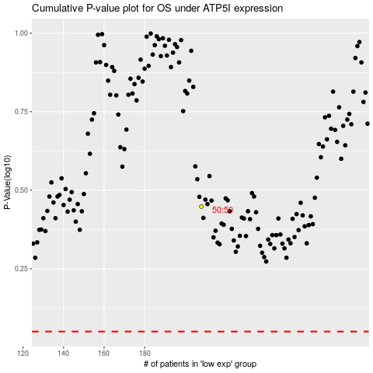

 |  |  |  |  |  | cases_OS | p_OS | rank | exp
 |  |  |  |  |  |  | cases_RFS | p_RFS | rank | exp

