ATP5J _multivariate
Reported by Tex Li-Hsing Chi. tex@gate.sinica.edu.tw 2019-08-21

Table 2. The clinicopathological features of HNSCC cohort and ATP5J expression. (Chi square test)
Cutoff at -0.327 (50.0%)
 |  | ATP5J expression |  | ATP5J expression |  | (Optimised)
 | Features | Low | (%) | High | (%) | Case no | P-value | Remark | Matthews
Gender | Female | 165 | 39.8 | 141 | 34 | 415 | 0.0081 | 1 | 0
2 | Male | 42 | 10.1 | 67 | 16.1
Age at diagnosis | <=65y | 146 | 35.2 | 128 | 30.8 | 415 | 0.0672 | 0 | 0
4 | >65y | 61 | 14.7 | 80 | 19.3
Clinical T Status | T1+T2 | 73 | 17.6 | 76 | 18.3 | 415 | 0.8666 | 0 | 0
6 | T3+T4 | 134 | 32.3 | 132 | 31.8
Clinical N Status | N0 | 104 | 25.1 | 112 | 27 | 415 | 0.5243 | 0 | 0
8 | N1-3 | 103 | 24.8 | 96 | 23.1
Clinical M Status | M0 | 206 | 49.6 | 206 | 49.6 | 415 | 1 | 0 | 0
10 | M1 | 1 | 0.2 | 2 | 0.5
Clinical Stage | Stage I+II | 54 | 13 | 48 | 11.6 | 415 | 0.5498 | 0 | 0
12 | Stage III+IV | 153 | 36.9 | 160 | 38.6
Surgical Margin status | Negative | 167 | 40.2 | 151 | 36.4 | 415 | 0.0632 | 0 | 0
14 | Positive | 40 | 9.6 | 57 | 13.7
Tobacco Exposure | Low | 69 | 16.6 | 92 | 22.2 | 415 | 0.0266 | 1 | 0
16 | High | 138 | 33.3 | 116 | 28

Table 3. Univariate/Multivariate Cox's proportional hazards regression analyses on OS time of ATP5J gene expression in HNSCC

 |  | Univariate |  |  |  | Multivariate
 | Features | HR | CI95%(L) | CI95%(H) | P-value | HR | CI95%(L) | CI95%(H) | P-value
1 | Female | 1 |  |  |  | 1
Gender | Male | 1.157 | 0.843 | 1.587 | 0.367 | 1.168 | 0.827 | 1.65 | 0.378
11 | <=65y | 1 |  |  |  | 1
Age at diagnosis | >65y | 1.329 | 0.99 | 1.784 | 0.058 | 1.388 | 1.021 | 1.888 | 0.036
12 | T1+T2 | 1 |  |  |  | 1
Clinical T Status | T3+T4 | 1.409 | 1.028 | 1.931 | 0.033 | 2.237 | 1.181 | 4.235 | 0.013
13 | N0 | 1 |  |  |  | 1
Clinical N Status | N1-3 | 1.185 | 0.89 | 1.577 | 0.246 | 1.258 | 0.88 | 1.799 | 0.208
14 | M0 | 1 |  |  |  | 1
Clinical M Status | M1 | 4.097 | 1.009 | 16.644 | 0.049 | 9.289 | 2.026 | 42.592 | 0.004
15 | Stage I+II | 1 |  |  |  | 1
Clinical Stage | Stage III+IV | 1.245 | 0.882 | 1.759 | 0.213 | 0.491 | 0.228 | 1.058 | 0.07
16 | Negative | 1 |  |  |  | 1
Surgical Margin status | Positive | 1.591 | 1.155 | 2.191 | 0.004 | 1.649 | 1.19 | 2.284 | 0.003
17 | Low | 1 |  |  |  | 1
Tobacco Exposure | High | 1.364 | 1.008 | 1.844 | 0.044 | 1.453 | 1.054 | 2.002 | 0.023
18 | Low | 1 |  |  |  | 1
RNAseq(z-score) | High | 1.158 | 0.869 | 1.542 | 0.317 | 1.106 | 0.819 | 1.494 | 0.512

Table 4. Univariate/Multivariate Cox's proportional hazards regression analyses on RFS time of ATP5J gene expression in HNSCC

 |  | Univariate |  |  |  | Multivariate
 | Features | HR | CI95%(L) | CI95%(H) | P-value | HR | CI95%(L) | CI95%(H) | P-value
1 | Female | 1 |  |  |  | 1
Gender | Male | 1.157 | 0.843 | 1.587 | 0.367 | 1.168 | 0.827 | 1.65 | 0.378
11 | <=65y | 1 |  |  |  | 1
Age at diagnosis | >65y | 1.329 | 0.99 | 1.784 | 0.058 | 1.388 | 1.021 | 1.888 | 0.036
12 | T1+T2 | 1 |  |  |  | 1
Clinical T Status | T3+T4 | 1.409 | 1.028 | 1.931 | 0.033 | 2.237 | 1.181 | 4.235 | 0.013
13 | N0 | 1 |  |  |  | 1
Clinical N Status | N1-3 | 1.185 | 0.89 | 1.577 | 0.246 | 1.258 | 0.88 | 1.799 | 0.208
14 | M0 | 1 |  |  |  | 1
Clinical M Status | M1 | 4.097 | 1.009 | 16.644 | 0.049 | 9.289 | 2.026 | 42.592 | 0.004
15 | Stage I+II | 1 |  |  |  | 1
Clinical Stage | Stage III+IV | 1.245 | 0.882 | 1.759 | 0.213 | 0.491 | 0.228 | 1.058 | 0.07
16 | Negative | 1 |  |  |  | 1
Surgical Margin status | Positive | 1.591 | 1.155 | 2.191 | 0.004 | 1.649 | 1.19 | 2.284 | 0.003
17 | Low | 1 |  |  |  | 1
Tobacco Exposure | High | 1.364 | 1.008 | 1.844 | 0.044 | 1.453 | 1.054 | 2.002 | 0.023
18 | Low | 1 |  |  |  | 1
RNAseq(z-score) | High | 1.158 | 0.869 | 1.542 | 0.317 | 1.106 | 0.819 | 1.494 | 0.512

Kaplan-Meier survival estimate: Cutoff at -0.327 (50.0%)



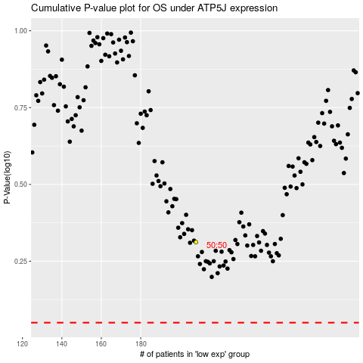

 |  |  |  |  |  | cases_OS | p_OS | rank | exp
 |  |  |  |  |  |  | cases_RFS | p_RFS | rank | exp

