ATP5SL _multivariate
Reported by Tex Li-Hsing Chi. tex@gate.sinica.edu.tw 2019-08-21

Table 2. The clinicopathological features of HNSCC cohort and ATP5SL expression. (Chi square test)
Cutoff at -0.109 (49.8%)
 |  | ATP5SL expression |  | ATP5SL expression |  | (Optimised)
 | Features | Low | (%) | High | (%) | Case no | P-value | Remark | Matthews
Gender | Female | 143 | 34.5 | 163 | 39.3 | 415 | 0.0416 | 1 | 0
2 | Male | 64 | 15.4 | 45 | 10.8
Age at diagnosis | <=65y | 137 | 33 | 137 | 33 | 415 | 1 | 0 | 0
4 | >65y | 70 | 16.9 | 71 | 17.1
Clinical T Status | T1+T2 | 76 | 18.3 | 73 | 17.6 | 415 | 0.8092 | 0 | 0
6 | T3+T4 | 131 | 31.6 | 135 | 32.5
Clinical N Status | N0 | 111 | 26.7 | 105 | 25.3 | 415 | 0.5875 | 0 | 0
8 | N1-3 | 96 | 23.1 | 103 | 24.8
Clinical M Status | M0 | 204 | 49.2 | 208 | 50.1 | 415 | 0.1232 | 0 | 0
10 | M1 | 3 | 0.7 | 0 | 0
Clinical Stage | Stage I+II | 49 | 11.8 | 53 | 12.8 | 415 | 0.7535 | 0 | 0
12 | Stage III+IV | 158 | 38.1 | 155 | 37.3
Surgical Margin status | Negative | 161 | 38.8 | 157 | 37.8 | 415 | 0.6429 | 0 | 0
14 | Positive | 46 | 11.1 | 51 | 12.3
Tobacco Exposure | Low | 92 | 22.2 | 69 | 16.6 | 415 | 0.0206 | 1 | 0
16 | High | 115 | 27.7 | 139 | 33.5

Table 3. Univariate/Multivariate Cox's proportional hazards regression analyses on OS time of ATP5SL gene expression in HNSCC

 |  | Univariate |  |  |  | Multivariate
 | Features | HR | CI95%(L) | CI95%(H) | P-value | HR | CI95%(L) | CI95%(H) | P-value
1 | Female | 1 |  |  |  | 1
Gender | Male | 1.157 | 0.843 | 1.587 | 0.367 | 1.183 | 0.845 | 1.655 | 0.328
11 | <=65y | 1 |  |  |  | 1
Age at diagnosis | >65y | 1.329 | 0.99 | 1.784 | 0.058 | 1.386 | 1.019 | 1.884 | 0.037
12 | T1+T2 | 1 |  |  |  | 1
Clinical T Status | T3+T4 | 1.409 | 1.028 | 1.931 | 0.033 | 2.211 | 1.169 | 4.181 | 0.015
13 | N0 | 1 |  |  |  | 1
Clinical N Status | N1-3 | 1.185 | 0.89 | 1.577 | 0.246 | 1.257 | 0.88 | 1.795 | 0.208
14 | M0 | 1 |  |  |  | 1
Clinical M Status | M1 | 4.097 | 1.009 | 16.644 | 0.049 | 8.788 | 1.904 | 40.567 | 0.005
15 | Stage I+II | 1 |  |  |  | 1
Clinical Stage | Stage III+IV | 1.245 | 0.882 | 1.759 | 0.213 | 0.495 | 0.23 | 1.063 | 0.071
16 | Negative | 1 |  |  |  | 1
Surgical Margin status | Positive | 1.591 | 1.155 | 2.191 | 0.004 | 1.669 | 1.208 | 2.306 | 0.002
17 | Low | 1 |  |  |  | 1
Tobacco Exposure | High | 1.364 | 1.008 | 1.844 | 0.044 | 1.479 | 1.071 | 2.044 | 0.018
18 | Low | 1 |  |  |  | 1
RNAseq(z-score) | High | 0.891 | 0.668 | 1.189 | 0.434 | 0.876 | 0.651 | 1.177 | 0.38

Table 4. Univariate/Multivariate Cox's proportional hazards regression analyses on RFS time of ATP5SL gene expression in HNSCC

 |  | Univariate |  |  |  | Multivariate
 | Features | HR | CI95%(L) | CI95%(H) | P-value | HR | CI95%(L) | CI95%(H) | P-value
1 | Female | 1 |  |  |  | 1
Gender | Male | 1.157 | 0.843 | 1.587 | 0.367 | 1.183 | 0.845 | 1.655 | 0.328
11 | <=65y | 1 |  |  |  | 1
Age at diagnosis | >65y | 1.329 | 0.99 | 1.784 | 0.058 | 1.386 | 1.019 | 1.884 | 0.037
12 | T1+T2 | 1 |  |  |  | 1
Clinical T Status | T3+T4 | 1.409 | 1.028 | 1.931 | 0.033 | 2.211 | 1.169 | 4.181 | 0.015
13 | N0 | 1 |  |  |  | 1
Clinical N Status | N1-3 | 1.185 | 0.89 | 1.577 | 0.246 | 1.257 | 0.88 | 1.795 | 0.208
14 | M0 | 1 |  |  |  | 1
Clinical M Status | M1 | 4.097 | 1.009 | 16.644 | 0.049 | 8.788 | 1.904 | 40.567 | 0.005
15 | Stage I+II | 1 |  |  |  | 1
Clinical Stage | Stage III+IV | 1.245 | 0.882 | 1.759 | 0.213 | 0.495 | 0.23 | 1.063 | 0.071
16 | Negative | 1 |  |  |  | 1
Surgical Margin status | Positive | 1.591 | 1.155 | 2.191 | 0.004 | 1.669 | 1.208 | 2.306 | 0.002
17 | Low | 1 |  |  |  | 1
Tobacco Exposure | High | 1.364 | 1.008 | 1.844 | 0.044 | 1.479 | 1.071 | 2.044 | 0.018
18 | Low | 1 |  |  |  | 1
RNAseq(z-score) | High | 0.891 | 0.668 | 1.189 | 0.434 | 0.876 | 0.651 | 1.177 | 0.38

Kaplan-Meier survival estimate: Cutoff at -0.109 (49.8%)



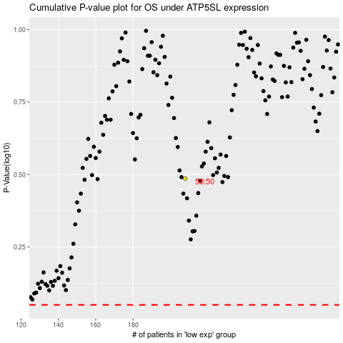

 |  |  |  |  |  | cases_OS | p_OS | rank | exp
 |  |  |  |  |  |  | cases_RFS | p_RFS | rank | exp

