ATP6AP1 _multivariate
Reported by Tex Li-Hsing Chi. tex@gate.sinica.edu.tw 2019-08-21

Table 2. The clinicopathological features of HNSCC cohort and ATP6AP1 expression. (Chi square test)
Cutoff at -0.426 (36.7%)
 |  | ATP6AP1 expression |  | ATP6AP1 expression |  | (Optimised)
 | Features | Low | (%) | High | (%) | Case no | P-value | Remark | Matthews
Gender | Female | 114 | 27.5 | 192 | 46.3 | 415 | 0.7418 | 0 | 0
2 | Male | 38 | 9.2 | 71 | 17.1
Age at diagnosis | <=65y | 96 | 23.1 | 178 | 42.9 | 415 | 0.4067 | 0 | 0
4 | >65y | 56 | 13.5 | 85 | 20.5
Clinical T Status | T1+T2 | 56 | 13.5 | 93 | 22.4 | 415 | 0.844 | 0 | 0
6 | T3+T4 | 96 | 23.1 | 170 | 41
Clinical N Status | N0 | 78 | 18.8 | 138 | 33.3 | 415 | 0.9005 | 0 | 0
8 | N1-3 | 74 | 17.8 | 125 | 30.1
Clinical M Status | M0 | 151 | 36.4 | 261 | 62.9 | 415 | 1 | 0 | 0
10 | M1 | 1 | 0.2 | 2 | 0.5
Clinical Stage | Stage I+II | 34 | 8.2 | 68 | 16.4 | 415 | 0.4987 | 0 | 0
12 | Stage III+IV | 118 | 28.4 | 195 | 47
Surgical Margin status | Negative | 114 | 27.5 | 204 | 49.2 | 415 | 0.5499 | 0 | 0
14 | Positive | 38 | 9.2 | 59 | 14.2
Tobacco Exposure | Low | 62 | 14.9 | 99 | 23.9 | 415 | 0.5323 | 0 | 0
16 | High | 90 | 21.7 | 164 | 39.5

Table 3. Univariate/Multivariate Cox's proportional hazards regression analyses on OS time of ATP6AP1 gene expression in HNSCC

 |  | Univariate |  |  |  | Multivariate
 | Features | HR | CI95%(L) | CI95%(H) | P-value | HR | CI95%(L) | CI95%(H) | P-value
1 | Female | 1 |  |  |  | 1
Gender | Male | 1.157 | 0.843 | 1.587 | 0.367 | 1.197 | 0.858 | 1.67 | 0.289
11 | <=65y | 1 |  |  |  | 1
Age at diagnosis | >65y | 1.329 | 0.99 | 1.784 | 0.058 | 1.425 | 1.048 | 1.937 | 0.024
12 | T1+T2 | 1 |  |  |  | 1
Clinical T Status | T3+T4 | 1.409 | 1.028 | 1.931 | 0.033 | 2.115 | 1.117 | 4.004 | 0.021
13 | N0 | 1 |  |  |  | 1
Clinical N Status | N1-3 | 1.185 | 0.89 | 1.577 | 0.246 | 1.238 | 0.869 | 1.765 | 0.238
14 | M0 | 1 |  |  |  | 1
Clinical M Status | M1 | 4.097 | 1.009 | 16.644 | 0.049 | 8.654 | 1.884 | 39.758 | 0.006
15 | Stage I+II | 1 |  |  |  | 1
Clinical Stage | Stage III+IV | 1.245 | 0.882 | 1.759 | 0.213 | 0.519 | 0.242 | 1.115 | 0.093
16 | Negative | 1 |  |  |  | 1
Surgical Margin status | Positive | 1.591 | 1.155 | 2.191 | 0.004 | 1.66 | 1.201 | 2.293 | 0.002
17 | Low | 1 |  |  |  | 1
Tobacco Exposure | High | 1.364 | 1.008 | 1.844 | 0.044 | 1.42 | 1.03 | 1.956 | 0.032
18 | Low | 1 |  |  |  | 1
RNAseq(z-score) | High | 1.45 | 1.062 | 1.981 | 0.02 | 1.374 | 1.003 | 1.882 | 0.048

Table 4. Univariate/Multivariate Cox's proportional hazards regression analyses on RFS time of ATP6AP1 gene expression in HNSCC

 |  | Univariate |  |  |  | Multivariate
 | Features | HR | CI95%(L) | CI95%(H) | P-value | HR | CI95%(L) | CI95%(H) | P-value
1 | Female | 1 |  |  |  | 1
Gender | Male | 1.157 | 0.843 | 1.587 | 0.367 | 1.197 | 0.858 | 1.67 | 0.289
11 | <=65y | 1 |  |  |  | 1
Age at diagnosis | >65y | 1.329 | 0.99 | 1.784 | 0.058 | 1.425 | 1.048 | 1.937 | 0.024
12 | T1+T2 | 1 |  |  |  | 1
Clinical T Status | T3+T4 | 1.409 | 1.028 | 1.931 | 0.033 | 2.115 | 1.117 | 4.004 | 0.021
13 | N0 | 1 |  |  |  | 1
Clinical N Status | N1-3 | 1.185 | 0.89 | 1.577 | 0.246 | 1.238 | 0.869 | 1.765 | 0.238
14 | M0 | 1 |  |  |  | 1
Clinical M Status | M1 | 4.097 | 1.009 | 16.644 | 0.049 | 8.654 | 1.884 | 39.758 | 0.006
15 | Stage I+II | 1 |  |  |  | 1
Clinical Stage | Stage III+IV | 1.245 | 0.882 | 1.759 | 0.213 | 0.519 | 0.242 | 1.115 | 0.093
16 | Negative | 1 |  |  |  | 1
Surgical Margin status | Positive | 1.591 | 1.155 | 2.191 | 0.004 | 1.66 | 1.201 | 2.293 | 0.002
17 | Low | 1 |  |  |  | 1
Tobacco Exposure | High | 1.364 | 1.008 | 1.844 | 0.044 | 1.42 | 1.03 | 1.956 | 0.032
18 | Low | 1 |  |  |  | 1
RNAseq(z-score) | High | 1.45 | 1.062 | 1.981 | 0.02 | 1.374 | 1.003 | 1.882 | 0.048

Kaplan-Meier survival estimate: Cutoff at -0.426 (36.7%)

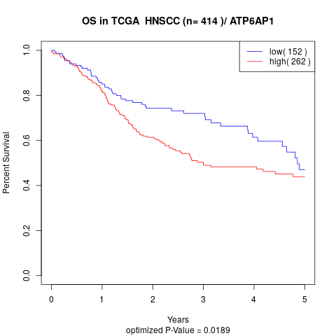

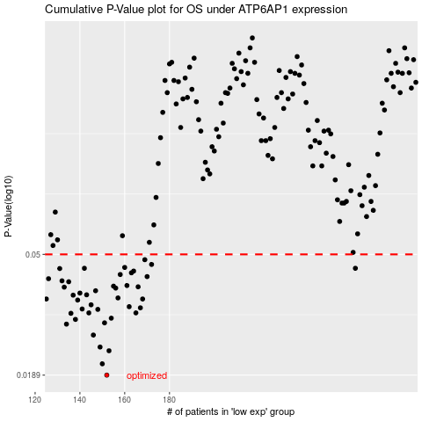

 |  |  |  |  |  | cases_OS | p_OS | rank | exp
 |  |  |  |  |  | 152 | 0.0189 | 87 | -0.42621825241
 |  |  |  |  |  | 150 | 0.0207 | 80 | -0.42892887334
 |  |  |  |  |  | 153 | 0.023 | 181 | -0.41980185902
 |  |  |  |  |  | 149 | 0.0237 | 354 | -0.43146771312
 |  |  |  |  |  | 146 | 0.0261 | 21 | -0.45229393632
 |  |  |  |  |  | 134 | 0.0285 | 214 | -0.51007878898
 |  |  |  |  |  | 151 | 0.0288 | 232 | -0.428671242
 |  |  |  |  |  | 138 | 0.0296 | 275 | -0.49950257817
 |  |  |  |  |  | 154 | 0.0299 | 176 | -0.40119094232
 |  |  |  |  |  | 136 | 0.0311 | 278 | -0.50655650818
 |  |  |  |  |  | 165 | 0.0312 | 90 | -0.34919108435
 |  |  |  |  |  | 144 | 0.0312 | 212 | -0.47492802084
 |  |  |  |  |  | 148 | 0.0321 | 195 | -0.44034484927
 |  |  |  |  |  | 141 | 0.0322 | 159 | -0.49392829199
 |  |  |  |  |  | 167 | 0.0325 | 279 | -0.33832097998
 |  |  |  |  |  | 162 | 0.0328 | 339 | -0.36074887866
 |  |  |  |  |  | 145 | 0.0333 | 40 | -0.455639671
 |  |  |  |  |  | 139 | 0.0346 | 280 | -0.49857534762
 |  |  |  |  |  | 125 | 0.0349 | 55 | -0.53637463058
 |  |  |  |  |  | 168 | 0.0349 | 61 | -0.33720581585
 |  |  |  |  |  | 157 | 0.0352 | 267 | -0.38223412122
 |  |  |  |  |  | 137 | 0.036 | 324 | -0.49962388296
 |  |  |  |  |  | 143 | 0.0361 | 340 | -0.4795493941
 |  |  |  |  |  | 140 | 0.0366 | 367 | -0.49555993024
 |  |  |  |  |  | 147 | 0.0373 | 341 | -0.44613985847
 |  |  |  |  |  | 156 | 0.0381 | 374 | -0.38245589415
 |  |  |  |  |  | 133 | 0.0384 | 190 | -0.51031711816
 |  |  |  |  |  | 166 | 0.0385 | 136 | -0.34332823492
 |  |  |  |  |  | 155 | 0.0387 | 345 | -0.3927252087
 |  |  |  |  |  | 161 | 0.0389 | 314 | -0.36450431986
 |  |  |  |  |  | 135 | 0.0401 | 193 | -0.50887567484
 |  |  |  |  |  | 132 | 0.0404 | 304 | -0.51282898338
 |  |  |  |  |  | 126 | 0.0411 | 155 | -0.53568144882
 |  |  |  |  |  | 170 | 0.0418 | 221 | -0.3295931731
 |  |  |  |  |  | 158 | 0.0425 | 222 | -0.3767829166
 |  |  |  |  |  | 163 | 0.0431 | 179 | -0.35599650915
 |  |  |  |  |  | 164 | 0.0437 | 63 | -0.35211104084
 |  |  |  |  |  | 131 | 0.0446 | 147 | -0.51971129377
 |  |  |  |  |  | 142 | 0.0447 | 132 | -0.49212487259
 |  |  |  |  |  | 263 | 0.0447 | 227 | 0.11165412757
 |  |  |  |  |  | 160 | 0.045 | 317 | -0.37023544619
 |  |  |  |  |  | 172 | 0.0461 | 201 | -0.30757061978
 |  |  |  |  |  | 169 | 0.0479 | 376 | -0.33361577558
 |  |  |  |  |  |  | cases_RFS | p_RFS | rank | exp
 |  |  |  |  |  |  | 151 | 0.0189 | 232 | -0.428671242
 |  |  |  |  |  |  | 149 | 0.0207 | 354 | -0.43146771312
 |  |  |  |  |  |  | 152 | 0.023 | 87 | -0.42621825241
 |  |  |  |  |  |  | 148 | 0.0237 | 195 | -0.44034484927
 |  |  |  |  |  |  | 145 | 0.0261 | 40 | -0.455639671
 |  |  |  |  |  |  | 133 | 0.0285 | 190 | -0.51031711816
 |  |  |  |  |  |  | 150 | 0.0288 | 80 | -0.42892887334
 |  |  |  |  |  |  | 137 | 0.0296 | 324 | -0.49962388296
 |  |  |  |  |  |  | 153 | 0.0299 | 181 | -0.41980185902
 |  |  |  |  |  |  | 135 | 0.0311 | 193 | -0.50887567484
 |  |  |  |  |  |  | 164 | 0.0312 | 63 | -0.35211104084
 |  |  |  |  |  |  | 143 | 0.0312 | 340 | -0.4795493941
 |  |  |  |  |  |  | 147 | 0.0321 | 341 | -0.44613985847
 |  |  |  |  |  |  | 140 | 0.0322 | 367 | -0.49555993024
 |  |  |  |  |  |  | 166 | 0.0325 | 136 | -0.34332823492
 |  |  |  |  |  |  | 161 | 0.0328 | 314 | -0.36450431986
 |  |  |  |  |  |  | 144 | 0.0333 | 212 | -0.47492802084
 |  |  |  |  |  |  | 138 | 0.0346 | 275 | -0.49950257817
 |  |  |  |  |  |  | 167 | 0.0349 | 279 | -0.33832097998
 |  |  |  |  |  |  |  | 0.0349 | 375 | -0.5382010672
 |  |  |  |  |  |  | 156 | 0.0352 | 374 | -0.38245589415
 |  |  |  |  |  |  | 136 | 0.036 | 278 | -0.50655650818
 |  |  |  |  |  |  | 142 | 0.0361 | 132 | -0.49212487259
 |  |  |  |  |  |  | 139 | 0.0366 | 280 | -0.49857534762
 |  |  |  |  |  |  | 146 | 0.0373 | 21 | -0.45229393632
 |  |  |  |  |  |  | 155 | 0.0381 | 345 | -0.3927252087
 |  |  |  |  |  |  | 132 | 0.0384 | 304 | -0.51282898338
 |  |  |  |  |  |  | 165 | 0.0385 | 90 | -0.34919108435
 |  |  |  |  |  |  | 154 | 0.0387 | 176 | -0.40119094232
 |  |  |  |  |  |  | 160 | 0.0389 | 317 | -0.37023544619
 |  |  |  |  |  |  | 134 | 0.0401 | 214 | -0.51007878898
 |  |  |  |  |  |  | 131 | 0.0404 | 147 | -0.51971129377
 |  |  |  |  |  |  | 125 | 0.0411 | 55 | -0.53637463058
 |  |  |  |  |  |  | 169 | 0.0418 | 376 | -0.33361577558
 |  |  |  |  |  |  | 157 | 0.0425 | 267 | -0.38223412122
 |  |  |  |  |  |  | 162 | 0.0431 | 339 | -0.36074887866
 |  |  |  |  |  |  | 163 | 0.0437 | 179 | -0.35599650915
 |  |  |  |  |  |  | 130 | 0.0446 | 141 | -0.52092345327
 |  |  |  |  |  |  | 141 | 0.0447 | 159 | -0.49392829199
 |  |  |  |  |  |  | 262 | 0.0447 | 353 | 0.092742775573
 |  |  |  |  |  |  | 159 | 0.045 | 51 | -0.37272800924
 |  |  |  |  |  |  | 171 | 0.0461 | 329 | -0.31324173981
 |  |  |  |  |  |  | 168 | 0.0479 | 61 | -0.33720581585

