ATP6AP1L _multivariate
Reported by Tex Li-Hsing Chi. tex@gate.sinica.edu.tw 2019-08-21

Table 2. The clinicopathological features of HNSCC cohort and ATP6AP1L expression. (Chi square test)
Cutoff at -0.349 (50.0%)
 |  | ATP6AP1L expression |  | ATP6AP1L expression |  | (Optimised)
 | Features | Low | (%) | High | (%) | Case no | P-value | Remark | Matthews
Gender | Female | 155 | 37.3 | 151 | 36.4 | 415 | 0.6768 | 0 | 0
2 | Male | 52 | 12.5 | 57 | 13.7
Age at diagnosis | <=65y | 139 | 33.5 | 135 | 32.5 | 415 | 0.7044 | 0 | 0
4 | >65y | 68 | 16.4 | 73 | 17.6
Clinical T Status | T1+T2 | 63 | 15.2 | 86 | 20.7 | 415 | 0.0268 | 1 | 0
6 | T3+T4 | 144 | 34.7 | 122 | 29.4
Clinical N Status | N0 | 105 | 25.3 | 111 | 26.7 | 415 | 0.6598 | 0 | 0
8 | N1-3 | 102 | 24.6 | 97 | 23.4
Clinical M Status | M0 | 206 | 49.6 | 206 | 49.6 | 415 | 1 | 0 | 0
10 | M1 | 1 | 0.2 | 2 | 0.5
Clinical Stage | Stage I+II | 47 | 11.3 | 55 | 13.3 | 415 | 0.4413 | 0 | 0
12 | Stage III+IV | 160 | 38.6 | 153 | 36.9
Surgical Margin status | Negative | 166 | 40 | 152 | 36.6 | 415 | 0.1042 | 0 | 0
14 | Positive | 41 | 9.9 | 56 | 13.5
Tobacco Exposure | Low | 74 | 17.8 | 87 | 21 | 415 | 0.227 | 0 | 0
16 | High | 133 | 32 | 121 | 29.2

Table 3. Univariate/Multivariate Cox's proportional hazards regression analyses on OS time of ATP6AP1L gene expression in HNSCC

 |  | Univariate |  |  |  | Multivariate
 | Features | HR | CI95%(L) | CI95%(H) | P-value | HR | CI95%(L) | CI95%(H) | P-value
1 | Female | 1 |  |  |  | 1
Gender | Male | 1.157 | 0.843 | 1.587 | 0.367 | 1.221 | 0.872 | 1.71 | 0.246
11 | <=65y | 1 |  |  |  | 1
Age at diagnosis | >65y | 1.329 | 0.99 | 1.784 | 0.058 | 1.392 | 1.024 | 1.893 | 0.035
12 | T1+T2 | 1 |  |  |  | 1
Clinical T Status | T3+T4 | 1.409 | 1.028 | 1.931 | 0.033 | 2.105 | 1.111 | 3.988 | 0.022
13 | N0 | 1 |  |  |  | 1
Clinical N Status | N1-3 | 1.185 | 0.89 | 1.577 | 0.246 | 1.217 | 0.852 | 1.737 | 0.28
14 | M0 | 1 |  |  |  | 1
Clinical M Status | M1 | 4.097 | 1.009 | 16.644 | 0.049 | 9.384 | 2.046 | 43.043 | 0.004
15 | Stage I+II | 1 |  |  |  | 1
Clinical Stage | Stage III+IV | 1.245 | 0.882 | 1.759 | 0.213 | 0.523 | 0.244 | 1.123 | 0.097
16 | Negative | 1 |  |  |  | 1
Surgical Margin status | Positive | 1.591 | 1.155 | 2.191 | 0.004 | 1.732 | 1.249 | 2.403 | 0.001
17 | Low | 1 |  |  |  | 1
Tobacco Exposure | High | 1.364 | 1.008 | 1.844 | 0.044 | 1.463 | 1.06 | 2.021 | 0.021
18 | Low | 1 |  |  |  | 1
RNAseq(z-score) | High | 0.813 | 0.61 | 1.084 | 0.159 | 0.797 | 0.594 | 1.069 | 0.13

Table 4. Univariate/Multivariate Cox's proportional hazards regression analyses on RFS time of ATP6AP1L gene expression in HNSCC

 |  | Univariate |  |  |  | Multivariate
 | Features | HR | CI95%(L) | CI95%(H) | P-value | HR | CI95%(L) | CI95%(H) | P-value
1 | Female | 1 |  |  |  | 1
Gender | Male | 1.157 | 0.843 | 1.587 | 0.367 | 1.221 | 0.872 | 1.71 | 0.246
11 | <=65y | 1 |  |  |  | 1
Age at diagnosis | >65y | 1.329 | 0.99 | 1.784 | 0.058 | 1.392 | 1.024 | 1.893 | 0.035
12 | T1+T2 | 1 |  |  |  | 1
Clinical T Status | T3+T4 | 1.409 | 1.028 | 1.931 | 0.033 | 2.105 | 1.111 | 3.988 | 0.022
13 | N0 | 1 |  |  |  | 1
Clinical N Status | N1-3 | 1.185 | 0.89 | 1.577 | 0.246 | 1.217 | 0.852 | 1.737 | 0.28
14 | M0 | 1 |  |  |  | 1
Clinical M Status | M1 | 4.097 | 1.009 | 16.644 | 0.049 | 9.384 | 2.046 | 43.043 | 0.004
15 | Stage I+II | 1 |  |  |  | 1
Clinical Stage | Stage III+IV | 1.245 | 0.882 | 1.759 | 0.213 | 0.523 | 0.244 | 1.123 | 0.097
16 | Negative | 1 |  |  |  | 1
Surgical Margin status | Positive | 1.591 | 1.155 | 2.191 | 0.004 | 1.732 | 1.249 | 2.403 | 0.001
17 | Low | 1 |  |  |  | 1
Tobacco Exposure | High | 1.364 | 1.008 | 1.844 | 0.044 | 1.463 | 1.06 | 2.021 | 0.021
18 | Low | 1 |  |  |  | 1
RNAseq(z-score) | High | 0.813 | 0.61 | 1.084 | 0.159 | 0.797 | 0.594 | 1.069 | 0.13

Kaplan-Meier survival estimate: Cutoff at -0.349 (50.0%)



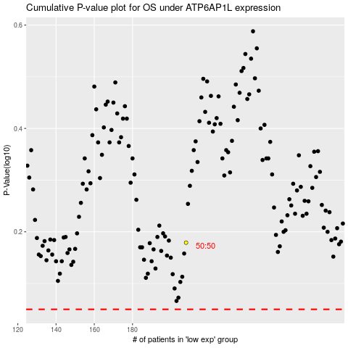

 |  |  |  |  |  | cases_OS | p_OS | rank | exp
 |  |  |  |  |  |  | cases_RFS | p_RFS | rank | exp

