ATP6V0A1 _multivariate
Reported by Tex Li-Hsing Chi. tex@gate.sinica.edu.tw 2019-08-21

Table 2. The clinicopathological features of HNSCC cohort and ATP6V0A1 expression. (Chi square test)
Cutoff at -0.167 (50.0%)
 |  | ATP6V0A1 expression |  | ATP6V0A1 expression |  | (Optimised)
 | Features | Low | (%) | High | (%) | Case no | P-value | Remark | Matthews
Gender | Female | 151 | 36.4 | 155 | 37.3 | 415 | 0.8007 | 0 | 0
2 | Male | 56 | 13.5 | 53 | 12.8
Age at diagnosis | <=65y | 132 | 31.8 | 142 | 34.2 | 415 | 0.3874 | 0 | 0
4 | >65y | 75 | 18.1 | 66 | 15.9
Clinical T Status | T1+T2 | 82 | 19.8 | 67 | 16.1 | 415 | 0.1417 | 0 | 0
6 | T3+T4 | 125 | 30.1 | 141 | 34
Clinical N Status | N0 | 106 | 25.5 | 110 | 26.5 | 415 | 0.8075 | 0 | 0
8 | N1-3 | 101 | 24.3 | 98 | 23.6
Clinical M Status | M0 | 206 | 49.6 | 206 | 49.6 | 415 | 1 | 0 | 0
10 | M1 | 1 | 0.2 | 2 | 0.5
Clinical Stage | Stage I+II | 59 | 14.2 | 43 | 10.4 | 415 | 0.0822 | 0 | 0
12 | Stage III+IV | 148 | 35.7 | 165 | 39.8
Surgical Margin status | Negative | 149 | 35.9 | 169 | 40.7 | 415 | 0.0278 | 1 | 0
14 | Positive | 58 | 14 | 39 | 9.4
Tobacco Exposure | Low | 78 | 18.8 | 83 | 20 | 415 | 0.6873 | 0 | 0
16 | High | 129 | 31.1 | 125 | 30.1

Table 3. Univariate/Multivariate Cox's proportional hazards regression analyses on OS time of ATP6V0A1 gene expression in HNSCC

 |  | Univariate |  |  |  | Multivariate
 | Features | HR | CI95%(L) | CI95%(H) | P-value | HR | CI95%(L) | CI95%(H) | P-value
1 | Female | 1 |  |  |  | 1
Gender | Male | 1.157 | 0.843 | 1.587 | 0.367 | 1.209 | 0.866 | 1.689 | 0.265
11 | <=65y | 1 |  |  |  | 1
Age at diagnosis | >65y | 1.329 | 0.99 | 1.784 | 0.058 | 1.382 | 1.016 | 1.879 | 0.039
12 | T1+T2 | 1 |  |  |  | 1
Clinical T Status | T3+T4 | 1.409 | 1.028 | 1.931 | 0.033 | 2.21 | 1.169 | 4.178 | 0.015
13 | N0 | 1 |  |  |  | 1
Clinical N Status | N1-3 | 1.185 | 0.89 | 1.577 | 0.246 | 1.219 | 0.852 | 1.746 | 0.279
14 | M0 | 1 |  |  |  | 1
Clinical M Status | M1 | 4.097 | 1.009 | 16.644 | 0.049 | 9.779 | 2.124 | 45.029 | 0.003
15 | Stage I+II | 1 |  |  |  | 1
Clinical Stage | Stage III+IV | 1.245 | 0.882 | 1.759 | 0.213 | 0.516 | 0.24 | 1.111 | 0.091
16 | Negative | 1 |  |  |  | 1
Surgical Margin status | Positive | 1.591 | 1.155 | 2.191 | 0.004 | 1.658 | 1.199 | 2.293 | 0.002
17 | Low | 1 |  |  |  | 1
Tobacco Exposure | High | 1.364 | 1.008 | 1.844 | 0.044 | 1.459 | 1.059 | 2.011 | 0.021
18 | Low | 1 |  |  |  | 1
RNAseq(z-score) | High | 0.904 | 0.679 | 1.204 | 0.489 | 0.903 | 0.672 | 1.213 | 0.498

Table 4. Univariate/Multivariate Cox's proportional hazards regression analyses on RFS time of ATP6V0A1 gene expression in HNSCC

 |  | Univariate |  |  |  | Multivariate
 | Features | HR | CI95%(L) | CI95%(H) | P-value | HR | CI95%(L) | CI95%(H) | P-value
1 | Female | 1 |  |  |  | 1
Gender | Male | 1.157 | 0.843 | 1.587 | 0.367 | 1.209 | 0.866 | 1.689 | 0.265
11 | <=65y | 1 |  |  |  | 1
Age at diagnosis | >65y | 1.329 | 0.99 | 1.784 | 0.058 | 1.382 | 1.016 | 1.879 | 0.039
12 | T1+T2 | 1 |  |  |  | 1
Clinical T Status | T3+T4 | 1.409 | 1.028 | 1.931 | 0.033 | 2.21 | 1.169 | 4.178 | 0.015
13 | N0 | 1 |  |  |  | 1
Clinical N Status | N1-3 | 1.185 | 0.89 | 1.577 | 0.246 | 1.219 | 0.852 | 1.746 | 0.279
14 | M0 | 1 |  |  |  | 1
Clinical M Status | M1 | 4.097 | 1.009 | 16.644 | 0.049 | 9.779 | 2.124 | 45.029 | 0.003
15 | Stage I+II | 1 |  |  |  | 1
Clinical Stage | Stage III+IV | 1.245 | 0.882 | 1.759 | 0.213 | 0.516 | 0.24 | 1.111 | 0.091
16 | Negative | 1 |  |  |  | 1
Surgical Margin status | Positive | 1.591 | 1.155 | 2.191 | 0.004 | 1.658 | 1.199 | 2.293 | 0.002
17 | Low | 1 |  |  |  | 1
Tobacco Exposure | High | 1.364 | 1.008 | 1.844 | 0.044 | 1.459 | 1.059 | 2.011 | 0.021
18 | Low | 1 |  |  |  | 1
RNAseq(z-score) | High | 0.904 | 0.679 | 1.204 | 0.489 | 0.903 | 0.672 | 1.213 | 0.498

Kaplan-Meier survival estimate: Cutoff at -0.167 (50.0%)



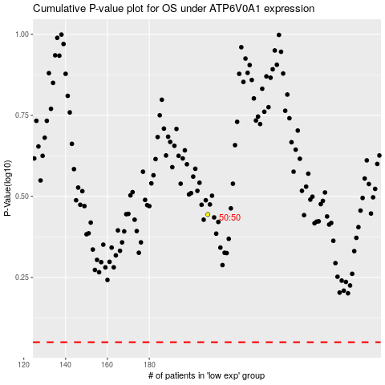

 |  |  |  |  |  | cases_OS | p_OS | rank | exp
 |  |  |  |  |  |  | cases_RFS | p_RFS | rank | exp

