ATP6V0B _multivariate
Reported by Tex Li-Hsing Chi. tex@gate.sinica.edu.tw 2019-08-21

Table 2. The clinicopathological features of HNSCC cohort and ATP6V0B expression. (Chi square test)
Cutoff at -0.22 (50.0%)
 |  | ATP6V0B expression |  | ATP6V0B expression |  | (Optimised)
 | Features | Low | (%) | High | (%) | Case no | P-value | Remark | Matthews
Gender | Female | 155 | 37.3 | 151 | 36.4 | 415 | 0.6768 | 0 | 0
2 | Male | 52 | 12.5 | 57 | 13.7
Age at diagnosis | <=65y | 140 | 33.7 | 134 | 32.3 | 415 | 0.5574 | 0 | 0
4 | >65y | 67 | 16.1 | 74 | 17.8
Clinical T Status | T1+T2 | 78 | 18.8 | 71 | 17.1 | 415 | 0.5152 | 0 | 0
6 | T3+T4 | 129 | 31.1 | 137 | 33
Clinical N Status | N0 | 109 | 26.3 | 107 | 25.8 | 415 | 0.8812 | 0 | 0
8 | N1-3 | 98 | 23.6 | 101 | 24.3
Clinical M Status | M0 | 207 | 49.9 | 205 | 49.4 | 415 | 0.2482 | 0 | 0
10 | M1 | 0 | 0 | 3 | 0.7
Clinical Stage | Stage I+II | 53 | 12.8 | 49 | 11.8 | 415 | 0.7113 | 0 | 0
12 | Stage III+IV | 154 | 37.1 | 159 | 38.3
Surgical Margin status | Negative | 157 | 37.8 | 161 | 38.8 | 415 | 0.729 | 0 | 0
14 | Positive | 50 | 12 | 47 | 11.3
Tobacco Exposure | Low | 84 | 20.2 | 77 | 18.6 | 415 | 0.4816 | 0 | 0
16 | High | 123 | 29.6 | 131 | 31.6

Table 3. Univariate/Multivariate Cox's proportional hazards regression analyses on OS time of ATP6V0B gene expression in HNSCC

 |  | Univariate |  |  |  | Multivariate
 | Features | HR | CI95%(L) | CI95%(H) | P-value | HR | CI95%(L) | CI95%(H) | P-value
1 | Female | 1 |  |  |  | 1
Gender | Male | 1.157 | 0.843 | 1.587 | 0.367 | 1.2 | 0.858 | 1.677 | 0.286
11 | <=65y | 1 |  |  |  | 1
Age at diagnosis | >65y | 1.329 | 0.99 | 1.784 | 0.058 | 1.391 | 1.023 | 1.891 | 0.035
12 | T1+T2 | 1 |  |  |  | 1
Clinical T Status | T3+T4 | 1.409 | 1.028 | 1.931 | 0.033 | 2.199 | 1.162 | 4.158 | 0.015
13 | N0 | 1 |  |  |  | 1
Clinical N Status | N1-3 | 1.185 | 0.89 | 1.577 | 0.246 | 1.239 | 0.869 | 1.769 | 0.237
14 | M0 | 1 |  |  |  | 1
Clinical M Status | M1 | 4.097 | 1.009 | 16.644 | 0.049 | 9.284 | 2.006 | 42.961 | 0.004
15 | Stage I+II | 1 |  |  |  | 1
Clinical Stage | Stage III+IV | 1.245 | 0.882 | 1.759 | 0.213 | 0.505 | 0.235 | 1.084 | 0.08
16 | Negative | 1 |  |  |  | 1
Surgical Margin status | Positive | 1.591 | 1.155 | 2.191 | 0.004 | 1.67 | 1.208 | 2.308 | 0.002
17 | Low | 1 |  |  |  | 1
Tobacco Exposure | High | 1.364 | 1.008 | 1.844 | 0.044 | 1.448 | 1.049 | 2.001 | 0.025
18 | Low | 1 |  |  |  | 1
RNAseq(z-score) | High | 1.143 | 0.858 | 1.523 | 0.361 | 1.023 | 0.763 | 1.371 | 0.88

Table 4. Univariate/Multivariate Cox's proportional hazards regression analyses on RFS time of ATP6V0B gene expression in HNSCC

 |  | Univariate |  |  |  | Multivariate
 | Features | HR | CI95%(L) | CI95%(H) | P-value | HR | CI95%(L) | CI95%(H) | P-value
1 | Female | 1 |  |  |  | 1
Gender | Male | 1.157 | 0.843 | 1.587 | 0.367 | 1.2 | 0.858 | 1.677 | 0.286
11 | <=65y | 1 |  |  |  | 1
Age at diagnosis | >65y | 1.329 | 0.99 | 1.784 | 0.058 | 1.391 | 1.023 | 1.891 | 0.035
12 | T1+T2 | 1 |  |  |  | 1
Clinical T Status | T3+T4 | 1.409 | 1.028 | 1.931 | 0.033 | 2.199 | 1.162 | 4.158 | 0.015
13 | N0 | 1 |  |  |  | 1
Clinical N Status | N1-3 | 1.185 | 0.89 | 1.577 | 0.246 | 1.239 | 0.869 | 1.769 | 0.237
14 | M0 | 1 |  |  |  | 1
Clinical M Status | M1 | 4.097 | 1.009 | 16.644 | 0.049 | 9.284 | 2.006 | 42.961 | 0.004
15 | Stage I+II | 1 |  |  |  | 1
Clinical Stage | Stage III+IV | 1.245 | 0.882 | 1.759 | 0.213 | 0.505 | 0.235 | 1.084 | 0.08
16 | Negative | 1 |  |  |  | 1
Surgical Margin status | Positive | 1.591 | 1.155 | 2.191 | 0.004 | 1.67 | 1.208 | 2.308 | 0.002
17 | Low | 1 |  |  |  | 1
Tobacco Exposure | High | 1.364 | 1.008 | 1.844 | 0.044 | 1.448 | 1.049 | 2.001 | 0.025
18 | Low | 1 |  |  |  | 1
RNAseq(z-score) | High | 1.143 | 0.858 | 1.523 | 0.361 | 1.023 | 0.763 | 1.371 | 0.88

Kaplan-Meier survival estimate: Cutoff at -0.22 (50.0%)



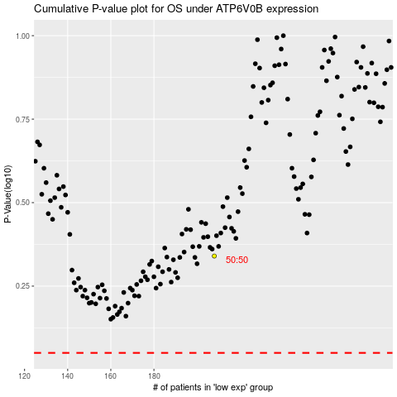

 |  |  |  |  |  | cases_OS | p_OS | rank | exp
 |  |  |  |  |  |  | cases_RFS | p_RFS | rank | exp

