ATP6V0D1 _multivariate
Reported by Tex Li-Hsing Chi. tex@gate.sinica.edu.tw 2019-08-21

Table 2. The clinicopathological features of HNSCC cohort and ATP6V0D1 expression. (Chi square test)
Cutoff at -0.12 (50.0%)
 |  | ATP6V0D1 expression |  | ATP6V0D1 expression |  | (Optimised)
 | Features | Low | (%) | High | (%) | Case no | P-value | Remark | Matthews
Gender | Female | 159 | 38.3 | 147 | 35.4 | 415 | 0.1905 | 0 | 0
2 | Male | 48 | 11.6 | 61 | 14.7
Age at diagnosis | <=65y | 140 | 33.7 | 134 | 32.3 | 415 | 0.5574 | 0 | 0
4 | >65y | 67 | 16.1 | 74 | 17.8
Clinical T Status | T1+T2 | 74 | 17.8 | 75 | 18.1 | 415 | 1 | 0 | 0
6 | T3+T4 | 133 | 32 | 133 | 32
Clinical N Status | N0 | 100 | 24.1 | 116 | 28 | 415 | 0.1548 | 0 | 0
8 | N1-3 | 107 | 25.8 | 92 | 22.2
Clinical M Status | M0 | 206 | 49.6 | 206 | 49.6 | 415 | 1 | 0 | 0
10 | M1 | 1 | 0.2 | 2 | 0.5
Clinical Stage | Stage I+II | 49 | 11.8 | 53 | 12.8 | 415 | 0.7535 | 0 | 0
12 | Stage III+IV | 158 | 38.1 | 155 | 37.3
Surgical Margin status | Negative | 152 | 36.6 | 166 | 40 | 415 | 0.1329 | 0 | 0
14 | Positive | 55 | 13.3 | 42 | 10.1
Tobacco Exposure | Low | 69 | 16.6 | 92 | 22.2 | 415 | 0.0266 | 1 | 0
16 | High | 138 | 33.3 | 116 | 28

Table 3. Univariate/Multivariate Cox's proportional hazards regression analyses on OS time of ATP6V0D1 gene expression in HNSCC

 |  | Univariate |  |  |  | Multivariate
 | Features | HR | CI95%(L) | CI95%(H) | P-value | HR | CI95%(L) | CI95%(H) | P-value
1 | Female | 1 |  |  |  | 1
Gender | Male | 1.157 | 0.843 | 1.587 | 0.367 | 1.191 | 0.852 | 1.664 | 0.307
11 | <=65y | 1 |  |  |  | 1
Age at diagnosis | >65y | 1.329 | 0.99 | 1.784 | 0.058 | 1.396 | 1.027 | 1.897 | 0.033
12 | T1+T2 | 1 |  |  |  | 1
Clinical T Status | T3+T4 | 1.409 | 1.028 | 1.931 | 0.033 | 2.17 | 1.147 | 4.104 | 0.017
13 | N0 | 1 |  |  |  | 1
Clinical N Status | N1-3 | 1.185 | 0.89 | 1.577 | 0.246 | 1.257 | 0.88 | 1.794 | 0.209
14 | M0 | 1 |  |  |  | 1
Clinical M Status | M1 | 4.097 | 1.009 | 16.644 | 0.049 | 8.778 | 1.905 | 40.435 | 0.005
15 | Stage I+II | 1 |  |  |  | 1
Clinical Stage | Stage III+IV | 1.245 | 0.882 | 1.759 | 0.213 | 0.514 | 0.24 | 1.105 | 0.088
16 | Negative | 1 |  |  |  | 1
Surgical Margin status | Positive | 1.591 | 1.155 | 2.191 | 0.004 | 1.673 | 1.211 | 2.31 | 0.002
17 | Low | 1 |  |  |  | 1
Tobacco Exposure | High | 1.364 | 1.008 | 1.844 | 0.044 | 1.475 | 1.069 | 2.036 | 0.018
18 | Low | 1 |  |  |  | 1
RNAseq(z-score) | High | 1.154 | 0.865 | 1.54 | 0.329 | 1.172 | 0.874 | 1.572 | 0.289

Table 4. Univariate/Multivariate Cox's proportional hazards regression analyses on RFS time of ATP6V0D1 gene expression in HNSCC

 |  | Univariate |  |  |  | Multivariate
 | Features | HR | CI95%(L) | CI95%(H) | P-value | HR | CI95%(L) | CI95%(H) | P-value
1 | Female | 1 |  |  |  | 1
Gender | Male | 1.157 | 0.843 | 1.587 | 0.367 | 1.191 | 0.852 | 1.664 | 0.307
11 | <=65y | 1 |  |  |  | 1
Age at diagnosis | >65y | 1.329 | 0.99 | 1.784 | 0.058 | 1.396 | 1.027 | 1.897 | 0.033
12 | T1+T2 | 1 |  |  |  | 1
Clinical T Status | T3+T4 | 1.409 | 1.028 | 1.931 | 0.033 | 2.17 | 1.147 | 4.104 | 0.017
13 | N0 | 1 |  |  |  | 1
Clinical N Status | N1-3 | 1.185 | 0.89 | 1.577 | 0.246 | 1.257 | 0.88 | 1.794 | 0.209
14 | M0 | 1 |  |  |  | 1
Clinical M Status | M1 | 4.097 | 1.009 | 16.644 | 0.049 | 8.778 | 1.905 | 40.435 | 0.005
15 | Stage I+II | 1 |  |  |  | 1
Clinical Stage | Stage III+IV | 1.245 | 0.882 | 1.759 | 0.213 | 0.514 | 0.24 | 1.105 | 0.088
16 | Negative | 1 |  |  |  | 1
Surgical Margin status | Positive | 1.591 | 1.155 | 2.191 | 0.004 | 1.673 | 1.211 | 2.31 | 0.002
17 | Low | 1 |  |  |  | 1
Tobacco Exposure | High | 1.364 | 1.008 | 1.844 | 0.044 | 1.475 | 1.069 | 2.036 | 0.018
18 | Low | 1 |  |  |  | 1
RNAseq(z-score) | High | 1.154 | 0.865 | 1.54 | 0.329 | 1.172 | 0.874 | 1.572 | 0.289

Kaplan-Meier survival estimate: Cutoff at -0.12 (50.0%)



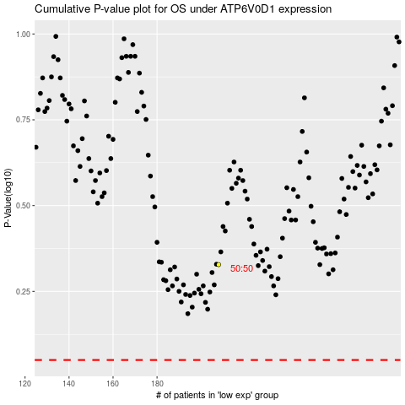

 |  |  |  |  |  | cases_OS | p_OS | rank | exp
 |  |  |  |  |  |  | cases_RFS | p_RFS | rank | exp

