ATP6V0E2 _multivariate
Reported by Tex Li-Hsing Chi. tex@gate.sinica.edu.tw 2019-08-21

Table 2. The clinicopathological features of HNSCC cohort and ATP6V0E2 expression. (Chi square test)
Cutoff at -0.407 (49.8%)
 |  | ATP6V0E2 expression |  | ATP6V0E2 expression |  | (Optimised)
 | Features | Low | (%) | High | (%) | Case no | P-value | Remark | Matthews
Gender | Female | 145 | 34.9 | 161 | 38.8 | 415 | 0.1116 | 0 | 0
2 | Male | 62 | 14.9 | 47 | 11.3
Age at diagnosis | <=65y | 138 | 33.3 | 136 | 32.8 | 415 | 0.8634 | 0 | 0
4 | >65y | 69 | 16.6 | 72 | 17.3
Clinical T Status | T1+T2 | 69 | 16.6 | 80 | 19.3 | 415 | 0.3239 | 0 | 0
6 | T3+T4 | 138 | 33.3 | 128 | 30.8
Clinical N Status | N0 | 111 | 26.7 | 105 | 25.3 | 415 | 0.5875 | 0 | 0
8 | N1-3 | 96 | 23.1 | 103 | 24.8
Clinical M Status | M0 | 204 | 49.2 | 208 | 50.1 | 415 | 0.1232 | 0 | 0
10 | M1 | 3 | 0.7 | 0 | 0
Clinical Stage | Stage I+II | 51 | 12.3 | 51 | 12.3 | 415 | 1 | 0 | 0
12 | Stage III+IV | 156 | 37.6 | 157 | 37.8
Surgical Margin status | Negative | 156 | 37.6 | 162 | 39 | 415 | 0.5636 | 0 | 0
14 | Positive | 51 | 12.3 | 46 | 11.1
Tobacco Exposure | Low | 93 | 22.4 | 68 | 16.4 | 415 | 0.0118 | 1 | 0
16 | High | 114 | 27.5 | 140 | 33.7

Table 3. Univariate/Multivariate Cox's proportional hazards regression analyses on OS time of ATP6V0E2 gene expression in HNSCC

 |  | Univariate |  |  |  | Multivariate
 | Features | HR | CI95%(L) | CI95%(H) | P-value | HR | CI95%(L) | CI95%(H) | P-value
1 | Female | 1 |  |  |  | 1
Gender | Male | 1.157 | 0.843 | 1.587 | 0.367 | 1.201 | 0.859 | 1.678 | 0.285
11 | <=65y | 1 |  |  |  | 1
Age at diagnosis | >65y | 1.329 | 0.99 | 1.784 | 0.058 | 1.393 | 1.024 | 1.894 | 0.035
12 | T1+T2 | 1 |  |  |  | 1
Clinical T Status | T3+T4 | 1.409 | 1.028 | 1.931 | 0.033 | 2.192 | 1.155 | 4.162 | 0.016
13 | N0 | 1 |  |  |  | 1
Clinical N Status | N1-3 | 1.185 | 0.89 | 1.577 | 0.246 | 1.241 | 0.87 | 1.771 | 0.233
14 | M0 | 1 |  |  |  | 1
Clinical M Status | M1 | 4.097 | 1.009 | 16.644 | 0.049 | 9.278 | 1.993 | 43.191 | 0.005
15 | Stage I+II | 1 |  |  |  | 1
Clinical Stage | Stage III+IV | 1.245 | 0.882 | 1.759 | 0.213 | 0.507 | 0.235 | 1.09 | 0.082
16 | Negative | 1 |  |  |  | 1
Surgical Margin status | Positive | 1.591 | 1.155 | 2.191 | 0.004 | 1.669 | 1.207 | 2.308 | 0.002
17 | Low | 1 |  |  |  | 1
Tobacco Exposure | High | 1.364 | 1.008 | 1.844 | 0.044 | 1.459 | 1.051 | 2.026 | 0.024
18 | Low | 1 |  |  |  | 1
RNAseq(z-score) | High | 0.961 | 0.721 | 1.281 | 0.788 | 0.981 | 0.727 | 1.324 | 0.902

Table 4. Univariate/Multivariate Cox's proportional hazards regression analyses on RFS time of ATP6V0E2 gene expression in HNSCC

 |  | Univariate |  |  |  | Multivariate
 | Features | HR | CI95%(L) | CI95%(H) | P-value | HR | CI95%(L) | CI95%(H) | P-value
1 | Female | 1 |  |  |  | 1
Gender | Male | 1.157 | 0.843 | 1.587 | 0.367 | 1.201 | 0.859 | 1.678 | 0.285
11 | <=65y | 1 |  |  |  | 1
Age at diagnosis | >65y | 1.329 | 0.99 | 1.784 | 0.058 | 1.393 | 1.024 | 1.894 | 0.035
12 | T1+T2 | 1 |  |  |  | 1
Clinical T Status | T3+T4 | 1.409 | 1.028 | 1.931 | 0.033 | 2.192 | 1.155 | 4.162 | 0.016
13 | N0 | 1 |  |  |  | 1
Clinical N Status | N1-3 | 1.185 | 0.89 | 1.577 | 0.246 | 1.241 | 0.87 | 1.771 | 0.233
14 | M0 | 1 |  |  |  | 1
Clinical M Status | M1 | 4.097 | 1.009 | 16.644 | 0.049 | 9.278 | 1.993 | 43.191 | 0.005
15 | Stage I+II | 1 |  |  |  | 1
Clinical Stage | Stage III+IV | 1.245 | 0.882 | 1.759 | 0.213 | 0.507 | 0.235 | 1.09 | 0.082
16 | Negative | 1 |  |  |  | 1
Surgical Margin status | Positive | 1.591 | 1.155 | 2.191 | 0.004 | 1.669 | 1.207 | 2.308 | 0.002
17 | Low | 1 |  |  |  | 1
Tobacco Exposure | High | 1.364 | 1.008 | 1.844 | 0.044 | 1.459 | 1.051 | 2.026 | 0.024
18 | Low | 1 |  |  |  | 1
RNAseq(z-score) | High | 0.961 | 0.721 | 1.281 | 0.788 | 0.981 | 0.727 | 1.324 | 0.902

Kaplan-Meier survival estimate: Cutoff at -0.407 (49.8%)



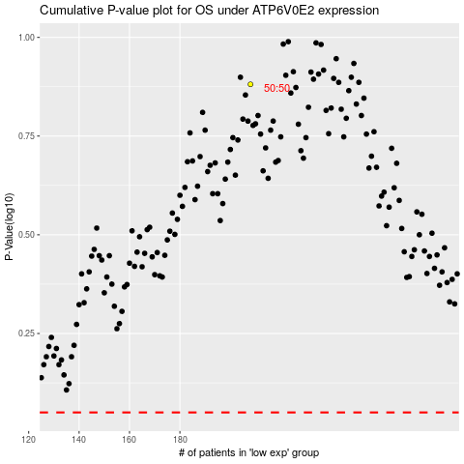

 |  |  |  |  |  | cases_OS | p_OS | rank | exp
 |  |  |  |  |  |  | cases_RFS | p_RFS | rank | exp

