ATP6V1B2 _multivariate
Reported by Tex Li-Hsing Chi. tex@gate.sinica.edu.tw 2019-08-21

Table 2. The clinicopathological features of HNSCC cohort and ATP6V1B2 expression. (Chi square test)
Cutoff at -0.239 (49.8%)
 |  | ATP6V1B2 expression |  | ATP6V1B2 expression |  | (Optimised)
 | Features | Low | (%) | High | (%) | Case no | P-value | Remark | Matthews
Gender | Female | 158 | 38.1 | 148 | 35.7 | 415 | 0.2774 | 0 | 0
2 | Male | 49 | 11.8 | 60 | 14.5
Age at diagnosis | <=65y | 141 | 34 | 133 | 32 | 415 | 0.4272 | 0 | 0
4 | >65y | 66 | 15.9 | 75 | 18.1
Clinical T Status | T1+T2 | 68 | 16.4 | 81 | 19.5 | 415 | 0.2336 | 0 | 0
6 | T3+T4 | 139 | 33.5 | 127 | 30.6
Clinical N Status | N0 | 114 | 27.5 | 102 | 24.6 | 415 | 0.2576 | 1 | 0
8 | N1-3 | 93 | 22.4 | 106 | 25.5
Clinical M Status | M0 | 205 | 49.4 | 207 | 49.9 | 415 | 0.6232 | 0 | 0
10 | M1 | 2 | 0.5 | 1 | 0.2
Clinical Stage | Stage I+II | 48 | 11.6 | 54 | 13 | 415 | 0.5878 | 0 | 0
12 | Stage III+IV | 159 | 38.3 | 154 | 37.1
Surgical Margin status | Negative | 153 | 36.9 | 165 | 39.8 | 415 | 0.2036 | 0 | 0
14 | Positive | 54 | 13 | 43 | 10.4
Tobacco Exposure | Low | 79 | 19 | 82 | 19.8 | 415 | 0.8405 | 0 | 0
16 | High | 128 | 30.8 | 126 | 30.4

Table 3. Univariate/Multivariate Cox's proportional hazards regression analyses on OS time of ATP6V1B2 gene expression in HNSCC

 |  | Univariate |  |  |  | Multivariate
 | Features | HR | CI95%(L) | CI95%(H) | P-value | HR | CI95%(L) | CI95%(H) | P-value
1 | Female | 1 |  |  |  | 1
Gender | Male | 1.157 | 0.843 | 1.587 | 0.367 | 1.207 | 0.863 | 1.688 | 0.271
11 | <=65y | 1 |  |  |  | 1
Age at diagnosis | >65y | 1.329 | 0.99 | 1.784 | 0.058 | 1.398 | 1.027 | 1.902 | 0.033
12 | T1+T2 | 1 |  |  |  | 1
Clinical T Status | T3+T4 | 1.409 | 1.028 | 1.931 | 0.033 | 2.186 | 1.155 | 4.14 | 0.016
13 | N0 | 1 |  |  |  | 1
Clinical N Status | N1-3 | 1.185 | 0.89 | 1.577 | 0.246 | 1.245 | 0.872 | 1.778 | 0.227
14 | M0 | 1 |  |  |  | 1
Clinical M Status | M1 | 4.097 | 1.009 | 16.644 | 0.049 | 9.293 | 2.024 | 42.676 | 0.004
15 | Stage I+II | 1 |  |  |  | 1
Clinical Stage | Stage III+IV | 1.245 | 0.882 | 1.759 | 0.213 | 0.507 | 0.236 | 1.088 | 0.081
16 | Negative | 1 |  |  |  | 1
Surgical Margin status | Positive | 1.591 | 1.155 | 2.191 | 0.004 | 1.663 | 1.202 | 2.301 | 0.002
17 | Low | 1 |  |  |  | 1
Tobacco Exposure | High | 1.364 | 1.008 | 1.844 | 0.044 | 1.45 | 1.052 | 1.998 | 0.023
18 | Low | 1 |  |  |  | 1
RNAseq(z-score) | High | 0.92 | 0.691 | 1.225 | 0.568 | 0.953 | 0.711 | 1.277 | 0.747

Table 4. Univariate/Multivariate Cox's proportional hazards regression analyses on RFS time of ATP6V1B2 gene expression in HNSCC

 |  | Univariate |  |  |  | Multivariate
 | Features | HR | CI95%(L) | CI95%(H) | P-value | HR | CI95%(L) | CI95%(H) | P-value
1 | Female | 1 |  |  |  | 1
Gender | Male | 1.157 | 0.843 | 1.587 | 0.367 | 1.207 | 0.863 | 1.688 | 0.271
11 | <=65y | 1 |  |  |  | 1
Age at diagnosis | >65y | 1.329 | 0.99 | 1.784 | 0.058 | 1.398 | 1.027 | 1.902 | 0.033
12 | T1+T2 | 1 |  |  |  | 1
Clinical T Status | T3+T4 | 1.409 | 1.028 | 1.931 | 0.033 | 2.186 | 1.155 | 4.14 | 0.016
13 | N0 | 1 |  |  |  | 1
Clinical N Status | N1-3 | 1.185 | 0.89 | 1.577 | 0.246 | 1.245 | 0.872 | 1.778 | 0.227
14 | M0 | 1 |  |  |  | 1
Clinical M Status | M1 | 4.097 | 1.009 | 16.644 | 0.049 | 9.293 | 2.024 | 42.676 | 0.004
15 | Stage I+II | 1 |  |  |  | 1
Clinical Stage | Stage III+IV | 1.245 | 0.882 | 1.759 | 0.213 | 0.507 | 0.236 | 1.088 | 0.081
16 | Negative | 1 |  |  |  | 1
Surgical Margin status | Positive | 1.591 | 1.155 | 2.191 | 0.004 | 1.663 | 1.202 | 2.301 | 0.002
17 | Low | 1 |  |  |  | 1
Tobacco Exposure | High | 1.364 | 1.008 | 1.844 | 0.044 | 1.45 | 1.052 | 1.998 | 0.023
18 | Low | 1 |  |  |  | 1
RNAseq(z-score) | High | 0.92 | 0.691 | 1.225 | 0.568 | 0.953 | 0.711 | 1.277 | 0.747

Kaplan-Meier survival estimate: Cutoff at -0.239 (49.8%)



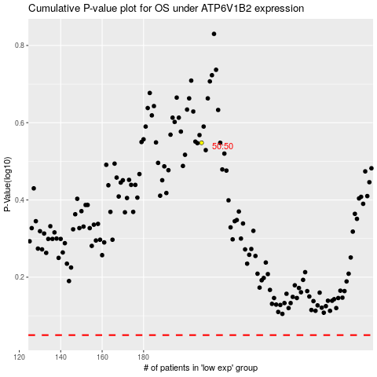

 |  |  |  |  |  | cases_OS | p_OS | rank | exp
 |  |  |  |  |  |  | cases_RFS | p_RFS | rank | exp

