ATP6V1C1 _multivariate
Reported by Tex Li-Hsing Chi. tex@gate.sinica.edu.tw 2019-08-21

Table 2. The clinicopathological features of HNSCC cohort and ATP6V1C1 expression. (Chi square test)
Cutoff at 0.178 (57.0%)
 |  | ATP6V1C1 expression |  | ATP6V1C1 expression |  | (Optimised)
 | Features | Low | (%) | High | (%) | Case no | P-value | Remark | Matthews
Gender | Female | 170 | 41 | 136 | 32.8 | 415 | 0.3379 | 0 | 0
2 | Male | 67 | 16.1 | 42 | 10.1
Age at diagnosis | <=65y | 150 | 36.1 | 124 | 29.9 | 415 | 0.2107 | 0 | 0
4 | >65y | 87 | 21 | 54 | 13
Clinical T Status | T1+T2 | 90 | 21.7 | 59 | 14.2 | 415 | 0.3621 | 0 | 0
6 | T3+T4 | 147 | 35.4 | 119 | 28.7
Clinical N Status | N0 | 135 | 32.5 | 81 | 19.5 | 415 | 0.0269 | 1 | 0
8 | N1-3 | 102 | 24.6 | 97 | 23.4
Clinical M Status | M0 | 235 | 56.6 | 177 | 42.7 | 415 | 1 | 0 | 0
10 | M1 | 2 | 0.5 | 1 | 0.2
Clinical Stage | Stage I+II | 61 | 14.7 | 41 | 9.9 | 415 | 0.6043 | 0 | 0
12 | Stage III+IV | 176 | 42.4 | 137 | 33
Surgical Margin status | Negative | 180 | 43.4 | 138 | 33.3 | 415 | 0.7266 | 0 | 0
14 | Positive | 57 | 13.7 | 40 | 9.6
Tobacco Exposure | Low | 95 | 22.9 | 66 | 15.9 | 415 | 0.5433 | 0 | 0
16 | High | 142 | 34.2 | 112 | 27

Table 3. Univariate/Multivariate Cox's proportional hazards regression analyses on OS time of ATP6V1C1 gene expression in HNSCC

 |  | Univariate |  |  |  | Multivariate
 | Features | HR | CI95%(L) | CI95%(H) | P-value | HR | CI95%(L) | CI95%(H) | P-value
1 | Female | 1 |  |  |  | 1
Gender | Male | 1.157 | 0.843 | 1.587 | 0.367 | 1.23 | 0.88 | 1.721 | 0.226
11 | <=65y | 1 |  |  |  | 1
Age at diagnosis | >65y | 1.329 | 0.99 | 1.784 | 0.058 | 1.428 | 1.05 | 1.942 | 0.023
12 | T1+T2 | 1 |  |  |  | 1
Clinical T Status | T3+T4 | 1.409 | 1.028 | 1.931 | 0.033 | 2.105 | 1.112 | 3.983 | 0.022
13 | N0 | 1 |  |  |  | 1
Clinical N Status | N1-3 | 1.185 | 0.89 | 1.577 | 0.246 | 1.192 | 0.834 | 1.704 | 0.336
14 | M0 | 1 |  |  |  | 1
Clinical M Status | M1 | 4.097 | 1.009 | 16.644 | 0.049 | 10.143 | 2.21 | 46.555 | 0.003
15 | Stage I+II | 1 |  |  |  | 1
Clinical Stage | Stage III+IV | 1.245 | 0.882 | 1.759 | 0.213 | 0.535 | 0.249 | 1.148 | 0.108
16 | Negative | 1 |  |  |  | 1
Surgical Margin status | Positive | 1.591 | 1.155 | 2.191 | 0.004 | 1.697 | 1.228 | 2.345 | 0.001
17 | Low | 1 |  |  |  | 1
Tobacco Exposure | High | 1.364 | 1.008 | 1.844 | 0.044 | 1.455 | 1.057 | 2.003 | 0.021
18 | Low | 1 |  |  |  | 1
RNAseq(z-score) | High | 1.407 | 1.052 | 1.881 | 0.021 | 1.465 | 1.092 | 1.966 | 0.011

Table 4. Univariate/Multivariate Cox's proportional hazards regression analyses on RFS time of ATP6V1C1 gene expression in HNSCC

 |  | Univariate |  |  |  | Multivariate
 | Features | HR | CI95%(L) | CI95%(H) | P-value | HR | CI95%(L) | CI95%(H) | P-value
1 | Female | 1 |  |  |  | 1
Gender | Male | 1.157 | 0.843 | 1.587 | 0.367 | 1.23 | 0.88 | 1.721 | 0.226
11 | <=65y | 1 |  |  |  | 1
Age at diagnosis | >65y | 1.329 | 0.99 | 1.784 | 0.058 | 1.428 | 1.05 | 1.942 | 0.023
12 | T1+T2 | 1 |  |  |  | 1
Clinical T Status | T3+T4 | 1.409 | 1.028 | 1.931 | 0.033 | 2.105 | 1.112 | 3.983 | 0.022
13 | N0 | 1 |  |  |  | 1
Clinical N Status | N1-3 | 1.185 | 0.89 | 1.577 | 0.246 | 1.192 | 0.834 | 1.704 | 0.336
14 | M0 | 1 |  |  |  | 1
Clinical M Status | M1 | 4.097 | 1.009 | 16.644 | 0.049 | 10.143 | 2.21 | 46.555 | 0.003
15 | Stage I+II | 1 |  |  |  | 1
Clinical Stage | Stage III+IV | 1.245 | 0.882 | 1.759 | 0.213 | 0.535 | 0.249 | 1.148 | 0.108
16 | Negative | 1 |  |  |  | 1
Surgical Margin status | Positive | 1.591 | 1.155 | 2.191 | 0.004 | 1.697 | 1.228 | 2.345 | 0.001
17 | Low | 1 |  |  |  | 1
Tobacco Exposure | High | 1.364 | 1.008 | 1.844 | 0.044 | 1.455 | 1.057 | 2.003 | 0.021
18 | Low | 1 |  |  |  | 1
RNAseq(z-score) | High | 1.407 | 1.052 | 1.881 | 0.021 | 1.465 | 1.092 | 1.966 | 0.011

Kaplan-Meier survival estimate: Cutoff at 0.178 (57.0%)

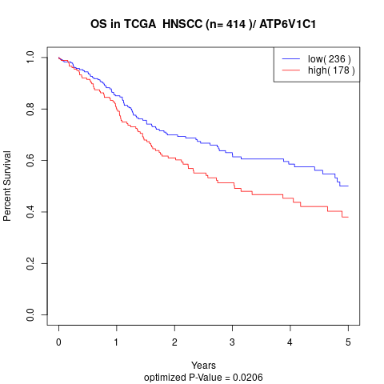

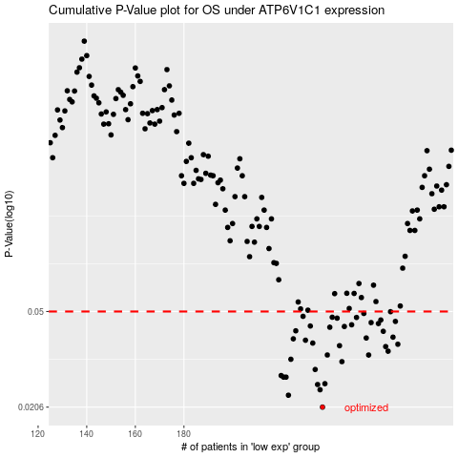

 |  |  |  |  |  | cases_OS | p_OS | rank | exp
 |  |  |  |  |  | 237 | 0.0206 | 90 | 0.1782752033
 |  |  |  |  |  | 223 | 0.023 | 79 | 0.088061431494
 |  |  |  |  |  | 236 | 0.0242 | 194 | 0.17743143934
 |  |  |  |  |  | 235 | 0.0254 | 277 | 0.16188809471
 |  |  |  |  |  | 238 | 0.0256 | 263 | 0.17990310126
 |  |  |  |  |  | 222 | 0.0272 | 33 | 0.083102206331
 |  |  |  |  |  | 221 | 0.0272 | 333 | 0.076997887132
 |  |  |  |  |  | 220 | 0.0276 | 154 | 0.064484738396
 |  |  |  |  |  | 234 | 0.0292 | 351 | 0.1462543113
 |  |  |  |  |  | 245 | 0.0314 | 159 | 0.22855757236
 |  |  |  |  |  | 224 | 0.0321 | 371 | 0.093941939569
 |  |  |  |  |  | 256 | 0.0334 | 97 | 0.29110025912
 |  |  |  |  |  | 239 | 0.0334 | 373 | 0.19016203867
 |  |  |  |  |  | 264 | 0.0346 | 198 | 0.34127430042
 |  |  |  |  |  | 263 | 0.0361 | 94 | 0.33654584321
 |  |  |  |  |  | 244 | 0.0364 | 9 | 0.22711631619
 |  |  |  |  |  | 268 | 0.0369 | 124 | 0.35152667854
 |  |  |  |  |  | 233 | 0.0373 | 151 | 0.14212811671
 |  |  |  |  |  | 230 | 0.0383 | 52 | 0.11478320755
 |  |  |  |  |  | 225 | 0.0388 | 243 | 0.095983271931
 |  |  |  |  |  | 255 | 0.0391 | 378 | 0.28987963381
 |  |  |  |  |  | 266 | 0.0394 | 322 | 0.34302165707
 |  |  |  |  |  | 262 | 0.0416 | 367 | 0.33290821677
 |  |  |  |  |  | 226 | 0.0418 | 186 | 0.09619356693
 |  |  |  |  |  | 240 | 0.0432 | 256 | 0.19517512957
 |  |  |  |  |  | 246 | 0.0435 | 148 | 0.23994311852
 |  |  |  |  |  | 232 | 0.0437 | 171 | 0.1314414337
 |  |  |  |  |  | 249 | 0.0442 | 133 | 0.26504077318
 |  |  |  |  |  | 260 | 0.0447 | 212 | 0.32636859885
 |  |  |  |  |  | 257 | 0.0451 | 99 | 0.29174664791
 |  |  |  |  |  | 267 | 0.0456 | 329 | 0.34717707035
 |  |  |  |  |  | 261 | 0.0462 | 331 | 0.32701160861
 |  |  |  |  |  | 243 | 0.047 | 166 | 0.22552797277
 |  |  |  |  |  | 251 | 0.0473 | 377 | 0.27591071893
 |  |  |  |  |  | 241 | 0.0474 | 260 | 0.20440405877
 |  |  |  |  |  | 229 | 0.0478 | 129 | 0.11279633722
 |  |  |  |  |  | 254 | 0.0491 | 150 | 0.28835588951
 |  |  |  |  |  | 265 | 0.0499 | 59 | 0.34262631043
 |  |  |  |  |  |  | cases_RFS | p_RFS | rank | exp
 |  |  |  |  |  |  | 236 | 0.0206 | 194 | 0.17743143934
 |  |  |  |  |  |  | 222 | 0.023 | 33 | 0.083102206331
 |  |  |  |  |  |  | 235 | 0.0242 | 277 | 0.16188809471
 |  |  |  |  |  |  | 234 | 0.0254 | 351 | 0.1462543113
 |  |  |  |  |  |  | 237 | 0.0256 | 90 | 0.1782752033
 |  |  |  |  |  |  | 220 | 0.0272 | 154 | 0.064484738396
 |  |  |  |  |  |  | 221 | 0.0272 | 333 | 0.076997887132
 |  |  |  |  |  |  | 219 | 0.0276 | 271 | 0.054488172819
 |  |  |  |  |  |  | 233 | 0.0292 | 151 | 0.14212811671
 |  |  |  |  |  |  | 244 | 0.0314 | 9 | 0.22711631619
 |  |  |  |  |  |  | 223 | 0.0321 | 79 | 0.088061431494
 |  |  |  |  |  |  | 238 | 0.0334 | 263 | 0.17990310126
 |  |  |  |  |  |  | 255 | 0.0334 | 378 | 0.28987963381
 |  |  |  |  |  |  | 263 | 0.0346 | 94 | 0.33654584321
 |  |  |  |  |  |  | 262 | 0.0361 | 367 | 0.33290821677
 |  |  |  |  |  |  | 243 | 0.0364 | 166 | 0.22552797277
 |  |  |  |  |  |  | 267 | 0.0369 | 329 | 0.34717707035
 |  |  |  |  |  |  | 232 | 0.0373 | 171 | 0.1314414337
 |  |  |  |  |  |  | 229 | 0.0383 | 129 | 0.11279633722
 |  |  |  |  |  |  | 224 | 0.0388 | 371 | 0.093941939569
 |  |  |  |  |  |  | 254 | 0.0391 | 150 | 0.28835588951
 |  |  |  |  |  |  | 265 | 0.0394 | 59 | 0.34262631043
 |  |  |  |  |  |  | 261 | 0.0416 | 331 | 0.32701160861
 |  |  |  |  |  |  | 225 | 0.0418 | 243 | 0.095983271931
 |  |  |  |  |  |  | 239 | 0.0432 | 373 | 0.19016203867
 |  |  |  |  |  |  | 245 | 0.0435 | 159 | 0.22855757236
 |  |  |  |  |  |  | 231 | 0.0437 | 336 | 0.12761080495
 |  |  |  |  |  |  | 248 | 0.0442 | 340 | 0.24856739991
 |  |  |  |  |  |  | 259 | 0.0447 | 324 | 0.29812983657
 |  |  |  |  |  |  | 256 | 0.0451 | 97 | 0.29110025912
 |  |  |  |  |  |  | 266 | 0.0456 | 322 | 0.34302165707
 |  |  |  |  |  |  | 260 | 0.0462 | 212 | 0.32636859885
 |  |  |  |  |  |  | 242 | 0.047 | 60 | 0.21999172834
 |  |  |  |  |  |  | 250 | 0.0473 | 6 | 0.27026018374
 |  |  |  |  |  |  | 240 | 0.0474 | 256 | 0.19517512957
 |  |  |  |  |  |  | 228 | 0.0478 | 313 | 0.10606172932
 |  |  |  |  |  |  | 253 | 0.0491 | 376 | 0.28202974686
 |  |  |  |  |  |  | 264 | 0.0499 | 198 | 0.34127430042

