ATP6V1E2 _multivariate
Reported by Tex Li-Hsing Chi. tex@gate.sinica.edu.tw 2019-08-21

Table 2. The clinicopathological features of HNSCC cohort and ATP6V1E2 expression. (Chi square test)
Cutoff at -0.274 (49.8%)
 |  | ATP6V1E2 expression |  | ATP6V1E2 expression |  | (Optimised)
 | Features | Low | (%) | High | (%) | Case no | P-value | Remark | Matthews
Gender | Female | 158 | 38.1 | 148 | 35.7 | 415 | 0.2774 | 0 | 0
2 | Male | 49 | 11.8 | 60 | 14.5
Age at diagnosis | <=65y | 145 | 34.9 | 129 | 31.1 | 415 | 0.1046 | 0 | 0
4 | >65y | 62 | 14.9 | 79 | 19
Clinical T Status | T1+T2 | 74 | 17.8 | 75 | 18.1 | 415 | 1 | 0 | 0
6 | T3+T4 | 133 | 32 | 133 | 32
Clinical N Status | N0 | 94 | 22.7 | 122 | 29.4 | 415 | 0.0093 | 1 | 0
8 | N1-3 | 113 | 27.2 | 86 | 20.7
Clinical M Status | M0 | 206 | 49.6 | 206 | 49.6 | 415 | 1 | 0 | 0
10 | M1 | 1 | 0.2 | 2 | 0.5
Clinical Stage | Stage I+II | 46 | 11.1 | 56 | 13.5 | 415 | 0.3182 | 0 | 0
12 | Stage III+IV | 161 | 38.8 | 152 | 36.6
Surgical Margin status | Negative | 159 | 38.3 | 159 | 38.3 | 415 | 1 | 0 | 0
14 | Positive | 48 | 11.6 | 49 | 11.8
Tobacco Exposure | Low | 85 | 20.5 | 76 | 18.3 | 415 | 0.3655 | 0 | 0
16 | High | 122 | 29.4 | 132 | 31.8

Table 3. Univariate/Multivariate Cox's proportional hazards regression analyses on OS time of ATP6V1E2 gene expression in HNSCC

 |  | Univariate |  |  |  | Multivariate
 | Features | HR | CI95%(L) | CI95%(H) | P-value | HR | CI95%(L) | CI95%(H) | P-value
1 | Female | 1 |  |  |  | 1
Gender | Male | 1.157 | 0.843 | 1.587 | 0.367 | 1.204 | 0.86 | 1.684 | 0.279
11 | <=65y | 1 |  |  |  | 1
Age at diagnosis | >65y | 1.329 | 0.99 | 1.784 | 0.058 | 1.394 | 1.024 | 1.898 | 0.035
12 | T1+T2 | 1 |  |  |  | 1
Clinical T Status | T3+T4 | 1.409 | 1.028 | 1.931 | 0.033 | 2.204 | 1.165 | 4.168 | 0.015
13 | N0 | 1 |  |  |  | 1
Clinical N Status | N1-3 | 1.185 | 0.89 | 1.577 | 0.246 | 1.238 | 0.865 | 1.771 | 0.243
14 | M0 | 1 |  |  |  | 1
Clinical M Status | M1 | 4.097 | 1.009 | 16.644 | 0.049 | 9.452 | 2.056 | 43.454 | 0.004
15 | Stage I+II | 1 |  |  |  | 1
Clinical Stage | Stage III+IV | 1.245 | 0.882 | 1.759 | 0.213 | 0.504 | 0.235 | 1.082 | 0.079
16 | Negative | 1 |  |  |  | 1
Surgical Margin status | Positive | 1.591 | 1.155 | 2.191 | 0.004 | 1.675 | 1.209 | 2.321 | 0.002
17 | Low | 1 |  |  |  | 1
Tobacco Exposure | High | 1.364 | 1.008 | 1.844 | 0.044 | 1.457 | 1.053 | 2.014 | 0.023
18 | Low | 1 |  |  |  | 1
RNAseq(z-score) | High | 1.093 | 0.82 | 1.457 | 0.543 | 0.985 | 0.731 | 1.327 | 0.92

Table 4. Univariate/Multivariate Cox's proportional hazards regression analyses on RFS time of ATP6V1E2 gene expression in HNSCC

 |  | Univariate |  |  |  | Multivariate
 | Features | HR | CI95%(L) | CI95%(H) | P-value | HR | CI95%(L) | CI95%(H) | P-value
1 | Female | 1 |  |  |  | 1
Gender | Male | 1.157 | 0.843 | 1.587 | 0.367 | 1.204 | 0.86 | 1.684 | 0.279
11 | <=65y | 1 |  |  |  | 1
Age at diagnosis | >65y | 1.329 | 0.99 | 1.784 | 0.058 | 1.394 | 1.024 | 1.898 | 0.035
12 | T1+T2 | 1 |  |  |  | 1
Clinical T Status | T3+T4 | 1.409 | 1.028 | 1.931 | 0.033 | 2.204 | 1.165 | 4.168 | 0.015
13 | N0 | 1 |  |  |  | 1
Clinical N Status | N1-3 | 1.185 | 0.89 | 1.577 | 0.246 | 1.238 | 0.865 | 1.771 | 0.243
14 | M0 | 1 |  |  |  | 1
Clinical M Status | M1 | 4.097 | 1.009 | 16.644 | 0.049 | 9.452 | 2.056 | 43.454 | 0.004
15 | Stage I+II | 1 |  |  |  | 1
Clinical Stage | Stage III+IV | 1.245 | 0.882 | 1.759 | 0.213 | 0.504 | 0.235 | 1.082 | 0.079
16 | Negative | 1 |  |  |  | 1
Surgical Margin status | Positive | 1.591 | 1.155 | 2.191 | 0.004 | 1.675 | 1.209 | 2.321 | 0.002
17 | Low | 1 |  |  |  | 1
Tobacco Exposure | High | 1.364 | 1.008 | 1.844 | 0.044 | 1.457 | 1.053 | 2.014 | 0.023
18 | Low | 1 |  |  |  | 1
RNAseq(z-score) | High | 1.093 | 0.82 | 1.457 | 0.543 | 0.985 | 0.731 | 1.327 | 0.92

Kaplan-Meier survival estimate: Cutoff at -0.274 (49.8%)



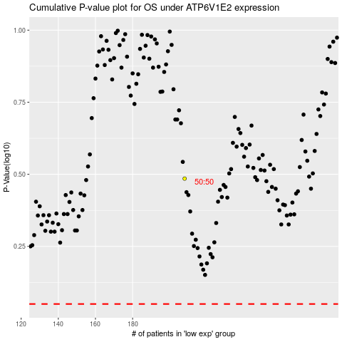

 |  |  |  |  |  | cases_OS | p_OS | rank | exp
 |  |  |  |  |  |  | cases_RFS | p_RFS | rank | exp

