ATP6V1G2 _multivariate
Reported by Tex Li-Hsing Chi. tex@gate.sinica.edu.tw 2019-08-21

Table 2. The clinicopathological features of HNSCC cohort and ATP6V1G2 expression. (Chi square test)
Cutoff at -0.28 (50.0%)
 |  | ATP6V1G2 expression |  | ATP6V1G2 expression |  | (Optimised)
 | Features | Low | (%) | High | (%) | Case no | P-value | Remark | Matthews
Gender | Female | 153 | 36.9 | 153 | 36.9 | 415 | 1 | 0 | 0
2 | Male | 54 | 13 | 55 | 13.3
Age at diagnosis | <=65y | 130 | 31.3 | 144 | 34.7 | 415 | 0.2009 | 0 | 0
4 | >65y | 77 | 18.6 | 64 | 15.4
Clinical T Status | T1+T2 | 66 | 15.9 | 83 | 20 | 415 | 0.1095 | 0 | 0
6 | T3+T4 | 141 | 34 | 125 | 30.1
Clinical N Status | N0 | 123 | 29.6 | 93 | 22.4 | 415 | 0.0037 | 1 | 0
8 | N1-3 | 84 | 20.2 | 115 | 27.7
Clinical M Status | M0 | 205 | 49.4 | 207 | 49.9 | 415 | 0.6232 | 0 | 0
10 | M1 | 2 | 0.5 | 1 | 0.2
Clinical Stage | Stage I+II | 50 | 12 | 52 | 12.5 | 415 | 0.9315 | 0 | 0
12 | Stage III+IV | 157 | 37.8 | 156 | 37.6
Surgical Margin status | Negative | 161 | 38.8 | 157 | 37.8 | 415 | 0.6429 | 0 | 0
14 | Positive | 46 | 11.1 | 51 | 12.3
Tobacco Exposure | Low | 81 | 19.5 | 80 | 19.3 | 415 | 0.9199 | 0 | 0
16 | High | 126 | 30.4 | 128 | 30.8

Table 3. Univariate/Multivariate Cox's proportional hazards regression analyses on OS time of ATP6V1G2 gene expression in HNSCC

 |  | Univariate |  |  |  | Multivariate
 | Features | HR | CI95%(L) | CI95%(H) | P-value | HR | CI95%(L) | CI95%(H) | P-value
1 | Female | 1 |  |  |  | 1
Gender | Male | 1.157 | 0.843 | 1.587 | 0.367 | 1.203 | 0.861 | 1.681 | 0.278
11 | <=65y | 1 |  |  |  | 1
Age at diagnosis | >65y | 1.329 | 0.99 | 1.784 | 0.058 | 1.383 | 1.017 | 1.881 | 0.038
12 | T1+T2 | 1 |  |  |  | 1
Clinical T Status | T3+T4 | 1.409 | 1.028 | 1.931 | 0.033 | 2.188 | 1.156 | 4.139 | 0.016
13 | N0 | 1 |  |  |  | 1
Clinical N Status | N1-3 | 1.185 | 0.89 | 1.577 | 0.246 | 1.274 | 0.888 | 1.828 | 0.189
14 | M0 | 1 |  |  |  | 1
Clinical M Status | M1 | 4.097 | 1.009 | 16.644 | 0.049 | 9.141 | 1.991 | 41.975 | 0.004
15 | Stage I+II | 1 |  |  |  | 1
Clinical Stage | Stage III+IV | 1.245 | 0.882 | 1.759 | 0.213 | 0.497 | 0.232 | 1.069 | 0.073
16 | Negative | 1 |  |  |  | 1
Surgical Margin status | Positive | 1.591 | 1.155 | 2.191 | 0.004 | 1.691 | 1.222 | 2.34 | 0.002
17 | Low | 1 |  |  |  | 1
Tobacco Exposure | High | 1.364 | 1.008 | 1.844 | 0.044 | 1.451 | 1.053 | 2.001 | 0.023
18 | Low | 1 |  |  |  | 1
RNAseq(z-score) | High | 0.888 | 0.666 | 1.183 | 0.416 | 0.887 | 0.661 | 1.192 | 0.427

Table 4. Univariate/Multivariate Cox's proportional hazards regression analyses on RFS time of ATP6V1G2 gene expression in HNSCC

 |  | Univariate |  |  |  | Multivariate
 | Features | HR | CI95%(L) | CI95%(H) | P-value | HR | CI95%(L) | CI95%(H) | P-value
1 | Female | 1 |  |  |  | 1
Gender | Male | 1.157 | 0.843 | 1.587 | 0.367 | 1.203 | 0.861 | 1.681 | 0.278
11 | <=65y | 1 |  |  |  | 1
Age at diagnosis | >65y | 1.329 | 0.99 | 1.784 | 0.058 | 1.383 | 1.017 | 1.881 | 0.038
12 | T1+T2 | 1 |  |  |  | 1
Clinical T Status | T3+T4 | 1.409 | 1.028 | 1.931 | 0.033 | 2.188 | 1.156 | 4.139 | 0.016
13 | N0 | 1 |  |  |  | 1
Clinical N Status | N1-3 | 1.185 | 0.89 | 1.577 | 0.246 | 1.274 | 0.888 | 1.828 | 0.189
14 | M0 | 1 |  |  |  | 1
Clinical M Status | M1 | 4.097 | 1.009 | 16.644 | 0.049 | 9.141 | 1.991 | 41.975 | 0.004
15 | Stage I+II | 1 |  |  |  | 1
Clinical Stage | Stage III+IV | 1.245 | 0.882 | 1.759 | 0.213 | 0.497 | 0.232 | 1.069 | 0.073
16 | Negative | 1 |  |  |  | 1
Surgical Margin status | Positive | 1.591 | 1.155 | 2.191 | 0.004 | 1.691 | 1.222 | 2.34 | 0.002
17 | Low | 1 |  |  |  | 1
Tobacco Exposure | High | 1.364 | 1.008 | 1.844 | 0.044 | 1.451 | 1.053 | 2.001 | 0.023
18 | Low | 1 |  |  |  | 1
RNAseq(z-score) | High | 0.888 | 0.666 | 1.183 | 0.416 | 0.887 | 0.661 | 1.192 | 0.427

Kaplan-Meier survival estimate: Cutoff at -0.28 (50.0%)



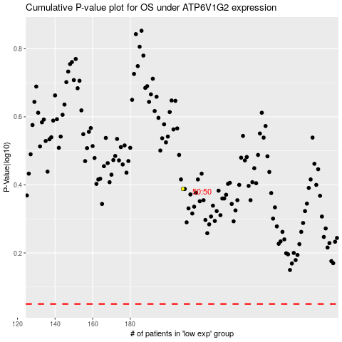

 |  |  |  |  |  | cases_OS | p_OS | rank | exp
 |  |  |  |  |  |  | cases_RFS | p_RFS | rank | exp

