ATP6V1H _multivariate
Reported by Tex Li-Hsing Chi. tex@gate.sinica.edu.tw 2019-08-21

Table 2. The clinicopathological features of HNSCC cohort and ATP6V1H expression. (Chi square test)
Cutoff at -0.488 (31.2%)
 |  | ATP6V1H expression |  | ATP6V1H expression |  | (Optimised)
 | Features | Low | (%) | High | (%) | Case no | P-value | Remark | Matthews
Gender | Female | 105 | 25.3 | 201 | 48.4 | 415 | 0.0238 | 1 | 0
2 | Male | 24 | 5.8 | 85 | 20.5
Age at diagnosis | <=65y | 91 | 21.9 | 183 | 44.1 | 415 | 0.2328 | 0 | 0
4 | >65y | 38 | 9.2 | 103 | 24.8
Clinical T Status | T1+T2 | 44 | 10.6 | 105 | 25.3 | 415 | 0.6881 | 0 | 0
6 | T3+T4 | 85 | 20.5 | 181 | 43.6
Clinical N Status | N0 | 62 | 14.9 | 154 | 37.1 | 415 | 0.3244 | 0 | 0
8 | N1-3 | 67 | 16.1 | 132 | 31.8
Clinical M Status | M0 | 128 | 30.8 | 284 | 68.4 | 415 | 1 | 0 | 0
10 | M1 | 1 | 0.2 | 2 | 0.5
Clinical Stage | Stage I+II | 24 | 5.8 | 78 | 18.8 | 415 | 0.0759 | 0 | 0
12 | Stage III+IV | 105 | 25.3 | 208 | 50.1
Surgical Margin status | Negative | 96 | 23.1 | 222 | 53.5 | 415 | 0.5311 | 0 | 0
14 | Positive | 33 | 8 | 64 | 15.4
Tobacco Exposure | Low | 41 | 9.9 | 120 | 28.9 | 415 | 0.0509 | 0 | 0
16 | High | 88 | 21.2 | 166 | 40

Table 3. Univariate/Multivariate Cox's proportional hazards regression analyses on OS time of ATP6V1H gene expression in HNSCC

 |  | Univariate |  |  |  | Multivariate
 | Features | HR | CI95%(L) | CI95%(H) | P-value | HR | CI95%(L) | CI95%(H) | P-value
1 | Female | 1 |  |  |  | 1
Gender | Male | 1.157 | 0.843 | 1.587 | 0.367 | 1.153 | 0.823 | 1.614 | 0.407
11 | <=65y | 1 |  |  |  | 1
Age at diagnosis | >65y | 1.329 | 0.99 | 1.784 | 0.058 | 1.388 | 1.022 | 1.886 | 0.036
12 | T1+T2 | 1 |  |  |  | 1
Clinical T Status | T3+T4 | 1.409 | 1.028 | 1.931 | 0.033 | 2.102 | 1.11 | 3.979 | 0.023
13 | N0 | 1 |  |  |  | 1
Clinical N Status | N1-3 | 1.185 | 0.89 | 1.577 | 0.246 | 1.22 | 0.855 | 1.741 | 0.273
14 | M0 | 1 |  |  |  | 1
Clinical M Status | M1 | 4.097 | 1.009 | 16.644 | 0.049 | 9.024 | 1.969 | 41.348 | 0.005
15 | Stage I+II | 1 |  |  |  | 1
Clinical Stage | Stage III+IV | 1.245 | 0.882 | 1.759 | 0.213 | 0.563 | 0.261 | 1.217 | 0.144
16 | Negative | 1 |  |  |  | 1
Surgical Margin status | Positive | 1.591 | 1.155 | 2.191 | 0.004 | 1.688 | 1.222 | 2.332 | 0.002
17 | Low | 1 |  |  |  | 1
Tobacco Exposure | High | 1.364 | 1.008 | 1.844 | 0.044 | 1.45 | 1.053 | 1.997 | 0.023
18 | Low | 1 |  |  |  | 1
RNAseq(z-score) | High | 1.391 | 1.008 | 1.92 | 0.044 | 1.414 | 1.018 | 1.965 | 0.039

Table 4. Univariate/Multivariate Cox's proportional hazards regression analyses on RFS time of ATP6V1H gene expression in HNSCC

 |  | Univariate |  |  |  | Multivariate
 | Features | HR | CI95%(L) | CI95%(H) | P-value | HR | CI95%(L) | CI95%(H) | P-value
1 | Female | 1 |  |  |  | 1
Gender | Male | 1.157 | 0.843 | 1.587 | 0.367 | 1.153 | 0.823 | 1.614 | 0.407
11 | <=65y | 1 |  |  |  | 1
Age at diagnosis | >65y | 1.329 | 0.99 | 1.784 | 0.058 | 1.388 | 1.022 | 1.886 | 0.036
12 | T1+T2 | 1 |  |  |  | 1
Clinical T Status | T3+T4 | 1.409 | 1.028 | 1.931 | 0.033 | 2.102 | 1.11 | 3.979 | 0.023
13 | N0 | 1 |  |  |  | 1
Clinical N Status | N1-3 | 1.185 | 0.89 | 1.577 | 0.246 | 1.22 | 0.855 | 1.741 | 0.273
14 | M0 | 1 |  |  |  | 1
Clinical M Status | M1 | 4.097 | 1.009 | 16.644 | 0.049 | 9.024 | 1.969 | 41.348 | 0.005
15 | Stage I+II | 1 |  |  |  | 1
Clinical Stage | Stage III+IV | 1.245 | 0.882 | 1.759 | 0.213 | 0.563 | 0.261 | 1.217 | 0.144
16 | Negative | 1 |  |  |  | 1
Surgical Margin status | Positive | 1.591 | 1.155 | 2.191 | 0.004 | 1.688 | 1.222 | 2.332 | 0.002
17 | Low | 1 |  |  |  | 1
Tobacco Exposure | High | 1.364 | 1.008 | 1.844 | 0.044 | 1.45 | 1.053 | 1.997 | 0.023
18 | Low | 1 |  |  |  | 1
RNAseq(z-score) | High | 1.391 | 1.008 | 1.92 | 0.044 | 1.414 | 1.018 | 1.965 | 0.039

Kaplan-Meier survival estimate: Cutoff at -0.488 (31.2%)

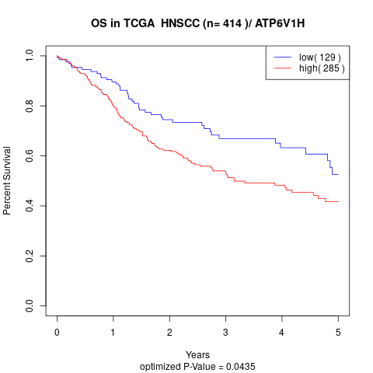

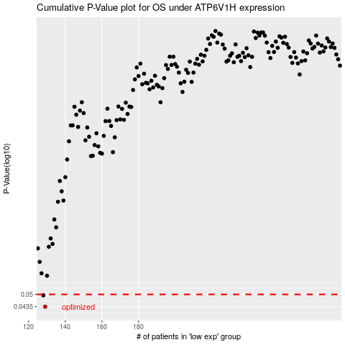

 |  |  |  |  |  | cases_OS | p_OS | rank | exp
 |  |  |  |  |  | 129 | 0.0435 | 370 | -0.48830374875
 |  |  |  |  |  | 128 | 0.0495 | 101 | -0.48933252298
 |  |  |  |  |  |  | cases_RFS | p_RFS | rank | exp
 |  |  |  |  |  |  | 128 | 0.0435 | 101 | -0.48933252298
 |  |  |  |  |  |  | 127 | 0.0495 | 45 | -0.49409982459

