ATP7B _multivariate
Reported by Tex Li-Hsing Chi. tex@gate.sinica.edu.tw 2019-08-21

Table 2. The clinicopathological features of HNSCC cohort and ATP7B expression. (Chi square test)
Cutoff at 0 (69.8%)
 |  | ATP7B expression |  | ATP7B expression |  | (Optimised)
 | Features | Low | (%) | High | (%) | Case no | P-value | Remark | Matthews
Gender | Female | 219 | 52.8 | 87 | 21 | 415 | 0.2563 | 0 | 0
2 | Male | 71 | 17.1 | 38 | 9.2
Age at diagnosis | <=65y | 197 | 47.5 | 77 | 18.6 | 415 | 0.2558 | 0 | 0
4 | >65y | 93 | 22.4 | 48 | 11.6
Clinical T Status | T1+T2 | 107 | 25.8 | 42 | 10.1 | 415 | 0.5956 | 0 | 0
6 | T3+T4 | 183 | 44.1 | 83 | 20
Clinical N Status | N0 | 146 | 35.2 | 70 | 16.9 | 415 | 0.3417 | 0 | 0
8 | N1-3 | 144 | 34.7 | 55 | 13.3
Clinical M Status | M0 | 287 | 69.2 | 125 | 30.1 | 415 | 0.5571 | 0 | 0
10 | M1 | 3 | 0.7 | 0 | 0
Clinical Stage | Stage I+II | 72 | 17.3 | 30 | 7.2 | 415 | 0.9558 | 0 | 0
12 | Stage III+IV | 218 | 52.5 | 95 | 22.9
Surgical Margin status | Negative | 230 | 55.4 | 88 | 21.2 | 415 | 0.0579 | 0 | 0
14 | Positive | 60 | 14.5 | 37 | 8.9
Tobacco Exposure | Low | 110 | 26.5 | 51 | 12.3 | 415 | 0.585 | 0 | 0
16 | High | 180 | 43.4 | 74 | 17.8

Table 3. Univariate/Multivariate Cox's proportional hazards regression analyses on OS time of ATP7B gene expression in HNSCC

 |  | Univariate |  |  |  | Multivariate
 | Features | HR | CI95%(L) | CI95%(H) | P-value | HR | CI95%(L) | CI95%(H) | P-value
1 | Female | 1 |  |  |  | 1
Gender | Male | 1.157 | 0.843 | 1.587 | 0.367 | 1.177 | 0.842 | 1.645 | 0.34
11 | <=65y | 1 |  |  |  | 1
Age at diagnosis | >65y | 1.329 | 0.99 | 1.784 | 0.058 | 1.356 | 0.997 | 1.845 | 0.052
12 | T1+T2 | 1 |  |  |  | 1
Clinical T Status | T3+T4 | 1.409 | 1.028 | 1.931 | 0.033 | 2.21 | 1.169 | 4.179 | 0.015
13 | N0 | 1 |  |  |  | 1
Clinical N Status | N1-3 | 1.185 | 0.89 | 1.577 | 0.246 | 1.248 | 0.875 | 1.781 | 0.221
14 | M0 | 1 |  |  |  | 1
Clinical M Status | M1 | 4.097 | 1.009 | 16.644 | 0.049 | 10.274 | 2.233 | 47.26 | 0.003
15 | Stage I+II | 1 |  |  |  | 1
Clinical Stage | Stage III+IV | 1.245 | 0.882 | 1.759 | 0.213 | 0.496 | 0.231 | 1.064 | 0.072
16 | Negative | 1 |  |  |  | 1
Surgical Margin status | Positive | 1.591 | 1.155 | 2.191 | 0.004 | 1.65 | 1.194 | 2.281 | 0.002
17 | Low | 1 |  |  |  | 1
Tobacco Exposure | High | 1.364 | 1.008 | 1.844 | 0.044 | 1.453 | 1.055 | 2 | 0.022
18 | Low | 1 |  |  |  | 1
RNAseq(z-score) | High | 1.373 | 1.007 | 1.871 | 0.045 | 1.341 | 0.979 | 1.837 | 0.067

Table 4. Univariate/Multivariate Cox's proportional hazards regression analyses on RFS time of ATP7B gene expression in HNSCC

 |  | Univariate |  |  |  | Multivariate
 | Features | HR | CI95%(L) | CI95%(H) | P-value | HR | CI95%(L) | CI95%(H) | P-value
1 | Female | 1 |  |  |  | 1
Gender | Male | 1.157 | 0.843 | 1.587 | 0.367 | 1.177 | 0.842 | 1.645 | 0.34
11 | <=65y | 1 |  |  |  | 1
Age at diagnosis | >65y | 1.329 | 0.99 | 1.784 | 0.058 | 1.356 | 0.997 | 1.845 | 0.052
12 | T1+T2 | 1 |  |  |  | 1
Clinical T Status | T3+T4 | 1.409 | 1.028 | 1.931 | 0.033 | 2.21 | 1.169 | 4.179 | 0.015
13 | N0 | 1 |  |  |  | 1
Clinical N Status | N1-3 | 1.185 | 0.89 | 1.577 | 0.246 | 1.248 | 0.875 | 1.781 | 0.221
14 | M0 | 1 |  |  |  | 1
Clinical M Status | M1 | 4.097 | 1.009 | 16.644 | 0.049 | 10.274 | 2.233 | 47.26 | 0.003
15 | Stage I+II | 1 |  |  |  | 1
Clinical Stage | Stage III+IV | 1.245 | 0.882 | 1.759 | 0.213 | 0.496 | 0.231 | 1.064 | 0.072
16 | Negative | 1 |  |  |  | 1
Surgical Margin status | Positive | 1.591 | 1.155 | 2.191 | 0.004 | 1.65 | 1.194 | 2.281 | 0.002
17 | Low | 1 |  |  |  | 1
Tobacco Exposure | High | 1.364 | 1.008 | 1.844 | 0.044 | 1.453 | 1.055 | 2 | 0.022
18 | Low | 1 |  |  |  | 1
RNAseq(z-score) | High | 1.373 | 1.007 | 1.871 | 0.045 | 1.341 | 0.979 | 1.837 | 0.067

Kaplan-Meier survival estimate: Cutoff at 0 (69.8%)



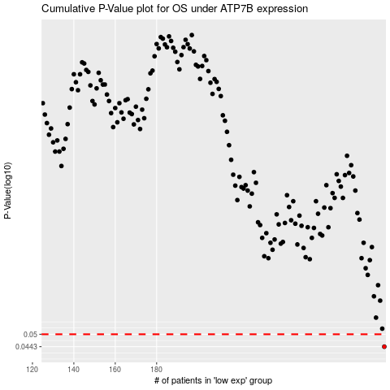

 |  |  |  |  |  | cases_OS | p_OS | rank | exp
 |  |  |  |  |  | 290 | 0.0443 | 372 | 0.00036468876408
 |  |  |  |  |  |  | cases_RFS | p_RFS | rank | exp
 |  |  |  |  |  |  | 289 | 0.0443 | 305 | -0.0046346745708

