ATP8B5P _multivariate
Reported by Tex Li-Hsing Chi. tex@gate.sinica.edu.tw 2019-08-21

Table 2. The clinicopathological features of HNSCC cohort and ATP8B5P expression. (Chi square test)
Cutoff at -0.299 (50.0%)
 |  | ATP8B5P expression |  | ATP8B5P expression |  | (Optimised)
 | Features | Low | (%) | High | (%) | Case no | P-value | Remark | Matthews
Gender | Female | 151 | 36.4 | 155 | 37.3 | 415 | 0.8007 | 0 | 0
2 | Male | 56 | 13.5 | 53 | 12.8
Age at diagnosis | <=65y | 137 | 33 | 137 | 33 | 415 | 1 | 0 | 0
4 | >65y | 70 | 16.9 | 71 | 17.1
Clinical T Status | T1+T2 | 79 | 19 | 70 | 16.9 | 415 | 0.3924 | 0 | 0
6 | T3+T4 | 128 | 30.8 | 138 | 33.3
Clinical N Status | N0 | 104 | 25.1 | 112 | 27 | 415 | 0.5243 | 0 | 0
8 | N1-3 | 103 | 24.8 | 96 | 23.1
Clinical M Status | M0 | 206 | 49.6 | 206 | 49.6 | 415 | 1 | 0 | 0
10 | M1 | 1 | 0.2 | 2 | 0.5
Clinical Stage | Stage I+II | 56 | 13.5 | 46 | 11.1 | 415 | 0.2918 | 0 | 0
12 | Stage III+IV | 151 | 36.4 | 162 | 39
Surgical Margin status | Negative | 167 | 40.2 | 151 | 36.4 | 415 | 0.0632 | 0 | 0
14 | Positive | 40 | 9.6 | 57 | 13.7
Tobacco Exposure | Low | 77 | 18.6 | 84 | 20.2 | 415 | 0.5459 | 0 | 0
16 | High | 130 | 31.3 | 124 | 29.9

Table 3. Univariate/Multivariate Cox's proportional hazards regression analyses on OS time of ATP8B5P gene expression in HNSCC

 |  | Univariate |  |  |  | Multivariate
 | Features | HR | CI95%(L) | CI95%(H) | P-value | HR | CI95%(L) | CI95%(H) | P-value
1 | Female | 1 |  |  |  | 1
Gender | Male | 1.157 | 0.843 | 1.587 | 0.367 | 1.23 | 0.88 | 1.72 | 0.226
11 | <=65y | 1 |  |  |  | 1
Age at diagnosis | >65y | 1.329 | 0.99 | 1.784 | 0.058 | 1.387 | 1.021 | 1.885 | 0.036
12 | T1+T2 | 1 |  |  |  | 1
Clinical T Status | T3+T4 | 1.409 | 1.028 | 1.931 | 0.033 | 2.169 | 1.147 | 4.102 | 0.017
13 | N0 | 1 |  |  |  | 1
Clinical N Status | N1-3 | 1.185 | 0.89 | 1.577 | 0.246 | 1.207 | 0.843 | 1.728 | 0.303
14 | M0 | 1 |  |  |  | 1
Clinical M Status | M1 | 4.097 | 1.009 | 16.644 | 0.049 | 9.976 | 2.171 | 45.849 | 0.003
15 | Stage I+II | 1 |  |  |  | 1
Clinical Stage | Stage III+IV | 1.245 | 0.882 | 1.759 | 0.213 | 0.526 | 0.245 | 1.133 | 0.101
16 | Negative | 1 |  |  |  | 1
Surgical Margin status | Positive | 1.591 | 1.155 | 2.191 | 0.004 | 1.713 | 1.237 | 2.373 | 0.001
17 | Low | 1 |  |  |  | 1
Tobacco Exposure | High | 1.364 | 1.008 | 1.844 | 0.044 | 1.466 | 1.064 | 2.019 | 0.019
18 | Low | 1 |  |  |  | 1
RNAseq(z-score) | High | 0.893 | 0.67 | 1.19 | 0.44 | 0.831 | 0.619 | 1.114 | 0.216

Table 4. Univariate/Multivariate Cox's proportional hazards regression analyses on RFS time of ATP8B5P gene expression in HNSCC

 |  | Univariate |  |  |  | Multivariate
 | Features | HR | CI95%(L) | CI95%(H) | P-value | HR | CI95%(L) | CI95%(H) | P-value
1 | Female | 1 |  |  |  | 1
Gender | Male | 1.157 | 0.843 | 1.587 | 0.367 | 1.23 | 0.88 | 1.72 | 0.226
11 | <=65y | 1 |  |  |  | 1
Age at diagnosis | >65y | 1.329 | 0.99 | 1.784 | 0.058 | 1.387 | 1.021 | 1.885 | 0.036
12 | T1+T2 | 1 |  |  |  | 1
Clinical T Status | T3+T4 | 1.409 | 1.028 | 1.931 | 0.033 | 2.169 | 1.147 | 4.102 | 0.017
13 | N0 | 1 |  |  |  | 1
Clinical N Status | N1-3 | 1.185 | 0.89 | 1.577 | 0.246 | 1.207 | 0.843 | 1.728 | 0.303
14 | M0 | 1 |  |  |  | 1
Clinical M Status | M1 | 4.097 | 1.009 | 16.644 | 0.049 | 9.976 | 2.171 | 45.849 | 0.003
15 | Stage I+II | 1 |  |  |  | 1
Clinical Stage | Stage III+IV | 1.245 | 0.882 | 1.759 | 0.213 | 0.526 | 0.245 | 1.133 | 0.101
16 | Negative | 1 |  |  |  | 1
Surgical Margin status | Positive | 1.591 | 1.155 | 2.191 | 0.004 | 1.713 | 1.237 | 2.373 | 0.001
17 | Low | 1 |  |  |  | 1
Tobacco Exposure | High | 1.364 | 1.008 | 1.844 | 0.044 | 1.466 | 1.064 | 2.019 | 0.019
18 | Low | 1 |  |  |  | 1
RNAseq(z-score) | High | 0.893 | 0.67 | 1.19 | 0.44 | 0.831 | 0.619 | 1.114 | 0.216

Kaplan-Meier survival estimate: Cutoff at -0.299 (50.0%)



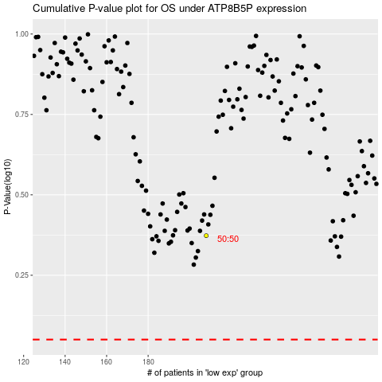

 |  |  |  |  |  | cases_OS | p_OS | rank | exp
 |  |  |  |  |  |  | cases_RFS | p_RFS | rank | exp

