ATPAF1 _multivariate
Reported by Tex Li-Hsing Chi. tex@gate.sinica.edu.tw 2019-08-21

Table 2. The clinicopathological features of HNSCC cohort and ATPAF1 expression. (Chi square test)
Cutoff at -0.328 (49.8%)
 |  | ATPAF1 expression |  | ATPAF1 expression |  | (Optimised)
 | Features | Low | (%) | High | (%) | Case no | P-value | Remark | Matthews
Gender | Female | 146 | 35.2 | 160 | 38.6 | 415 | 0.1714 | 0 | 0
2 | Male | 61 | 14.7 | 48 | 11.6
Age at diagnosis | <=65y | 127 | 30.6 | 147 | 35.4 | 415 | 0.0573 | 0 | 0
4 | >65y | 80 | 19.3 | 61 | 14.7
Clinical T Status | T1+T2 | 62 | 14.9 | 87 | 21 | 415 | 0.0156 | 1 | 0
6 | T3+T4 | 145 | 34.9 | 121 | 29.2
Clinical N Status | N0 | 104 | 25.1 | 112 | 27 | 415 | 0.5243 | 0 | 0
8 | N1-3 | 103 | 24.8 | 96 | 23.1
Clinical M Status | M0 | 205 | 49.4 | 207 | 49.9 | 415 | 0.6232 | 0 | 0
10 | M1 | 2 | 0.5 | 1 | 0.2
Clinical Stage | Stage I+II | 45 | 10.8 | 57 | 13.7 | 415 | 0.2202 | 0 | 0
12 | Stage III+IV | 162 | 39 | 151 | 36.4
Surgical Margin status | Negative | 158 | 38.1 | 160 | 38.6 | 415 | 0.9081 | 0 | 0
14 | Positive | 49 | 11.8 | 48 | 11.6
Tobacco Exposure | Low | 90 | 21.7 | 71 | 17.1 | 415 | 0.0559 | 0 | 0
16 | High | 117 | 28.2 | 137 | 33

Table 3. Univariate/Multivariate Cox's proportional hazards regression analyses on OS time of ATPAF1 gene expression in HNSCC

 |  | Univariate |  |  |  | Multivariate
 | Features | HR | CI95%(L) | CI95%(H) | P-value | HR | CI95%(L) | CI95%(H) | P-value
1 | Female | 1 |  |  |  | 1
Gender | Male | 1.157 | 0.843 | 1.587 | 0.367 | 1.195 | 0.855 | 1.671 | 0.298
11 | <=65y | 1 |  |  |  | 1
Age at diagnosis | >65y | 1.329 | 0.99 | 1.784 | 0.058 | 1.385 | 1.018 | 1.884 | 0.038
12 | T1+T2 | 1 |  |  |  | 1
Clinical T Status | T3+T4 | 1.409 | 1.028 | 1.931 | 0.033 | 2.17 | 1.144 | 4.117 | 0.018
13 | N0 | 1 |  |  |  | 1
Clinical N Status | N1-3 | 1.185 | 0.89 | 1.577 | 0.246 | 1.236 | 0.866 | 1.765 | 0.242
14 | M0 | 1 |  |  |  | 1
Clinical M Status | M1 | 4.097 | 1.009 | 16.644 | 0.049 | 9.109 | 1.975 | 42.016 | 0.005
15 | Stage I+II | 1 |  |  |  | 1
Clinical Stage | Stage III+IV | 1.245 | 0.882 | 1.759 | 0.213 | 0.51 | 0.237 | 1.096 | 0.085
16 | Negative | 1 |  |  |  | 1
Surgical Margin status | Positive | 1.591 | 1.155 | 2.191 | 0.004 | 1.674 | 1.211 | 2.313 | 0.002
17 | Low | 1 |  |  |  | 1
Tobacco Exposure | High | 1.364 | 1.008 | 1.844 | 0.044 | 1.471 | 1.063 | 2.038 | 0.02
18 | Low | 1 |  |  |  | 1
RNAseq(z-score) | High | 0.89 | 0.668 | 1.185 | 0.424 | 0.933 | 0.694 | 1.254 | 0.646

Table 4. Univariate/Multivariate Cox's proportional hazards regression analyses on RFS time of ATPAF1 gene expression in HNSCC

 |  | Univariate |  |  |  | Multivariate
 | Features | HR | CI95%(L) | CI95%(H) | P-value | HR | CI95%(L) | CI95%(H) | P-value
1 | Female | 1 |  |  |  | 1
Gender | Male | 1.157 | 0.843 | 1.587 | 0.367 | 1.195 | 0.855 | 1.671 | 0.298
11 | <=65y | 1 |  |  |  | 1
Age at diagnosis | >65y | 1.329 | 0.99 | 1.784 | 0.058 | 1.385 | 1.018 | 1.884 | 0.038
12 | T1+T2 | 1 |  |  |  | 1
Clinical T Status | T3+T4 | 1.409 | 1.028 | 1.931 | 0.033 | 2.17 | 1.144 | 4.117 | 0.018
13 | N0 | 1 |  |  |  | 1
Clinical N Status | N1-3 | 1.185 | 0.89 | 1.577 | 0.246 | 1.236 | 0.866 | 1.765 | 0.242
14 | M0 | 1 |  |  |  | 1
Clinical M Status | M1 | 4.097 | 1.009 | 16.644 | 0.049 | 9.109 | 1.975 | 42.016 | 0.005
15 | Stage I+II | 1 |  |  |  | 1
Clinical Stage | Stage III+IV | 1.245 | 0.882 | 1.759 | 0.213 | 0.51 | 0.237 | 1.096 | 0.085
16 | Negative | 1 |  |  |  | 1
Surgical Margin status | Positive | 1.591 | 1.155 | 2.191 | 0.004 | 1.674 | 1.211 | 2.313 | 0.002
17 | Low | 1 |  |  |  | 1
Tobacco Exposure | High | 1.364 | 1.008 | 1.844 | 0.044 | 1.471 | 1.063 | 2.038 | 0.02
18 | Low | 1 |  |  |  | 1
RNAseq(z-score) | High | 0.89 | 0.668 | 1.185 | 0.424 | 0.933 | 0.694 | 1.254 | 0.646

Kaplan-Meier survival estimate: Cutoff at -0.328 (49.8%)



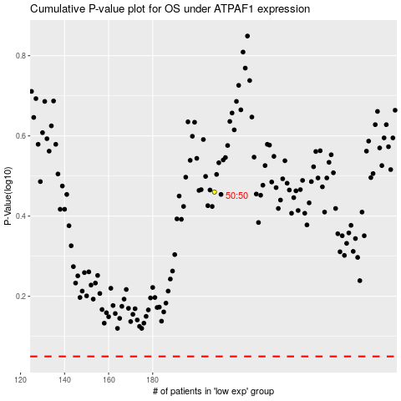

 |  |  |  |  |  | cases_OS | p_OS | rank | exp
 |  |  |  |  |  |  | cases_RFS | p_RFS | rank | exp

