ATPIF1 _multivariate
Reported by Tex Li-Hsing Chi. tex@gate.sinica.edu.tw 2019-08-21

Table 2. The clinicopathological features of HNSCC cohort and ATPIF1 expression. (Chi square test)
Cutoff at -0.282 (50.0%)
 |  | ATPIF1 expression |  | ATPIF1 expression |  | (Optimised)
 | Features | Low | (%) | High | (%) | Case no | P-value | Remark | Matthews
Gender | Female | 152 | 36.6 | 154 | 37.1 | 415 | 0.9766 | 0 | 0
2 | Male | 55 | 13.3 | 54 | 13
Age at diagnosis | <=65y | 136 | 32.8 | 138 | 33.3 | 415 | 0.9719 | 0 | 0
4 | >65y | 71 | 17.1 | 70 | 16.9
Clinical T Status | T1+T2 | 71 | 17.1 | 78 | 18.8 | 415 | 0.5638 | 0 | 0
6 | T3+T4 | 136 | 32.8 | 130 | 31.3
Clinical N Status | N0 | 110 | 26.5 | 106 | 25.5 | 415 | 0.7294 | 0 | 0
8 | N1-3 | 97 | 23.4 | 102 | 24.6
Clinical M Status | M0 | 207 | 49.9 | 205 | 49.4 | 415 | 0.2482 | 0 | 0
10 | M1 | 0 | 0 | 3 | 0.7
Clinical Stage | Stage I+II | 51 | 12.3 | 51 | 12.3 | 415 | 1 | 0 | 0
12 | Stage III+IV | 156 | 37.6 | 157 | 37.8
Surgical Margin status | Negative | 162 | 39 | 156 | 37.6 | 415 | 0.4867 | 0 | 0
14 | Positive | 45 | 10.8 | 52 | 12.5
Tobacco Exposure | Low | 70 | 16.9 | 91 | 21.9 | 415 | 0.0439 | 1 | 0
16 | High | 137 | 33 | 117 | 28.2

Table 3. Univariate/Multivariate Cox's proportional hazards regression analyses on OS time of ATPIF1 gene expression in HNSCC

 |  | Univariate |  |  |  | Multivariate
 | Features | HR | CI95%(L) | CI95%(H) | P-value | HR | CI95%(L) | CI95%(H) | P-value
1 | Female | 1 |  |  |  | 1
Gender | Male | 1.157 | 0.843 | 1.587 | 0.367 | 1.223 | 0.874 | 1.71 | 0.24
11 | <=65y | 1 |  |  |  | 1
Age at diagnosis | >65y | 1.329 | 0.99 | 1.784 | 0.058 | 1.385 | 1.019 | 1.883 | 0.038
12 | T1+T2 | 1 |  |  |  | 1
Clinical T Status | T3+T4 | 1.409 | 1.028 | 1.931 | 0.033 | 2.175 | 1.15 | 4.115 | 0.017
13 | N0 | 1 |  |  |  | 1
Clinical N Status | N1-3 | 1.185 | 0.89 | 1.577 | 0.246 | 1.24 | 0.869 | 1.769 | 0.235
14 | M0 | 1 |  |  |  | 1
Clinical M Status | M1 | 4.097 | 1.009 | 16.644 | 0.049 | 10.187 | 2.205 | 47.052 | 0.003
15 | Stage I+II | 1 |  |  |  | 1
Clinical Stage | Stage III+IV | 1.245 | 0.882 | 1.759 | 0.213 | 0.511 | 0.238 | 1.098 | 0.085
16 | Negative | 1 |  |  |  | 1
Surgical Margin status | Positive | 1.591 | 1.155 | 2.191 | 0.004 | 1.693 | 1.224 | 2.341 | 0.001
17 | Low | 1 |  |  |  | 1
Tobacco Exposure | High | 1.364 | 1.008 | 1.844 | 0.044 | 1.455 | 1.056 | 2.004 | 0.022
18 | Low | 1 |  |  |  | 1
RNAseq(z-score) | High | 0.886 | 0.665 | 1.182 | 0.411 | 0.853 | 0.636 | 1.143 | 0.286

Table 4. Univariate/Multivariate Cox's proportional hazards regression analyses on RFS time of ATPIF1 gene expression in HNSCC

 |  | Univariate |  |  |  | Multivariate
 | Features | HR | CI95%(L) | CI95%(H) | P-value | HR | CI95%(L) | CI95%(H) | P-value
1 | Female | 1 |  |  |  | 1
Gender | Male | 1.157 | 0.843 | 1.587 | 0.367 | 1.223 | 0.874 | 1.71 | 0.24
11 | <=65y | 1 |  |  |  | 1
Age at diagnosis | >65y | 1.329 | 0.99 | 1.784 | 0.058 | 1.385 | 1.019 | 1.883 | 0.038
12 | T1+T2 | 1 |  |  |  | 1
Clinical T Status | T3+T4 | 1.409 | 1.028 | 1.931 | 0.033 | 2.175 | 1.15 | 4.115 | 0.017
13 | N0 | 1 |  |  |  | 1
Clinical N Status | N1-3 | 1.185 | 0.89 | 1.577 | 0.246 | 1.24 | 0.869 | 1.769 | 0.235
14 | M0 | 1 |  |  |  | 1
Clinical M Status | M1 | 4.097 | 1.009 | 16.644 | 0.049 | 10.187 | 2.205 | 47.052 | 0.003
15 | Stage I+II | 1 |  |  |  | 1
Clinical Stage | Stage III+IV | 1.245 | 0.882 | 1.759 | 0.213 | 0.511 | 0.238 | 1.098 | 0.085
16 | Negative | 1 |  |  |  | 1
Surgical Margin status | Positive | 1.591 | 1.155 | 2.191 | 0.004 | 1.693 | 1.224 | 2.341 | 0.001
17 | Low | 1 |  |  |  | 1
Tobacco Exposure | High | 1.364 | 1.008 | 1.844 | 0.044 | 1.455 | 1.056 | 2.004 | 0.022
18 | Low | 1 |  |  |  | 1
RNAseq(z-score) | High | 0.886 | 0.665 | 1.182 | 0.411 | 0.853 | 0.636 | 1.143 | 0.286

Kaplan-Meier survival estimate: Cutoff at -0.282 (50.0%)

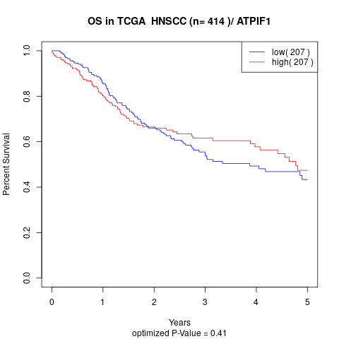

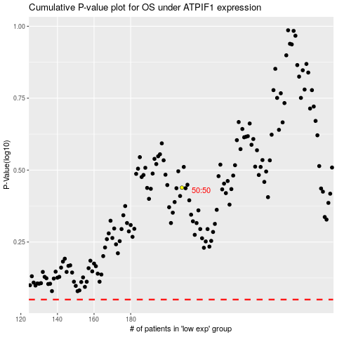

 |  |  |  |  |  | cases_OS | p_OS | rank | exp
 |  |  |  |  |  |  | cases_RFS | p_RFS | rank | exp

