ATRIP _multivariate
Reported by Tex Li-Hsing Chi. tex@gate.sinica.edu.tw 2019-08-21

Table 2. The clinicopathological features of HNSCC cohort and ATRIP expression. (Chi square test)
Cutoff at 0.086 (68.4%)
 |  | ATRIP expression |  | ATRIP expression |  | (Optimised)
 | Features | Low | (%) | High | (%) | Case no | P-value | Remark | Matthews
Gender | Female | 215 | 51.8 | 91 | 21.9 | 415 | 0.2216 | 0 | 0
2 | Male | 69 | 16.6 | 40 | 9.6
Age at diagnosis | <=65y | 194 | 46.7 | 80 | 19.3 | 415 | 0.1815 | 0 | 0
4 | >65y | 90 | 21.7 | 51 | 12.3
Clinical T Status | T1+T2 | 104 | 25.1 | 45 | 10.8 | 415 | 0.7356 | 0 | 0
6 | T3+T4 | 180 | 43.4 | 86 | 20.7
Clinical N Status | N0 | 142 | 34.2 | 74 | 17.8 | 415 | 0.261 | 0 | 0
8 | N1-3 | 142 | 34.2 | 57 | 13.7
Clinical M Status | M0 | 283 | 68.2 | 129 | 31.1 | 415 | 0.2354 | 0 | 0
10 | M1 | 1 | 0.2 | 2 | 0.5
Clinical Stage | Stage I+II | 76 | 18.3 | 26 | 6.3 | 415 | 0.1622 | 0 | 0
12 | Stage III+IV | 208 | 50.1 | 105 | 25.3
Surgical Margin status | Negative | 221 | 53.3 | 97 | 23.4 | 415 | 0.4541 | 0 | 0
14 | Positive | 63 | 15.2 | 34 | 8.2
Tobacco Exposure | Low | 102 | 24.6 | 59 | 14.2 | 415 | 0.0834 | 0 | 0
16 | High | 182 | 43.9 | 72 | 17.3

Table 3. Univariate/Multivariate Cox's proportional hazards regression analyses on OS time of ATRIP gene expression in HNSCC

 |  | Univariate |  |  |  | Multivariate
 | Features | HR | CI95%(L) | CI95%(H) | P-value | HR | CI95%(L) | CI95%(H) | P-value
1 | Female | 1 |  |  |  | 1
Gender | Male | 1.157 | 0.843 | 1.587 | 0.367 | 1.257 | 0.898 | 1.761 | 0.182
11 | <=65y | 1 |  |  |  | 1
Age at diagnosis | >65y | 1.329 | 0.99 | 1.784 | 0.058 | 1.446 | 1.062 | 1.968 | 0.019
12 | T1+T2 | 1 |  |  |  | 1
Clinical T Status | T3+T4 | 1.409 | 1.028 | 1.931 | 0.033 | 2.108 | 1.115 | 3.989 | 0.022
13 | N0 | 1 |  |  |  | 1
Clinical N Status | N1-3 | 1.185 | 0.89 | 1.577 | 0.246 | 1.146 | 0.799 | 1.642 | 0.459
14 | M0 | 1 |  |  |  | 1
Clinical M Status | M1 | 4.097 | 1.009 | 16.644 | 0.049 | 10.576 | 2.3 | 48.641 | 0.002
15 | Stage I+II | 1 |  |  |  | 1
Clinical Stage | Stage III+IV | 1.245 | 0.882 | 1.759 | 0.213 | 0.565 | 0.262 | 1.218 | 0.145
16 | Negative | 1 |  |  |  | 1
Surgical Margin status | Positive | 1.591 | 1.155 | 2.191 | 0.004 | 1.768 | 1.275 | 2.451 | 0.001
17 | Low | 1 |  |  |  | 1
Tobacco Exposure | High | 1.364 | 1.008 | 1.844 | 0.044 | 1.422 | 1.03 | 1.964 | 0.033
18 | Low | 1 |  |  |  | 1
RNAseq(z-score) | High | 0.712 | 0.514 | 0.985 | 0.04 | 0.65 | 0.464 | 0.912 | 0.013

Table 4. Univariate/Multivariate Cox's proportional hazards regression analyses on RFS time of ATRIP gene expression in HNSCC

 |  | Univariate |  |  |  | Multivariate
 | Features | HR | CI95%(L) | CI95%(H) | P-value | HR | CI95%(L) | CI95%(H) | P-value
1 | Female | 1 |  |  |  | 1
Gender | Male | 1.157 | 0.843 | 1.587 | 0.367 | 1.257 | 0.898 | 1.761 | 0.182
11 | <=65y | 1 |  |  |  | 1
Age at diagnosis | >65y | 1.329 | 0.99 | 1.784 | 0.058 | 1.446 | 1.062 | 1.968 | 0.019
12 | T1+T2 | 1 |  |  |  | 1
Clinical T Status | T3+T4 | 1.409 | 1.028 | 1.931 | 0.033 | 2.108 | 1.115 | 3.989 | 0.022
13 | N0 | 1 |  |  |  | 1
Clinical N Status | N1-3 | 1.185 | 0.89 | 1.577 | 0.246 | 1.146 | 0.799 | 1.642 | 0.459
14 | M0 | 1 |  |  |  | 1
Clinical M Status | M1 | 4.097 | 1.009 | 16.644 | 0.049 | 10.576 | 2.3 | 48.641 | 0.002
15 | Stage I+II | 1 |  |  |  | 1
Clinical Stage | Stage III+IV | 1.245 | 0.882 | 1.759 | 0.213 | 0.565 | 0.262 | 1.218 | 0.145
16 | Negative | 1 |  |  |  | 1
Surgical Margin status | Positive | 1.591 | 1.155 | 2.191 | 0.004 | 1.768 | 1.275 | 2.451 | 0.001
17 | Low | 1 |  |  |  | 1
Tobacco Exposure | High | 1.364 | 1.008 | 1.844 | 0.044 | 1.422 | 1.03 | 1.964 | 0.033
18 | Low | 1 |  |  |  | 1
RNAseq(z-score) | High | 0.712 | 0.514 | 0.985 | 0.04 | 0.65 | 0.464 | 0.912 | 0.013

Kaplan-Meier survival estimate: Cutoff at 0.086 (68.4%)

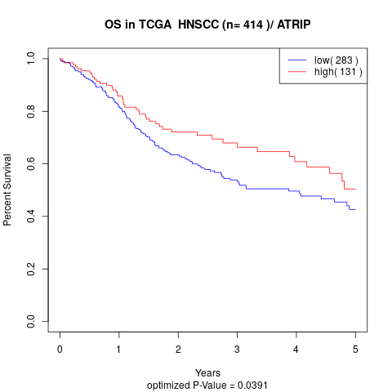

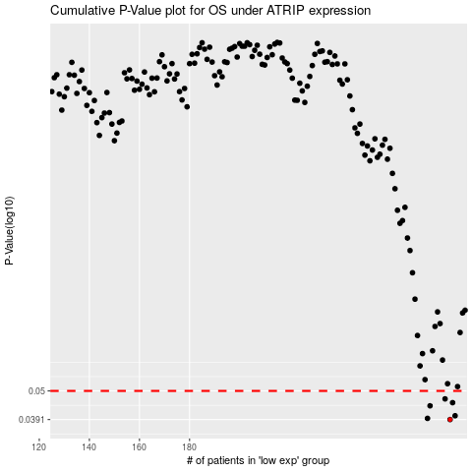

 |  |  |  |  |  | cases_OS | p_OS | rank | exp
 |  |  |  |  |  | 284 | 0.0391 | 293 | 0.085893545013
 |  |  |  |  |  | 275 | 0.0395 | 8 | 0.059437055627
 |  |  |  |  |  | 286 | 0.0404 | 50 | 0.096608148521
 |  |  |  |  |  | 276 | 0.044 | 205 | 0.063886320462
 |  |  |  |  |  | 285 | 0.0452 | 254 | 0.089786458297
 |  |  |  |  |  | 282 | 0.0467 | 36 | 0.08067204256
 |  |  |  |  |  |  | cases_RFS | p_RFS | rank | exp
 |  |  |  |  |  |  | 283 | 0.0391 | 204 | 0.083276603505
 |  |  |  |  |  |  | 274 | 0.0395 | 264 | 0.058045789858
 |  |  |  |  |  |  | 285 | 0.0404 | 254 | 0.089786458297
 |  |  |  |  |  |  | 275 | 0.044 | 8 | 0.059437055627
 |  |  |  |  |  |  | 284 | 0.0452 | 293 | 0.085893545013
 |  |  |  |  |  |  | 281 | 0.0467 | 201 | 0.077320778908

