ATRNL1 _multivariate
Reported by Tex Li-Hsing Chi. tex@gate.sinica.edu.tw 2019-08-21

Table 2. The clinicopathological features of HNSCC cohort and ATRNL1 expression. (Chi square test)
Cutoff at -0.296 (50.0%)
 |  | ATRNL1 expression |  | ATRNL1 expression |  | (Optimised)
 | Features | Low | (%) | High | (%) | Case no | P-value | Remark | Matthews
Gender | Female | 148 | 35.7 | 158 | 38.1 | 415 | 0.3567 | 0 | 0
2 | Male | 59 | 14.2 | 50 | 12
Age at diagnosis | <=65y | 132 | 31.8 | 142 | 34.2 | 415 | 0.3874 | 0 | 0
4 | >65y | 75 | 18.1 | 66 | 15.9
Clinical T Status | T1+T2 | 68 | 16.4 | 81 | 19.5 | 415 | 0.2336 | 0 | 0
6 | T3+T4 | 139 | 33.5 | 127 | 30.6
Clinical N Status | N0 | 98 | 23.6 | 118 | 28.4 | 415 | 0.0694 | 0 | 0
8 | N1-3 | 109 | 26.3 | 90 | 21.7
Clinical M Status | M0 | 204 | 49.2 | 208 | 50.1 | 415 | 0.1232 | 0 | 0
10 | M1 | 3 | 0.7 | 0 | 0
Clinical Stage | Stage I+II | 44 | 10.6 | 58 | 14 | 415 | 0.1459 | 0 | 0
12 | Stage III+IV | 163 | 39.3 | 150 | 36.1
Surgical Margin status | Negative | 157 | 37.8 | 161 | 38.8 | 415 | 0.729 | 0 | 0
14 | Positive | 50 | 12 | 47 | 11.3
Tobacco Exposure | Low | 97 | 23.4 | 64 | 15.4 | 415 | 9e-04 | 1 | 0
16 | High | 110 | 26.5 | 144 | 34.7

Table 3. Univariate/Multivariate Cox's proportional hazards regression analyses on OS time of ATRNL1 gene expression in HNSCC

 |  | Univariate |  |  |  | Multivariate
 | Features | HR | CI95%(L) | CI95%(H) | P-value | HR | CI95%(L) | CI95%(H) | P-value
1 | Female | 1 |  |  |  | 1
Gender | Male | 1.157 | 0.843 | 1.587 | 0.367 | 1.201 | 0.86 | 1.678 | 0.282
11 | <=65y | 1 |  |  |  | 1
Age at diagnosis | >65y | 1.329 | 0.99 | 1.784 | 0.058 | 1.391 | 1.023 | 1.891 | 0.035
12 | T1+T2 | 1 |  |  |  | 1
Clinical T Status | T3+T4 | 1.409 | 1.028 | 1.931 | 0.033 | 2.2 | 1.163 | 4.16 | 0.015
13 | N0 | 1 |  |  |  | 1
Clinical N Status | N1-3 | 1.185 | 0.89 | 1.577 | 0.246 | 1.238 | 0.866 | 1.769 | 0.241
14 | M0 | 1 |  |  |  | 1
Clinical M Status | M1 | 4.097 | 1.009 | 16.644 | 0.049 | 9.314 | 2.019 | 42.972 | 0.004
15 | Stage I+II | 1 |  |  |  | 1
Clinical Stage | Stage III+IV | 1.245 | 0.882 | 1.759 | 0.213 | 0.505 | 0.235 | 1.083 | 0.079
16 | Negative | 1 |  |  |  | 1
Surgical Margin status | Positive | 1.591 | 1.155 | 2.191 | 0.004 | 1.671 | 1.209 | 2.309 | 0.002
17 | Low | 1 |  |  |  | 1
Tobacco Exposure | High | 1.364 | 1.008 | 1.844 | 0.044 | 1.461 | 1.051 | 2.031 | 0.024
18 | Low | 1 |  |  |  | 1
RNAseq(z-score) | High | 0.973 | 0.731 | 1.296 | 0.853 | 0.979 | 0.726 | 1.32 | 0.891

Table 4. Univariate/Multivariate Cox's proportional hazards regression analyses on RFS time of ATRNL1 gene expression in HNSCC

 |  | Univariate |  |  |  | Multivariate
 | Features | HR | CI95%(L) | CI95%(H) | P-value | HR | CI95%(L) | CI95%(H) | P-value
1 | Female | 1 |  |  |  | 1
Gender | Male | 1.157 | 0.843 | 1.587 | 0.367 | 1.201 | 0.86 | 1.678 | 0.282
11 | <=65y | 1 |  |  |  | 1
Age at diagnosis | >65y | 1.329 | 0.99 | 1.784 | 0.058 | 1.391 | 1.023 | 1.891 | 0.035
12 | T1+T2 | 1 |  |  |  | 1
Clinical T Status | T3+T4 | 1.409 | 1.028 | 1.931 | 0.033 | 2.2 | 1.163 | 4.16 | 0.015
13 | N0 | 1 |  |  |  | 1
Clinical N Status | N1-3 | 1.185 | 0.89 | 1.577 | 0.246 | 1.238 | 0.866 | 1.769 | 0.241
14 | M0 | 1 |  |  |  | 1
Clinical M Status | M1 | 4.097 | 1.009 | 16.644 | 0.049 | 9.314 | 2.019 | 42.972 | 0.004
15 | Stage I+II | 1 |  |  |  | 1
Clinical Stage | Stage III+IV | 1.245 | 0.882 | 1.759 | 0.213 | 0.505 | 0.235 | 1.083 | 0.079
16 | Negative | 1 |  |  |  | 1
Surgical Margin status | Positive | 1.591 | 1.155 | 2.191 | 0.004 | 1.671 | 1.209 | 2.309 | 0.002
17 | Low | 1 |  |  |  | 1
Tobacco Exposure | High | 1.364 | 1.008 | 1.844 | 0.044 | 1.461 | 1.051 | 2.031 | 0.024
18 | Low | 1 |  |  |  | 1
RNAseq(z-score) | High | 0.973 | 0.731 | 1.296 | 0.853 | 0.979 | 0.726 | 1.32 | 0.891

Kaplan-Meier survival estimate: Cutoff at -0.296 (50.0%)

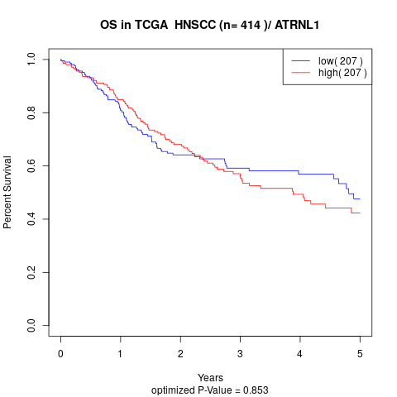

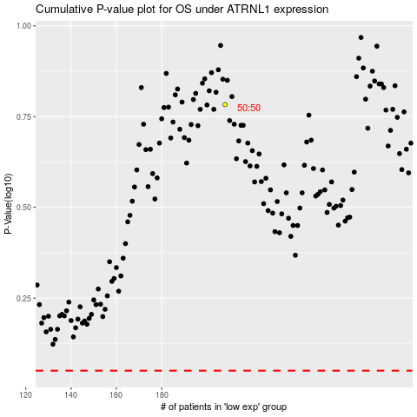

 |  |  |  |  |  | cases_OS | p_OS | rank | exp
 |  |  |  |  |  |  | cases_RFS | p_RFS | rank | exp

