ATXN1L _multivariate
Reported by Tex Li-Hsing Chi. tex@gate.sinica.edu.tw 2019-08-21

Table 2. The clinicopathological features of HNSCC cohort and ATXN1L expression. (Chi square test)
Cutoff at -0.009 (49.8%)
 |  | ATXN1L expression |  | ATXN1L expression |  | (Optimised)
 | Features | Low | (%) | High | (%) | Case no | P-value | Remark | Matthews
Gender | Female | 151 | 36.4 | 155 | 37.3 | 415 | 0.8007 | 0 | 0
2 | Male | 56 | 13.5 | 53 | 12.8
Age at diagnosis | <=65y | 131 | 31.6 | 143 | 34.5 | 415 | 0.2839 | 0 | 0
4 | >65y | 76 | 18.3 | 65 | 15.7
Clinical T Status | T1+T2 | 76 | 18.3 | 73 | 17.6 | 415 | 0.8092 | 0 | 0
6 | T3+T4 | 131 | 31.6 | 135 | 32.5
Clinical N Status | N0 | 117 | 28.2 | 99 | 23.9 | 415 | 0.0852 | 1 | 0
8 | N1-3 | 90 | 21.7 | 109 | 26.3
Clinical M Status | M0 | 204 | 49.2 | 208 | 50.1 | 415 | 0.1232 | 0 | 0
10 | M1 | 3 | 0.7 | 0 | 0
Clinical Stage | Stage I+II | 52 | 12.5 | 50 | 12 | 415 | 0.8871 | 0 | 0
12 | Stage III+IV | 155 | 37.3 | 158 | 38.1
Surgical Margin status | Negative | 152 | 36.6 | 166 | 40 | 415 | 0.1329 | 0 | 0
14 | Positive | 55 | 13.3 | 42 | 10.1
Tobacco Exposure | Low | 92 | 22.2 | 69 | 16.6 | 415 | 0.0206 | 1 | 0
16 | High | 115 | 27.7 | 139 | 33.5

Table 3. Univariate/Multivariate Cox's proportional hazards regression analyses on OS time of ATXN1L gene expression in HNSCC

 |  | Univariate |  |  |  | Multivariate
 | Features | HR | CI95%(L) | CI95%(H) | P-value | HR | CI95%(L) | CI95%(H) | P-value
1 | Female | 1 |  |  |  | 1
Gender | Male | 1.157 | 0.843 | 1.587 | 0.367 | 1.203 | 0.861 | 1.68 | 0.278
11 | <=65y | 1 |  |  |  | 1
Age at diagnosis | >65y | 1.329 | 0.99 | 1.784 | 0.058 | 1.396 | 1.026 | 1.898 | 0.034
12 | T1+T2 | 1 |  |  |  | 1
Clinical T Status | T3+T4 | 1.409 | 1.028 | 1.931 | 0.033 | 2.186 | 1.155 | 4.136 | 0.016
13 | N0 | 1 |  |  |  | 1
Clinical N Status | N1-3 | 1.185 | 0.89 | 1.577 | 0.246 | 1.227 | 0.858 | 1.756 | 0.263
14 | M0 | 1 |  |  |  | 1
Clinical M Status | M1 | 4.097 | 1.009 | 16.644 | 0.049 | 9.79 | 2.119 | 45.234 | 0.003
15 | Stage I+II | 1 |  |  |  | 1
Clinical Stage | Stage III+IV | 1.245 | 0.882 | 1.759 | 0.213 | 0.509 | 0.237 | 1.095 | 0.084
16 | Negative | 1 |  |  |  | 1
Surgical Margin status | Positive | 1.591 | 1.155 | 2.191 | 0.004 | 1.689 | 1.219 | 2.341 | 0.002
17 | Low | 1 |  |  |  | 1
Tobacco Exposure | High | 1.364 | 1.008 | 1.844 | 0.044 | 1.448 | 1.051 | 1.995 | 0.024
18 | Low | 1 |  |  |  | 1
RNAseq(z-score) | High | 1.057 | 0.793 | 1.408 | 0.707 | 1.08 | 0.804 | 1.449 | 0.61

Table 4. Univariate/Multivariate Cox's proportional hazards regression analyses on RFS time of ATXN1L gene expression in HNSCC

 |  | Univariate |  |  |  | Multivariate
 | Features | HR | CI95%(L) | CI95%(H) | P-value | HR | CI95%(L) | CI95%(H) | P-value
1 | Female | 1 |  |  |  | 1
Gender | Male | 1.157 | 0.843 | 1.587 | 0.367 | 1.203 | 0.861 | 1.68 | 0.278
11 | <=65y | 1 |  |  |  | 1
Age at diagnosis | >65y | 1.329 | 0.99 | 1.784 | 0.058 | 1.396 | 1.026 | 1.898 | 0.034
12 | T1+T2 | 1 |  |  |  | 1
Clinical T Status | T3+T4 | 1.409 | 1.028 | 1.931 | 0.033 | 2.186 | 1.155 | 4.136 | 0.016
13 | N0 | 1 |  |  |  | 1
Clinical N Status | N1-3 | 1.185 | 0.89 | 1.577 | 0.246 | 1.227 | 0.858 | 1.756 | 0.263
14 | M0 | 1 |  |  |  | 1
Clinical M Status | M1 | 4.097 | 1.009 | 16.644 | 0.049 | 9.79 | 2.119 | 45.234 | 0.003
15 | Stage I+II | 1 |  |  |  | 1
Clinical Stage | Stage III+IV | 1.245 | 0.882 | 1.759 | 0.213 | 0.509 | 0.237 | 1.095 | 0.084
16 | Negative | 1 |  |  |  | 1
Surgical Margin status | Positive | 1.591 | 1.155 | 2.191 | 0.004 | 1.689 | 1.219 | 2.341 | 0.002
17 | Low | 1 |  |  |  | 1
Tobacco Exposure | High | 1.364 | 1.008 | 1.844 | 0.044 | 1.448 | 1.051 | 1.995 | 0.024
18 | Low | 1 |  |  |  | 1
RNAseq(z-score) | High | 1.057 | 0.793 | 1.408 | 0.707 | 1.08 | 0.804 | 1.449 | 0.61

Kaplan-Meier survival estimate: Cutoff at -0.009 (49.8%)

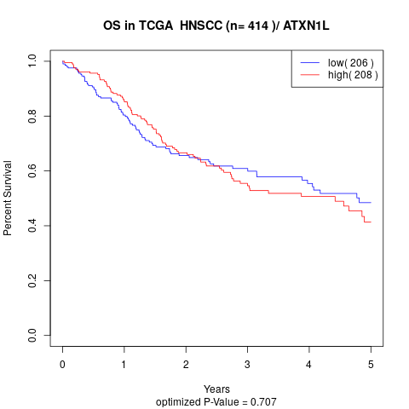

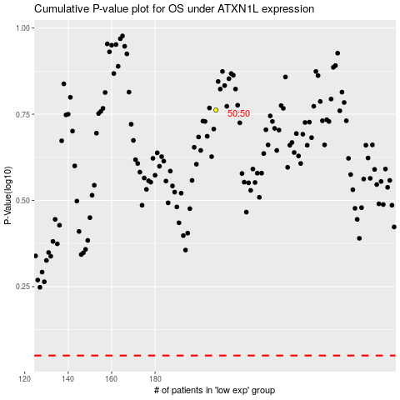

 |  |  |  |  |  | cases_OS | p_OS | rank | exp
 |  |  |  |  |  |  | cases_RFS | p_RFS | rank | exp

