ATXN2L _multivariate
Reported by Tex Li-Hsing Chi. tex@gate.sinica.edu.tw 2019-08-21

Table 2. The clinicopathological features of HNSCC cohort and ATXN2L expression. (Chi square test)
Cutoff at 0.028 (49.8%)
 |  | ATXN2L expression |  | ATXN2L expression |  | (Optimised)
 | Features | Low | (%) | High | (%) | Case no | P-value | Remark | Matthews
Gender | Female | 140 | 33.7 | 166 | 40 | 415 | 0.0068 | 1 | 0
2 | Male | 67 | 16.1 | 42 | 10.1
Age at diagnosis | <=65y | 130 | 31.3 | 144 | 34.7 | 415 | 0.2009 | 0 | 0
4 | >65y | 77 | 18.6 | 64 | 15.4
Clinical T Status | T1+T2 | 87 | 21 | 62 | 14.9 | 415 | 0.0127 | 1 | 0
6 | T3+T4 | 120 | 28.9 | 146 | 35.2
Clinical N Status | N0 | 115 | 27.7 | 101 | 24.3 | 415 | 0.184 | 1 | 0
8 | N1-3 | 92 | 22.2 | 107 | 25.8
Clinical M Status | M0 | 206 | 49.6 | 206 | 49.6 | 415 | 1 | 0 | 0
10 | M1 | 1 | 0.2 | 2 | 0.5
Clinical Stage | Stage I+II | 63 | 15.2 | 39 | 9.4 | 415 | 0.008 | 1 | 0
12 | Stage III+IV | 144 | 34.7 | 169 | 40.7
Surgical Margin status | Negative | 154 | 37.1 | 164 | 39.5 | 415 | 0.2984 | 0 | 0
14 | Positive | 53 | 12.8 | 44 | 10.6
Tobacco Exposure | Low | 93 | 22.4 | 68 | 16.4 | 415 | 0.0118 | 1 | 0
16 | High | 114 | 27.5 | 140 | 33.7

Table 3. Univariate/Multivariate Cox's proportional hazards regression analyses on OS time of ATXN2L gene expression in HNSCC

 |  | Univariate |  |  |  | Multivariate
 | Features | HR | CI95%(L) | CI95%(H) | P-value | HR | CI95%(L) | CI95%(H) | P-value
1 | Female | 1 |  |  |  | 1
Gender | Male | 1.157 | 0.843 | 1.587 | 0.367 | 1.228 | 0.875 | 1.725 | 0.235
11 | <=65y | 1 |  |  |  | 1
Age at diagnosis | >65y | 1.329 | 0.99 | 1.784 | 0.058 | 1.397 | 1.027 | 1.9 | 0.033
12 | T1+T2 | 1 |  |  |  | 1
Clinical T Status | T3+T4 | 1.409 | 1.028 | 1.931 | 0.033 | 2.197 | 1.162 | 4.155 | 0.015
13 | N0 | 1 |  |  |  | 1
Clinical N Status | N1-3 | 1.185 | 0.89 | 1.577 | 0.246 | 1.245 | 0.872 | 1.776 | 0.228
14 | M0 | 1 |  |  |  | 1
Clinical M Status | M1 | 4.097 | 1.009 | 16.644 | 0.049 | 9.415 | 2.054 | 43.163 | 0.004
15 | Stage I+II | 1 |  |  |  | 1
Clinical Stage | Stage III+IV | 1.245 | 0.882 | 1.759 | 0.213 | 0.493 | 0.229 | 1.061 | 0.071
16 | Negative | 1 |  |  |  | 1
Surgical Margin status | Positive | 1.591 | 1.155 | 2.191 | 0.004 | 1.692 | 1.222 | 2.343 | 0.002
17 | Low | 1 |  |  |  | 1
Tobacco Exposure | High | 1.364 | 1.008 | 1.844 | 0.044 | 1.448 | 1.05 | 1.995 | 0.024
18 | Low | 1 |  |  |  | 1
RNAseq(z-score) | High | 1.082 | 0.812 | 1.443 | 0.589 | 1.118 | 0.826 | 1.513 | 0.47

Table 4. Univariate/Multivariate Cox's proportional hazards regression analyses on RFS time of ATXN2L gene expression in HNSCC

 |  | Univariate |  |  |  | Multivariate
 | Features | HR | CI95%(L) | CI95%(H) | P-value | HR | CI95%(L) | CI95%(H) | P-value
1 | Female | 1 |  |  |  | 1
Gender | Male | 1.157 | 0.843 | 1.587 | 0.367 | 1.228 | 0.875 | 1.725 | 0.235
11 | <=65y | 1 |  |  |  | 1
Age at diagnosis | >65y | 1.329 | 0.99 | 1.784 | 0.058 | 1.397 | 1.027 | 1.9 | 0.033
12 | T1+T2 | 1 |  |  |  | 1
Clinical T Status | T3+T4 | 1.409 | 1.028 | 1.931 | 0.033 | 2.197 | 1.162 | 4.155 | 0.015
13 | N0 | 1 |  |  |  | 1
Clinical N Status | N1-3 | 1.185 | 0.89 | 1.577 | 0.246 | 1.245 | 0.872 | 1.776 | 0.228
14 | M0 | 1 |  |  |  | 1
Clinical M Status | M1 | 4.097 | 1.009 | 16.644 | 0.049 | 9.415 | 2.054 | 43.163 | 0.004
15 | Stage I+II | 1 |  |  |  | 1
Clinical Stage | Stage III+IV | 1.245 | 0.882 | 1.759 | 0.213 | 0.493 | 0.229 | 1.061 | 0.071
16 | Negative | 1 |  |  |  | 1
Surgical Margin status | Positive | 1.591 | 1.155 | 2.191 | 0.004 | 1.692 | 1.222 | 2.343 | 0.002
17 | Low | 1 |  |  |  | 1
Tobacco Exposure | High | 1.364 | 1.008 | 1.844 | 0.044 | 1.448 | 1.05 | 1.995 | 0.024
18 | Low | 1 |  |  |  | 1
RNAseq(z-score) | High | 1.082 | 0.812 | 1.443 | 0.589 | 1.118 | 0.826 | 1.513 | 0.47

Kaplan-Meier survival estimate: Cutoff at 0.028 (49.8%)



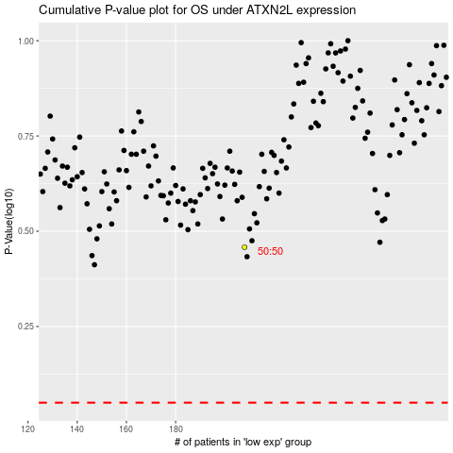

 |  |  |  |  |  | cases_OS | p_OS | rank | exp
 |  |  |  |  |  |  | cases_RFS | p_RFS | rank | exp

