AURKAIP1 _multivariate
Reported by Tex Li-Hsing Chi. tex@gate.sinica.edu.tw 2019-08-21

Table 2. The clinicopathological features of HNSCC cohort and AURKAIP1 expression. (Chi square test)
Cutoff at -0.353 (30.4%)
 |  | AURKAIP1 expression |  | AURKAIP1 expression |  | (Optimised)
 | Features | Low | (%) | High | (%) | Case no | P-value | Remark | Matthews
Gender | Female | 95 | 22.9 | 211 | 50.8 | 415 | 0.699 | 0 | 0
2 | Male | 31 | 7.5 | 78 | 18.8
Age at diagnosis | <=65y | 84 | 20.2 | 190 | 45.8 | 415 | 0.9444 | 0 | 0
4 | >65y | 42 | 10.1 | 99 | 23.9
Clinical T Status | T1+T2 | 43 | 10.4 | 106 | 25.5 | 415 | 0.6988 | 0 | 0
6 | T3+T4 | 83 | 20 | 183 | 44.1
Clinical N Status | N0 | 64 | 15.4 | 152 | 36.6 | 415 | 0.8174 | 0 | 0
8 | N1-3 | 62 | 14.9 | 137 | 33
Clinical M Status | M0 | 126 | 30.4 | 286 | 68.9 | 415 | 0.5566 | 0 | 0
10 | M1 | 0 | 0 | 3 | 0.7
Clinical Stage | Stage I+II | 27 | 6.5 | 75 | 18.1 | 415 | 0.3898 | 0 | 0
12 | Stage III+IV | 99 | 23.9 | 214 | 51.6
Surgical Margin status | Negative | 94 | 22.7 | 224 | 54 | 415 | 0.53 | 0 | 0
14 | Positive | 32 | 7.7 | 65 | 15.7
Tobacco Exposure | Low | 49 | 11.8 | 112 | 27 | 415 | 1 | 0 | 0
16 | High | 77 | 18.6 | 177 | 42.7

Table 3. Univariate/Multivariate Cox's proportional hazards regression analyses on OS time of AURKAIP1 gene expression in HNSCC

 |  | Univariate |  |  |  | Multivariate
 | Features | HR | CI95%(L) | CI95%(H) | P-value | HR | CI95%(L) | CI95%(H) | P-value
1 | Female | 1 |  |  |  | 1
Gender | Male | 1.157 | 0.843 | 1.587 | 0.367 | 1.192 | 0.852 | 1.667 | 0.305
11 | <=65y | 1 |  |  |  | 1
Age at diagnosis | >65y | 1.329 | 0.99 | 1.784 | 0.058 | 1.394 | 1.026 | 1.896 | 0.034
12 | T1+T2 | 1 |  |  |  | 1
Clinical T Status | T3+T4 | 1.409 | 1.028 | 1.931 | 0.033 | 2.201 | 1.165 | 4.157 | 0.015
13 | N0 | 1 |  |  |  | 1
Clinical N Status | N1-3 | 1.185 | 0.89 | 1.577 | 0.246 | 1.244 | 0.872 | 1.774 | 0.229
14 | M0 | 1 |  |  |  | 1
Clinical M Status | M1 | 4.097 | 1.009 | 16.644 | 0.049 | 8.436 | 1.834 | 38.793 | 0.006
15 | Stage I+II | 1 |  |  |  | 1
Clinical Stage | Stage III+IV | 1.245 | 0.882 | 1.759 | 0.213 | 0.525 | 0.245 | 1.126 | 0.098
16 | Negative | 1 |  |  |  | 1
Surgical Margin status | Positive | 1.591 | 1.155 | 2.191 | 0.004 | 1.673 | 1.211 | 2.31 | 0.002
17 | Low | 1 |  |  |  | 1
Tobacco Exposure | High | 1.364 | 1.008 | 1.844 | 0.044 | 1.435 | 1.041 | 1.979 | 0.028
18 | Low | 1 |  |  |  | 1
RNAseq(z-score) | High | 1.416 | 1.024 | 1.958 | 0.036 | 1.41 | 1.017 | 1.956 | 0.039

Table 4. Univariate/Multivariate Cox's proportional hazards regression analyses on RFS time of AURKAIP1 gene expression in HNSCC

 |  | Univariate |  |  |  | Multivariate
 | Features | HR | CI95%(L) | CI95%(H) | P-value | HR | CI95%(L) | CI95%(H) | P-value
1 | Female | 1 |  |  |  | 1
Gender | Male | 1.157 | 0.843 | 1.587 | 0.367 | 1.192 | 0.852 | 1.667 | 0.305
11 | <=65y | 1 |  |  |  | 1
Age at diagnosis | >65y | 1.329 | 0.99 | 1.784 | 0.058 | 1.394 | 1.026 | 1.896 | 0.034
12 | T1+T2 | 1 |  |  |  | 1
Clinical T Status | T3+T4 | 1.409 | 1.028 | 1.931 | 0.033 | 2.201 | 1.165 | 4.157 | 0.015
13 | N0 | 1 |  |  |  | 1
Clinical N Status | N1-3 | 1.185 | 0.89 | 1.577 | 0.246 | 1.244 | 0.872 | 1.774 | 0.229
14 | M0 | 1 |  |  |  | 1
Clinical M Status | M1 | 4.097 | 1.009 | 16.644 | 0.049 | 8.436 | 1.834 | 38.793 | 0.006
15 | Stage I+II | 1 |  |  |  | 1
Clinical Stage | Stage III+IV | 1.245 | 0.882 | 1.759 | 0.213 | 0.525 | 0.245 | 1.126 | 0.098
16 | Negative | 1 |  |  |  | 1
Surgical Margin status | Positive | 1.591 | 1.155 | 2.191 | 0.004 | 1.673 | 1.211 | 2.31 | 0.002
17 | Low | 1 |  |  |  | 1
Tobacco Exposure | High | 1.364 | 1.008 | 1.844 | 0.044 | 1.435 | 1.041 | 1.979 | 0.028
18 | Low | 1 |  |  |  | 1
RNAseq(z-score) | High | 1.416 | 1.024 | 1.958 | 0.036 | 1.41 | 1.017 | 1.956 | 0.039

Kaplan-Meier survival estimate: Cutoff at -0.353 (30.4%)



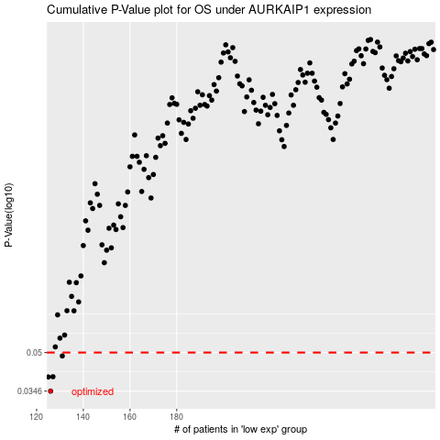

 |  |  |  |  |  | cases_OS | p_OS | rank | exp
 |  |  |  |  |  | 126 | 0.0346 | 401 | -0.35345928719
 |  |  |  |  |  | 125 | 0.0396 | 294 | -0.35384139019
 |  |  |  |  |  | 127 | 0.0397 | 123 | -0.3499308954
 |  |  |  |  |  | 131 | 0.0484 | 338 | -0.34038940622
 |  |  |  |  |  |  | cases_RFS | p_RFS | rank | exp
 |  |  |  |  |  |  | 125 | 0.0346 | 294 | -0.35384139019
 |  |  |  |  |  |  |  | 0.0396 | 176 | -0.35443573235
 |  |  |  |  |  |  | 126 | 0.0397 | 401 | -0.35345928719
 |  |  |  |  |  |  | 130 | 0.0484 | 234 | -0.34348529014

