AURKB _multivariate
Reported by Tex Li-Hsing Chi. tex@gate.sinica.edu.tw 2019-08-21

Table 2. The clinicopathological features of HNSCC cohort and AURKB expression. (Chi square test)
Cutoff at -0.186 (49.8%)
 |  | AURKB expression |  | AURKB expression |  | (Optimised)
 | Features | Low | (%) | High | (%) | Case no | P-value | Remark | Matthews
Gender | Female | 139 | 33.5 | 167 | 40.2 | 415 | 0.0034 | 1 | 0
2 | Male | 68 | 16.4 | 41 | 9.9
Age at diagnosis | <=65y | 135 | 32.5 | 139 | 33.5 | 415 | 0.8084 | 0 | 0
4 | >65y | 72 | 17.3 | 69 | 16.6
Clinical T Status | T1+T2 | 79 | 19 | 70 | 16.9 | 415 | 0.3924 | 0 | 0
6 | T3+T4 | 128 | 30.8 | 138 | 33.3
Clinical N Status | N0 | 117 | 28.2 | 99 | 23.9 | 415 | 0.0852 | 1 | 0
8 | N1-3 | 90 | 21.7 | 109 | 26.3
Clinical M Status | M0 | 206 | 49.6 | 206 | 49.6 | 415 | 1 | 0 | 0
10 | M1 | 1 | 0.2 | 2 | 0.5
Clinical Stage | Stage I+II | 60 | 14.5 | 42 | 10.1 | 415 | 0.0493 | 1 | 0
12 | Stage III+IV | 147 | 35.4 | 166 | 40
Surgical Margin status | Negative | 163 | 39.3 | 155 | 37.3 | 415 | 0.3537 | 0 | 0
14 | Positive | 44 | 10.6 | 53 | 12.8
Tobacco Exposure | Low | 89 | 21.4 | 72 | 17.3 | 415 | 0.0872 | 0 | 0
16 | High | 118 | 28.4 | 136 | 32.8

Table 3. Univariate/Multivariate Cox's proportional hazards regression analyses on OS time of AURKB gene expression in HNSCC

 |  | Univariate |  |  |  | Multivariate
 | Features | HR | CI95%(L) | CI95%(H) | P-value | HR | CI95%(L) | CI95%(H) | P-value
1 | Female | 1 |  |  |  | 1
Gender | Male | 1.157 | 0.843 | 1.587 | 0.367 | 1.186 | 0.848 | 1.659 | 0.319
11 | <=65y | 1 |  |  |  | 1
Age at diagnosis | >65y | 1.329 | 0.99 | 1.784 | 0.058 | 1.397 | 1.028 | 1.9 | 0.033
12 | T1+T2 | 1 |  |  |  | 1
Clinical T Status | T3+T4 | 1.409 | 1.028 | 1.931 | 0.033 | 2.188 | 1.157 | 4.138 | 0.016
13 | N0 | 1 |  |  |  | 1
Clinical N Status | N1-3 | 1.185 | 0.89 | 1.577 | 0.246 | 1.245 | 0.873 | 1.777 | 0.226
14 | M0 | 1 |  |  |  | 1
Clinical M Status | M1 | 4.097 | 1.009 | 16.644 | 0.049 | 9.377 | 2.045 | 42.985 | 0.004
15 | Stage I+II | 1 |  |  |  | 1
Clinical Stage | Stage III+IV | 1.245 | 0.882 | 1.759 | 0.213 | 0.509 | 0.237 | 1.093 | 0.083
16 | Negative | 1 |  |  |  | 1
Surgical Margin status | Positive | 1.591 | 1.155 | 2.191 | 0.004 | 1.677 | 1.213 | 2.317 | 0.002
17 | Low | 1 |  |  |  | 1
Tobacco Exposure | High | 1.364 | 1.008 | 1.844 | 0.044 | 1.462 | 1.061 | 2.015 | 0.02
18 | Low | 1 |  |  |  | 1
RNAseq(z-score) | High | 0.914 | 0.686 | 1.217 | 0.536 | 0.901 | 0.674 | 1.205 | 0.484

Table 4. Univariate/Multivariate Cox's proportional hazards regression analyses on RFS time of AURKB gene expression in HNSCC

 |  | Univariate |  |  |  | Multivariate
 | Features | HR | CI95%(L) | CI95%(H) | P-value | HR | CI95%(L) | CI95%(H) | P-value
1 | Female | 1 |  |  |  | 1
Gender | Male | 1.157 | 0.843 | 1.587 | 0.367 | 1.186 | 0.848 | 1.659 | 0.319
11 | <=65y | 1 |  |  |  | 1
Age at diagnosis | >65y | 1.329 | 0.99 | 1.784 | 0.058 | 1.397 | 1.028 | 1.9 | 0.033
12 | T1+T2 | 1 |  |  |  | 1
Clinical T Status | T3+T4 | 1.409 | 1.028 | 1.931 | 0.033 | 2.188 | 1.157 | 4.138 | 0.016
13 | N0 | 1 |  |  |  | 1
Clinical N Status | N1-3 | 1.185 | 0.89 | 1.577 | 0.246 | 1.245 | 0.873 | 1.777 | 0.226
14 | M0 | 1 |  |  |  | 1
Clinical M Status | M1 | 4.097 | 1.009 | 16.644 | 0.049 | 9.377 | 2.045 | 42.985 | 0.004
15 | Stage I+II | 1 |  |  |  | 1
Clinical Stage | Stage III+IV | 1.245 | 0.882 | 1.759 | 0.213 | 0.509 | 0.237 | 1.093 | 0.083
16 | Negative | 1 |  |  |  | 1
Surgical Margin status | Positive | 1.591 | 1.155 | 2.191 | 0.004 | 1.677 | 1.213 | 2.317 | 0.002
17 | Low | 1 |  |  |  | 1
Tobacco Exposure | High | 1.364 | 1.008 | 1.844 | 0.044 | 1.462 | 1.061 | 2.015 | 0.02
18 | Low | 1 |  |  |  | 1
RNAseq(z-score) | High | 0.914 | 0.686 | 1.217 | 0.536 | 0.901 | 0.674 | 1.205 | 0.484

Kaplan-Meier survival estimate: Cutoff at -0.186 (49.8%)



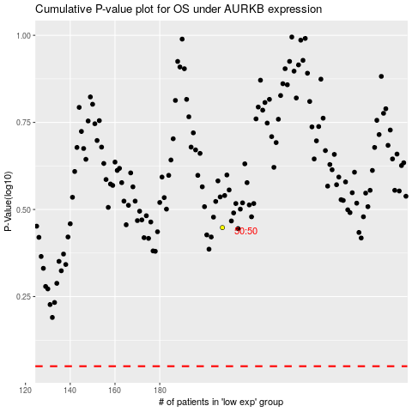

 |  |  |  |  |  | cases_OS | p_OS | rank | exp
 |  |  |  |  |  |  | cases_RFS | p_RFS | rank | exp

