AURKC _multivariate
Reported by Tex Li-Hsing Chi. tex@gate.sinica.edu.tw 2019-08-21

Table 2. The clinicopathological features of HNSCC cohort and AURKC expression. (Chi square test)
Cutoff at -0.123 (50.0%)
 |  | AURKC expression |  | AURKC expression |  | (Optimised)
 | Features | Low | (%) | High | (%) | Case no | P-value | Remark | Matthews
Gender | Female | 161 | 38.8 | 145 | 34.9 | 415 | 0.0792 | 0 | 0
2 | Male | 46 | 11.1 | 63 | 15.2
Age at diagnosis | <=65y | 149 | 35.9 | 125 | 30.1 | 415 | 0.0142 | 1 | 0
4 | >65y | 58 | 14 | 83 | 20
Clinical T Status | T1+T2 | 72 | 17.3 | 77 | 18.6 | 415 | 0.7095 | 0 | 0
6 | T3+T4 | 135 | 32.5 | 131 | 31.6
Clinical N Status | N0 | 108 | 26 | 108 | 26 | 415 | 1 | 0 | 0
8 | N1-3 | 99 | 23.9 | 100 | 24.1
Clinical M Status | M0 | 206 | 49.6 | 206 | 49.6 | 415 | 1 | 0 | 0
10 | M1 | 1 | 0.2 | 2 | 0.5
Clinical Stage | Stage I+II | 50 | 12 | 52 | 12.5 | 415 | 0.9315 | 0 | 0
12 | Stage III+IV | 157 | 37.8 | 156 | 37.6
Surgical Margin status | Negative | 161 | 38.8 | 157 | 37.8 | 415 | 0.6429 | 0 | 0
14 | Positive | 46 | 11.1 | 51 | 12.3
Tobacco Exposure | Low | 74 | 17.8 | 87 | 21 | 415 | 0.227 | 0 | 0
16 | High | 133 | 32 | 121 | 29.2

Table 3. Univariate/Multivariate Cox's proportional hazards regression analyses on OS time of AURKC gene expression in HNSCC

 |  | Univariate |  |  |  | Multivariate
 | Features | HR | CI95%(L) | CI95%(H) | P-value | HR | CI95%(L) | CI95%(H) | P-value
1 | Female | 1 |  |  |  | 1
Gender | Male | 1.157 | 0.843 | 1.587 | 0.367 | 1.232 | 0.882 | 1.723 | 0.221
11 | <=65y | 1 |  |  |  | 1
Age at diagnosis | >65y | 1.329 | 0.99 | 1.784 | 0.058 | 1.437 | 1.055 | 1.957 | 0.021
12 | T1+T2 | 1 |  |  |  | 1
Clinical T Status | T3+T4 | 1.409 | 1.028 | 1.931 | 0.033 | 2.233 | 1.182 | 4.219 | 0.013
13 | N0 | 1 |  |  |  | 1
Clinical N Status | N1-3 | 1.185 | 0.89 | 1.577 | 0.246 | 1.257 | 0.88 | 1.794 | 0.208
14 | M0 | 1 |  |  |  | 1
Clinical M Status | M1 | 4.097 | 1.009 | 16.644 | 0.049 | 10.377 | 2.252 | 47.815 | 0.003
15 | Stage I+II | 1 |  |  |  | 1
Clinical Stage | Stage III+IV | 1.245 | 0.882 | 1.759 | 0.213 | 0.481 | 0.223 | 1.034 | 0.061
16 | Negative | 1 |  |  |  | 1
Surgical Margin status | Positive | 1.591 | 1.155 | 2.191 | 0.004 | 1.691 | 1.223 | 2.337 | 0.001
17 | Low | 1 |  |  |  | 1
Tobacco Exposure | High | 1.364 | 1.008 | 1.844 | 0.044 | 1.466 | 1.065 | 2.018 | 0.019
18 | Low | 1 |  |  |  | 1
RNAseq(z-score) | High | 0.869 | 0.649 | 1.163 | 0.344 | 0.787 | 0.584 | 1.061 | 0.117

Table 4. Univariate/Multivariate Cox's proportional hazards regression analyses on RFS time of AURKC gene expression in HNSCC

 |  | Univariate |  |  |  | Multivariate
 | Features | HR | CI95%(L) | CI95%(H) | P-value | HR | CI95%(L) | CI95%(H) | P-value
1 | Female | 1 |  |  |  | 1
Gender | Male | 1.157 | 0.843 | 1.587 | 0.367 | 1.232 | 0.882 | 1.723 | 0.221
11 | <=65y | 1 |  |  |  | 1
Age at diagnosis | >65y | 1.329 | 0.99 | 1.784 | 0.058 | 1.437 | 1.055 | 1.957 | 0.021
12 | T1+T2 | 1 |  |  |  | 1
Clinical T Status | T3+T4 | 1.409 | 1.028 | 1.931 | 0.033 | 2.233 | 1.182 | 4.219 | 0.013
13 | N0 | 1 |  |  |  | 1
Clinical N Status | N1-3 | 1.185 | 0.89 | 1.577 | 0.246 | 1.257 | 0.88 | 1.794 | 0.208
14 | M0 | 1 |  |  |  | 1
Clinical M Status | M1 | 4.097 | 1.009 | 16.644 | 0.049 | 10.377 | 2.252 | 47.815 | 0.003
15 | Stage I+II | 1 |  |  |  | 1
Clinical Stage | Stage III+IV | 1.245 | 0.882 | 1.759 | 0.213 | 0.481 | 0.223 | 1.034 | 0.061
16 | Negative | 1 |  |  |  | 1
Surgical Margin status | Positive | 1.591 | 1.155 | 2.191 | 0.004 | 1.691 | 1.223 | 2.337 | 0.001
17 | Low | 1 |  |  |  | 1
Tobacco Exposure | High | 1.364 | 1.008 | 1.844 | 0.044 | 1.466 | 1.065 | 2.018 | 0.019
18 | Low | 1 |  |  |  | 1
RNAseq(z-score) | High | 0.869 | 0.649 | 1.163 | 0.344 | 0.787 | 0.584 | 1.061 | 0.117

Kaplan-Meier survival estimate: Cutoff at -0.123 (50.0%)



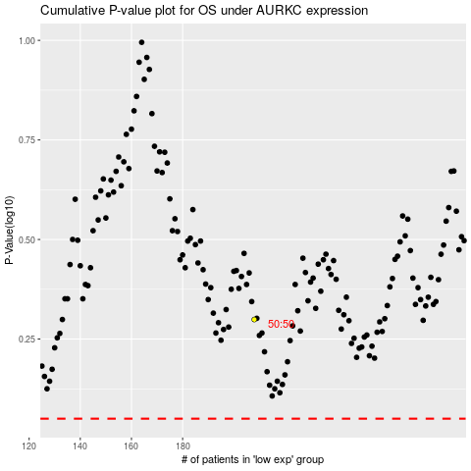

 |  |  |  |  |  | cases_OS | p_OS | rank | exp
 |  |  |  |  |  |  | cases_RFS | p_RFS | rank | exp

