AVEN _multivariate
Reported by Tex Li-Hsing Chi. tex@gate.sinica.edu.tw 2019-08-21

Table 2. The clinicopathological features of HNSCC cohort and AVEN expression. (Chi square test)
Cutoff at -0.251 (43.7%)
 |  | AVEN expression |  | AVEN expression |  | (Optimised)
 | Features | Low | (%) | High | (%) | Case no | P-value | Remark | Matthews
Gender | Female | 139 | 33.5 | 167 | 40.2 | 415 | 0.257 | 0 | 0
2 | Male | 42 | 10.1 | 67 | 16.1
Age at diagnosis | <=65y | 131 | 31.6 | 143 | 34.5 | 415 | 0.0215 | 1 | 0
4 | >65y | 50 | 12 | 91 | 21.9
Clinical T Status | T1+T2 | 70 | 16.9 | 79 | 19 | 415 | 0.3516 | 0 | 0
6 | T3+T4 | 111 | 26.7 | 155 | 37.3
Clinical N Status | N0 | 86 | 20.7 | 130 | 31.3 | 415 | 0.1267 | 0 | 0
8 | N1-3 | 95 | 22.9 | 104 | 25.1
Clinical M Status | M0 | 180 | 43.4 | 232 | 55.9 | 415 | 1 | 0 | 0
10 | M1 | 1 | 0.2 | 2 | 0.5
Clinical Stage | Stage I+II | 45 | 10.8 | 57 | 13.7 | 415 | 0.9976 | 0 | 0
12 | Stage III+IV | 136 | 32.8 | 177 | 42.7
Surgical Margin status | Negative | 140 | 33.7 | 178 | 42.9 | 415 | 0.8154 | 0 | 0
14 | Positive | 41 | 9.9 | 56 | 13.5
Tobacco Exposure | Low | 62 | 14.9 | 99 | 23.9 | 415 | 0.1046 | 0 | 0
16 | High | 119 | 28.7 | 135 | 32.5

Table 3. Univariate/Multivariate Cox's proportional hazards regression analyses on OS time of AVEN gene expression in HNSCC

 |  | Univariate |  |  |  | Multivariate
 | Features | HR | CI95%(L) | CI95%(H) | P-value | HR | CI95%(L) | CI95%(H) | P-value
1 | Female | 1 |  |  |  | 1
Gender | Male | 1.157 | 0.843 | 1.587 | 0.367 | 1.17 | 0.836 | 1.638 | 0.361
11 | <=65y | 1 |  |  |  | 1
Age at diagnosis | >65y | 1.329 | 0.99 | 1.784 | 0.058 | 1.377 | 1.013 | 1.872 | 0.041
12 | T1+T2 | 1 |  |  |  | 1
Clinical T Status | T3+T4 | 1.409 | 1.028 | 1.931 | 0.033 | 2.122 | 1.121 | 4.018 | 0.021
13 | N0 | 1 |  |  |  | 1
Clinical N Status | N1-3 | 1.185 | 0.89 | 1.577 | 0.246 | 1.274 | 0.892 | 1.82 | 0.183
14 | M0 | 1 |  |  |  | 1
Clinical M Status | M1 | 4.097 | 1.009 | 16.644 | 0.049 | 8.445 | 1.831 | 38.951 | 0.006
15 | Stage I+II | 1 |  |  |  | 1
Clinical Stage | Stage III+IV | 1.245 | 0.882 | 1.759 | 0.213 | 0.517 | 0.241 | 1.111 | 0.091
16 | Negative | 1 |  |  |  | 1
Surgical Margin status | Positive | 1.591 | 1.155 | 2.191 | 0.004 | 1.629 | 1.177 | 2.253 | 0.003
17 | Low | 1 |  |  |  | 1
Tobacco Exposure | High | 1.364 | 1.008 | 1.844 | 0.044 | 1.474 | 1.07 | 2.032 | 0.018
18 | Low | 1 |  |  |  | 1
RNAseq(z-score) | High | 1.339 | 0.999 | 1.794 | 0.051 | 1.259 | 0.931 | 1.701 | 0.135

Table 4. Univariate/Multivariate Cox's proportional hazards regression analyses on RFS time of AVEN gene expression in HNSCC

 |  | Univariate |  |  |  | Multivariate
 | Features | HR | CI95%(L) | CI95%(H) | P-value | HR | CI95%(L) | CI95%(H) | P-value
1 | Female | 1 |  |  |  | 1
Gender | Male | 1.157 | 0.843 | 1.587 | 0.367 | 1.17 | 0.836 | 1.638 | 0.361
11 | <=65y | 1 |  |  |  | 1
Age at diagnosis | >65y | 1.329 | 0.99 | 1.784 | 0.058 | 1.377 | 1.013 | 1.872 | 0.041
12 | T1+T2 | 1 |  |  |  | 1
Clinical T Status | T3+T4 | 1.409 | 1.028 | 1.931 | 0.033 | 2.122 | 1.121 | 4.018 | 0.021
13 | N0 | 1 |  |  |  | 1
Clinical N Status | N1-3 | 1.185 | 0.89 | 1.577 | 0.246 | 1.274 | 0.892 | 1.82 | 0.183
14 | M0 | 1 |  |  |  | 1
Clinical M Status | M1 | 4.097 | 1.009 | 16.644 | 0.049 | 8.445 | 1.831 | 38.951 | 0.006
15 | Stage I+II | 1 |  |  |  | 1
Clinical Stage | Stage III+IV | 1.245 | 0.882 | 1.759 | 0.213 | 0.517 | 0.241 | 1.111 | 0.091
16 | Negative | 1 |  |  |  | 1
Surgical Margin status | Positive | 1.591 | 1.155 | 2.191 | 0.004 | 1.629 | 1.177 | 2.253 | 0.003
17 | Low | 1 |  |  |  | 1
Tobacco Exposure | High | 1.364 | 1.008 | 1.844 | 0.044 | 1.474 | 1.07 | 2.032 | 0.018
18 | Low | 1 |  |  |  | 1
RNAseq(z-score) | High | 1.339 | 0.999 | 1.794 | 0.051 | 1.259 | 0.931 | 1.701 | 0.135

Kaplan-Meier survival estimate: Cutoff at -0.251 (43.7%)



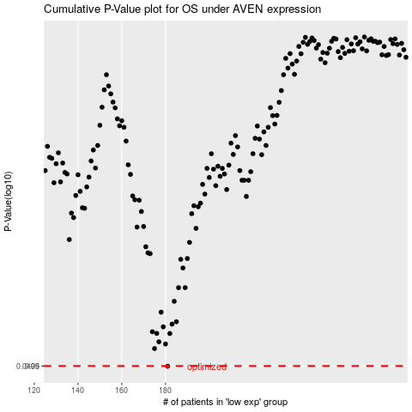

 |  |  |  |  |  | cases_OS | p_OS | rank | exp
 |  |  |  |  |  | 181 | 0.0499 | 70 | -0.25072027744
 |  |  |  |  |  |  | cases_RFS | p_RFS | rank | exp
 |  |  |  |  |  |  | 180 | 0.0499 | 128 | -0.25344455184

