AXIN1 _multivariate
Reported by Tex Li-Hsing Chi. tex@gate.sinica.edu.tw 2019-08-21

Table 2. The clinicopathological features of HNSCC cohort and AXIN1 expression. (Chi square test)
Cutoff at -0.031 (50.0%)
 |  | AXIN1 expression |  | AXIN1 expression |  | (Optimised)
 | Features | Low | (%) | High | (%) | Case no | P-value | Remark | Matthews
Gender | Female | 142 | 34.2 | 164 | 39.5 | 415 | 0.0238 | 1 | 0
2 | Male | 65 | 15.7 | 44 | 10.6
Age at diagnosis | <=65y | 130 | 31.3 | 144 | 34.7 | 415 | 0.2009 | 0 | 0
4 | >65y | 77 | 18.6 | 64 | 15.4
Clinical T Status | T1+T2 | 93 | 22.4 | 56 | 13.5 | 415 | 2e-04 | 1 | 0
6 | T3+T4 | 114 | 27.5 | 152 | 36.6
Clinical N Status | N0 | 115 | 27.7 | 101 | 24.3 | 415 | 0.184 | 1 | 0
8 | N1-3 | 92 | 22.2 | 107 | 25.8
Clinical M Status | M0 | 207 | 49.9 | 205 | 49.4 | 415 | 0.2482 | 0 | 0
10 | M1 | 0 | 0 | 3 | 0.7
Clinical Stage | Stage I+II | 65 | 15.7 | 37 | 8.9 | 415 | 0.0019 | 1 | 0
12 | Stage III+IV | 142 | 34.2 | 171 | 41.2
Surgical Margin status | Negative | 157 | 37.8 | 161 | 38.8 | 415 | 0.729 | 0 | 0
14 | Positive | 50 | 12 | 47 | 11.3
Tobacco Exposure | Low | 92 | 22.2 | 69 | 16.6 | 415 | 0.0206 | 1 | 0
16 | High | 115 | 27.7 | 139 | 33.5

Table 3. Univariate/Multivariate Cox's proportional hazards regression analyses on OS time of AXIN1 gene expression in HNSCC

 |  | Univariate |  |  |  | Multivariate
 | Features | HR | CI95%(L) | CI95%(H) | P-value | HR | CI95%(L) | CI95%(H) | P-value
1 | Female | 1 |  |  |  | 1
Gender | Male | 1.157 | 0.843 | 1.587 | 0.367 | 1.176 | 0.843 | 1.642 | 0.34
11 | <=65y | 1 |  |  |  | 1
Age at diagnosis | >65y | 1.329 | 0.99 | 1.784 | 0.058 | 1.383 | 1.018 | 1.881 | 0.038
12 | T1+T2 | 1 |  |  |  | 1
Clinical T Status | T3+T4 | 1.409 | 1.028 | 1.931 | 0.033 | 2.337 | 1.232 | 4.431 | 0.009
13 | N0 | 1 |  |  |  | 1
Clinical N Status | N1-3 | 1.185 | 0.89 | 1.577 | 0.246 | 1.244 | 0.873 | 1.773 | 0.227
14 | M0 | 1 |  |  |  | 1
Clinical M Status | M1 | 4.097 | 1.009 | 16.644 | 0.049 | 11.117 | 2.394 | 51.635 | 0.002
15 | Stage I+II | 1 |  |  |  | 1
Clinical Stage | Stage III+IV | 1.245 | 0.882 | 1.759 | 0.213 | 0.511 | 0.238 | 1.095 | 0.084
16 | Negative | 1 |  |  |  | 1
Surgical Margin status | Positive | 1.591 | 1.155 | 2.191 | 0.004 | 1.653 | 1.197 | 2.284 | 0.002
17 | Low | 1 |  |  |  | 1
Tobacco Exposure | High | 1.364 | 1.008 | 1.844 | 0.044 | 1.477 | 1.073 | 2.033 | 0.017
18 | Low | 1 |  |  |  | 1
RNAseq(z-score) | High | 0.858 | 0.643 | 1.144 | 0.296 | 0.769 | 0.569 | 1.041 | 0.089

Table 4. Univariate/Multivariate Cox's proportional hazards regression analyses on RFS time of AXIN1 gene expression in HNSCC

 |  | Univariate |  |  |  | Multivariate
 | Features | HR | CI95%(L) | CI95%(H) | P-value | HR | CI95%(L) | CI95%(H) | P-value
1 | Female | 1 |  |  |  | 1
Gender | Male | 1.157 | 0.843 | 1.587 | 0.367 | 1.176 | 0.843 | 1.642 | 0.34
11 | <=65y | 1 |  |  |  | 1
Age at diagnosis | >65y | 1.329 | 0.99 | 1.784 | 0.058 | 1.383 | 1.018 | 1.881 | 0.038
12 | T1+T2 | 1 |  |  |  | 1
Clinical T Status | T3+T4 | 1.409 | 1.028 | 1.931 | 0.033 | 2.337 | 1.232 | 4.431 | 0.009
13 | N0 | 1 |  |  |  | 1
Clinical N Status | N1-3 | 1.185 | 0.89 | 1.577 | 0.246 | 1.244 | 0.873 | 1.773 | 0.227
14 | M0 | 1 |  |  |  | 1
Clinical M Status | M1 | 4.097 | 1.009 | 16.644 | 0.049 | 11.117 | 2.394 | 51.635 | 0.002
15 | Stage I+II | 1 |  |  |  | 1
Clinical Stage | Stage III+IV | 1.245 | 0.882 | 1.759 | 0.213 | 0.511 | 0.238 | 1.095 | 0.084
16 | Negative | 1 |  |  |  | 1
Surgical Margin status | Positive | 1.591 | 1.155 | 2.191 | 0.004 | 1.653 | 1.197 | 2.284 | 0.002
17 | Low | 1 |  |  |  | 1
Tobacco Exposure | High | 1.364 | 1.008 | 1.844 | 0.044 | 1.477 | 1.073 | 2.033 | 0.017
18 | Low | 1 |  |  |  | 1
RNAseq(z-score) | High | 0.858 | 0.643 | 1.144 | 0.296 | 0.769 | 0.569 | 1.041 | 0.089

Kaplan-Meier survival estimate: Cutoff at -0.031 (50.0%)



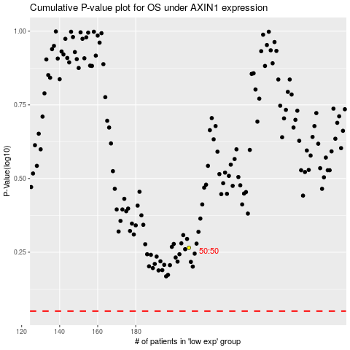

 |  |  |  |  |  | cases_OS | p_OS | rank | exp
 |  |  |  |  |  |  | cases_RFS | p_RFS | rank | exp

