AXIN2 _multivariate
Reported by Tex Li-Hsing Chi. tex@gate.sinica.edu.tw 2019-08-21

Table 2. The clinicopathological features of HNSCC cohort and AXIN2 expression. (Chi square test)
Cutoff at -0.102 (56.5%)
 |  | AXIN2 expression |  | AXIN2 expression |  | (Optimised)
 | Features | Low | (%) | High | (%) | Case no | P-value | Remark | Matthews
Gender | Female | 173 | 41.7 | 133 | 32 | 415 | 1 | 0 | 0
2 | Male | 61 | 14.7 | 48 | 11.6
Age at diagnosis | <=65y | 159 | 38.3 | 115 | 27.7 | 415 | 0.4027 | 0 | 0
4 | >65y | 75 | 18.1 | 66 | 15.9
Clinical T Status | T1+T2 | 78 | 18.8 | 71 | 17.1 | 415 | 0.2552 | 0 | 0
6 | T3+T4 | 156 | 37.6 | 110 | 26.5
Clinical N Status | N0 | 114 | 27.5 | 102 | 24.6 | 415 | 0.1485 | 0 | 0
8 | N1-3 | 120 | 28.9 | 79 | 19
Clinical M Status | M0 | 231 | 55.7 | 181 | 43.6 | 415 | 0.2605 | 0 | 0
10 | M1 | 3 | 0.7 | 0 | 0
Clinical Stage | Stage I+II | 50 | 12 | 52 | 12.5 | 415 | 0.1069 | 0 | 0
12 | Stage III+IV | 184 | 44.3 | 129 | 31.1
Surgical Margin status | Negative | 175 | 42.2 | 143 | 34.5 | 415 | 0.3501 | 0 | 0
14 | Positive | 59 | 14.2 | 38 | 9.2
Tobacco Exposure | Low | 96 | 23.1 | 65 | 15.7 | 415 | 0.3106 | 0 | 0
16 | High | 138 | 33.3 | 116 | 28

Table 3. Univariate/Multivariate Cox's proportional hazards regression analyses on OS time of AXIN2 gene expression in HNSCC

 |  | Univariate |  |  |  | Multivariate
 | Features | HR | CI95%(L) | CI95%(H) | P-value | HR | CI95%(L) | CI95%(H) | P-value
1 | Female | 1 |  |  |  | 1
Gender | Male | 1.157 | 0.843 | 1.587 | 0.367 | 1.203 | 0.859 | 1.685 | 0.281
11 | <=65y | 1 |  |  |  | 1
Age at diagnosis | >65y | 1.329 | 0.99 | 1.784 | 0.058 | 1.412 | 1.039 | 1.92 | 0.028
12 | T1+T2 | 1 |  |  |  | 1
Clinical T Status | T3+T4 | 1.409 | 1.028 | 1.931 | 0.033 | 2.175 | 1.15 | 4.112 | 0.017
13 | N0 | 1 |  |  |  | 1
Clinical N Status | N1-3 | 1.185 | 0.89 | 1.577 | 0.246 | 1.204 | 0.842 | 1.721 | 0.31
14 | M0 | 1 |  |  |  | 1
Clinical M Status | M1 | 4.097 | 1.009 | 16.644 | 0.049 | 8.546 | 1.857 | 39.317 | 0.006
15 | Stage I+II | 1 |  |  |  | 1
Clinical Stage | Stage III+IV | 1.245 | 0.882 | 1.759 | 0.213 | 0.502 | 0.234 | 1.076 | 0.076
16 | Negative | 1 |  |  |  | 1
Surgical Margin status | Positive | 1.591 | 1.155 | 2.191 | 0.004 | 1.633 | 1.18 | 2.258 | 0.003
17 | Low | 1 |  |  |  | 1
Tobacco Exposure | High | 1.364 | 1.008 | 1.844 | 0.044 | 1.502 | 1.085 | 2.078 | 0.014
18 | Low | 1 |  |  |  | 1
RNAseq(z-score) | High | 0.743 | 0.554 | 0.996 | 0.047 | 0.767 | 0.567 | 1.036 | 0.084

Table 4. Univariate/Multivariate Cox's proportional hazards regression analyses on RFS time of AXIN2 gene expression in HNSCC

 |  | Univariate |  |  |  | Multivariate
 | Features | HR | CI95%(L) | CI95%(H) | P-value | HR | CI95%(L) | CI95%(H) | P-value
1 | Female | 1 |  |  |  | 1
Gender | Male | 1.157 | 0.843 | 1.587 | 0.367 | 1.203 | 0.859 | 1.685 | 0.281
11 | <=65y | 1 |  |  |  | 1
Age at diagnosis | >65y | 1.329 | 0.99 | 1.784 | 0.058 | 1.412 | 1.039 | 1.92 | 0.028
12 | T1+T2 | 1 |  |  |  | 1
Clinical T Status | T3+T4 | 1.409 | 1.028 | 1.931 | 0.033 | 2.175 | 1.15 | 4.112 | 0.017
13 | N0 | 1 |  |  |  | 1
Clinical N Status | N1-3 | 1.185 | 0.89 | 1.577 | 0.246 | 1.204 | 0.842 | 1.721 | 0.31
14 | M0 | 1 |  |  |  | 1
Clinical M Status | M1 | 4.097 | 1.009 | 16.644 | 0.049 | 8.546 | 1.857 | 39.317 | 0.006
15 | Stage I+II | 1 |  |  |  | 1
Clinical Stage | Stage III+IV | 1.245 | 0.882 | 1.759 | 0.213 | 0.502 | 0.234 | 1.076 | 0.076
16 | Negative | 1 |  |  |  | 1
Surgical Margin status | Positive | 1.591 | 1.155 | 2.191 | 0.004 | 1.633 | 1.18 | 2.258 | 0.003
17 | Low | 1 |  |  |  | 1
Tobacco Exposure | High | 1.364 | 1.008 | 1.844 | 0.044 | 1.502 | 1.085 | 2.078 | 0.014
18 | Low | 1 |  |  |  | 1
RNAseq(z-score) | High | 0.743 | 0.554 | 0.996 | 0.047 | 0.767 | 0.567 | 1.036 | 0.084

Kaplan-Meier survival estimate: Cutoff at -0.102 (56.5%)



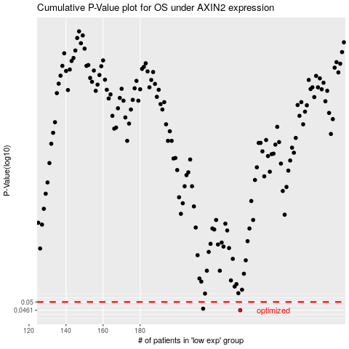

 |  |  |  |  |  | cases_OS | p_OS | rank | exp
 |  |  |  |  |  | 234 | 0.0461 | 42 | -0.10199307977
 |  |  |  |  |  | 214 | 0.0468 | 303 | -0.15067125325
 |  |  |  |  |  |  | cases_RFS | p_RFS | rank | exp
 |  |  |  |  |  |  | 233 | 0.0461 | 87 | -0.10221828366
 |  |  |  |  |  |  | 213 | 0.0468 | 387 | -0.15146758417

