AZI1 _multivariate
Reported by Tex Li-Hsing Chi. tex@gate.sinica.edu.tw 2019-08-21

Table 2. The clinicopathological features of HNSCC cohort and AZI1 expression. (Chi square test)
Cutoff at -0.128 (54.1%)
 |  | AZI1 expression |  | AZI1 expression |  | (Optimised)
 | Features | Low | (%) | High | (%) | Case no | P-value | Remark | Matthews
Gender | Female | 156 | 37.6 | 150 | 36.1 | 415 | 0.0353 | 1 | 0
2 | Male | 69 | 16.6 | 40 | 9.6
Age at diagnosis | <=65y | 143 | 34.5 | 131 | 31.6 | 415 | 0.2931 | 0 | 0
4 | >65y | 82 | 19.8 | 59 | 14.2
Clinical T Status | T1+T2 | 80 | 19.3 | 69 | 16.6 | 415 | 0.9536 | 0 | 0
6 | T3+T4 | 145 | 34.9 | 121 | 29.2
Clinical N Status | N0 | 127 | 30.6 | 89 | 21.4 | 415 | 0.064 | 1 | 0
8 | N1-3 | 98 | 23.6 | 101 | 24.3
Clinical M Status | M0 | 224 | 54 | 188 | 45.3 | 415 | 0.5951 | 0 | 0
10 | M1 | 1 | 0.2 | 2 | 0.5
Clinical Stage | Stage I+II | 62 | 14.9 | 40 | 9.6 | 415 | 0.156 | 0 | 0
12 | Stage III+IV | 163 | 39.3 | 150 | 36.1
Surgical Margin status | Negative | 177 | 42.7 | 141 | 34 | 415 | 0.2968 | 0 | 0
14 | Positive | 48 | 11.6 | 49 | 11.8
Tobacco Exposure | Low | 95 | 22.9 | 66 | 15.9 | 415 | 0.1299 | 0 | 0
16 | High | 130 | 31.3 | 124 | 29.9

Table 3. Univariate/Multivariate Cox's proportional hazards regression analyses on OS time of AZI1 gene expression in HNSCC

 |  | Univariate |  |  |  | Multivariate
 | Features | HR | CI95%(L) | CI95%(H) | P-value | HR | CI95%(L) | CI95%(H) | P-value
1 | Female | 1 |  |  |  | 1
Gender | Male | 1.157 | 0.843 | 1.587 | 0.367 | 1.157 | 0.828 | 1.617 | 0.392
11 | <=65y | 1 |  |  |  | 1
Age at diagnosis | >65y | 1.329 | 0.99 | 1.784 | 0.058 | 1.417 | 1.042 | 1.927 | 0.026
12 | T1+T2 | 1 |  |  |  | 1
Clinical T Status | T3+T4 | 1.409 | 1.028 | 1.931 | 0.033 | 2.109 | 1.113 | 3.995 | 0.022
13 | N0 | 1 |  |  |  | 1
Clinical N Status | N1-3 | 1.185 | 0.89 | 1.577 | 0.246 | 1.295 | 0.907 | 1.85 | 0.155
14 | M0 | 1 |  |  |  | 1
Clinical M Status | M1 | 4.097 | 1.009 | 16.644 | 0.049 | 9.289 | 2.026 | 42.582 | 0.004
15 | Stage I+II | 1 |  |  |  | 1
Clinical Stage | Stage III+IV | 1.245 | 0.882 | 1.759 | 0.213 | 0.539 | 0.25 | 1.162 | 0.115
16 | Negative | 1 |  |  |  | 1
Surgical Margin status | Positive | 1.591 | 1.155 | 2.191 | 0.004 | 1.713 | 1.239 | 2.368 | 0.001
17 | Low | 1 |  |  |  | 1
Tobacco Exposure | High | 1.364 | 1.008 | 1.844 | 0.044 | 1.483 | 1.077 | 2.043 | 0.016
18 | Low | 1 |  |  |  | 1
RNAseq(z-score) | High | 0.736 | 0.548 | 0.988 | 0.041 | 0.693 | 0.512 | 0.938 | 0.017

Table 4. Univariate/Multivariate Cox's proportional hazards regression analyses on RFS time of AZI1 gene expression in HNSCC

 |  | Univariate |  |  |  | Multivariate
 | Features | HR | CI95%(L) | CI95%(H) | P-value | HR | CI95%(L) | CI95%(H) | P-value
1 | Female | 1 |  |  |  | 1
Gender | Male | 1.157 | 0.843 | 1.587 | 0.367 | 1.157 | 0.828 | 1.617 | 0.392
11 | <=65y | 1 |  |  |  | 1
Age at diagnosis | >65y | 1.329 | 0.99 | 1.784 | 0.058 | 1.417 | 1.042 | 1.927 | 0.026
12 | T1+T2 | 1 |  |  |  | 1
Clinical T Status | T3+T4 | 1.409 | 1.028 | 1.931 | 0.033 | 2.109 | 1.113 | 3.995 | 0.022
13 | N0 | 1 |  |  |  | 1
Clinical N Status | N1-3 | 1.185 | 0.89 | 1.577 | 0.246 | 1.295 | 0.907 | 1.85 | 0.155
14 | M0 | 1 |  |  |  | 1
Clinical M Status | M1 | 4.097 | 1.009 | 16.644 | 0.049 | 9.289 | 2.026 | 42.582 | 0.004
15 | Stage I+II | 1 |  |  |  | 1
Clinical Stage | Stage III+IV | 1.245 | 0.882 | 1.759 | 0.213 | 0.539 | 0.25 | 1.162 | 0.115
16 | Negative | 1 |  |  |  | 1
Surgical Margin status | Positive | 1.591 | 1.155 | 2.191 | 0.004 | 1.713 | 1.239 | 2.368 | 0.001
17 | Low | 1 |  |  |  | 1
Tobacco Exposure | High | 1.364 | 1.008 | 1.844 | 0.044 | 1.483 | 1.077 | 2.043 | 0.016
18 | Low | 1 |  |  |  | 1
RNAseq(z-score) | High | 0.736 | 0.548 | 0.988 | 0.041 | 0.693 | 0.512 | 0.938 | 0.017

Kaplan-Meier survival estimate: Cutoff at -0.128 (54.1%)



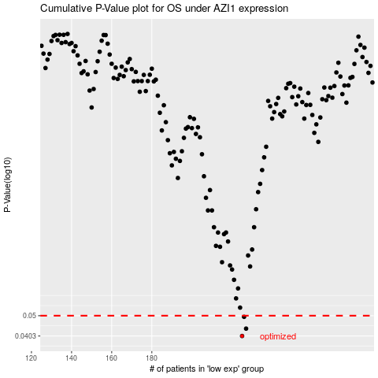

 |  |  |  |  |  | cases_OS | p_OS | rank | exp
 |  |  |  |  |  | 225 | 0.0403 | 42 | -0.12761087918
 |  |  |  |  |  | 227 | 0.0436 | 271 | -0.10459720884
 |  |  |  |  |  | 226 | 0.0494 | 240 | -0.10814060448
 |  |  |  |  |  |  | cases_RFS | p_RFS | rank | exp
 |  |  |  |  |  |  | 224 | 0.0403 | 148 | -0.12901020825
 |  |  |  |  |  |  | 226 | 0.0436 | 240 | -0.10814060448
 |  |  |  |  |  |  | 225 | 0.0494 | 42 | -0.12761087918

