AZI2 _multivariate
Reported by Tex Li-Hsing Chi. tex@gate.sinica.edu.tw 2019-08-21

Table 2. The clinicopathological features of HNSCC cohort and AZI2 expression. (Chi square test)
Cutoff at -0.231 (49.8%)
 |  | AZI2 expression |  | AZI2 expression |  | (Optimised)
 | Features | Low | (%) | High | (%) | Case no | P-value | Remark | Matthews
Gender | Female | 166 | 40 | 140 | 33.7 | 415 | 0.0041 | 1 | 0
2 | Male | 41 | 9.9 | 68 | 16.4
Age at diagnosis | <=65y | 144 | 34.7 | 130 | 31.3 | 415 | 0.1568 | 0 | 0
4 | >65y | 63 | 15.2 | 78 | 18.8
Clinical T Status | T1+T2 | 70 | 16.9 | 79 | 19 | 415 | 0.4343 | 0 | 0
6 | T3+T4 | 137 | 33 | 129 | 31.1
Clinical N Status | N0 | 106 | 25.5 | 110 | 26.5 | 415 | 0.8075 | 0 | 0
8 | N1-3 | 101 | 24.3 | 98 | 23.6
Clinical M Status | M0 | 204 | 49.2 | 208 | 50.1 | 415 | 0.1232 | 0 | 0
10 | M1 | 3 | 0.7 | 0 | 0
Clinical Stage | Stage I+II | 47 | 11.3 | 55 | 13.3 | 415 | 0.4413 | 0 | 0
12 | Stage III+IV | 160 | 38.6 | 153 | 36.9
Surgical Margin status | Negative | 162 | 39 | 156 | 37.6 | 415 | 0.4867 | 0 | 0
14 | Positive | 45 | 10.8 | 52 | 12.5
Tobacco Exposure | Low | 69 | 16.6 | 92 | 22.2 | 415 | 0.0266 | 1 | 0
16 | High | 138 | 33.3 | 116 | 28

Table 3. Univariate/Multivariate Cox's proportional hazards regression analyses on OS time of AZI2 gene expression in HNSCC

 |  | Univariate |  |  |  | Multivariate
 | Features | HR | CI95%(L) | CI95%(H) | P-value | HR | CI95%(L) | CI95%(H) | P-value
1 | Female | 1 |  |  |  | 1
Gender | Male | 1.157 | 0.843 | 1.587 | 0.367 | 1.183 | 0.844 | 1.659 | 0.328
11 | <=65y | 1 |  |  |  | 1
Age at diagnosis | >65y | 1.329 | 0.99 | 1.784 | 0.058 | 1.387 | 1.02 | 1.886 | 0.037
12 | T1+T2 | 1 |  |  |  | 1
Clinical T Status | T3+T4 | 1.409 | 1.028 | 1.931 | 0.033 | 2.225 | 1.175 | 4.211 | 0.014
13 | N0 | 1 |  |  |  | 1
Clinical N Status | N1-3 | 1.185 | 0.89 | 1.577 | 0.246 | 1.244 | 0.872 | 1.774 | 0.229
14 | M0 | 1 |  |  |  | 1
Clinical M Status | M1 | 4.097 | 1.009 | 16.644 | 0.049 | 9.828 | 2.127 | 45.413 | 0.003
15 | Stage I+II | 1 |  |  |  | 1
Clinical Stage | Stage III+IV | 1.245 | 0.882 | 1.759 | 0.213 | 0.507 | 0.236 | 1.088 | 0.081
16 | Negative | 1 |  |  |  | 1
Surgical Margin status | Positive | 1.591 | 1.155 | 2.191 | 0.004 | 1.668 | 1.207 | 2.305 | 0.002
17 | Low | 1 |  |  |  | 1
Tobacco Exposure | High | 1.364 | 1.008 | 1.844 | 0.044 | 1.457 | 1.058 | 2.007 | 0.021
18 | Low | 1 |  |  |  | 1
RNAseq(z-score) | High | 1.04 | 0.781 | 1.385 | 0.789 | 1.089 | 0.808 | 1.468 | 0.574

Table 4. Univariate/Multivariate Cox's proportional hazards regression analyses on RFS time of AZI2 gene expression in HNSCC

 |  | Univariate |  |  |  | Multivariate
 | Features | HR | CI95%(L) | CI95%(H) | P-value | HR | CI95%(L) | CI95%(H) | P-value
1 | Female | 1 |  |  |  | 1
Gender | Male | 1.157 | 0.843 | 1.587 | 0.367 | 1.183 | 0.844 | 1.659 | 0.328
11 | <=65y | 1 |  |  |  | 1
Age at diagnosis | >65y | 1.329 | 0.99 | 1.784 | 0.058 | 1.387 | 1.02 | 1.886 | 0.037
12 | T1+T2 | 1 |  |  |  | 1
Clinical T Status | T3+T4 | 1.409 | 1.028 | 1.931 | 0.033 | 2.225 | 1.175 | 4.211 | 0.014
13 | N0 | 1 |  |  |  | 1
Clinical N Status | N1-3 | 1.185 | 0.89 | 1.577 | 0.246 | 1.244 | 0.872 | 1.774 | 0.229
14 | M0 | 1 |  |  |  | 1
Clinical M Status | M1 | 4.097 | 1.009 | 16.644 | 0.049 | 9.828 | 2.127 | 45.413 | 0.003
15 | Stage I+II | 1 |  |  |  | 1
Clinical Stage | Stage III+IV | 1.245 | 0.882 | 1.759 | 0.213 | 0.507 | 0.236 | 1.088 | 0.081
16 | Negative | 1 |  |  |  | 1
Surgical Margin status | Positive | 1.591 | 1.155 | 2.191 | 0.004 | 1.668 | 1.207 | 2.305 | 0.002
17 | Low | 1 |  |  |  | 1
Tobacco Exposure | High | 1.364 | 1.008 | 1.844 | 0.044 | 1.457 | 1.058 | 2.007 | 0.021
18 | Low | 1 |  |  |  | 1
RNAseq(z-score) | High | 1.04 | 0.781 | 1.385 | 0.789 | 1.089 | 0.808 | 1.468 | 0.574

Kaplan-Meier survival estimate: Cutoff at -0.231 (49.8%)

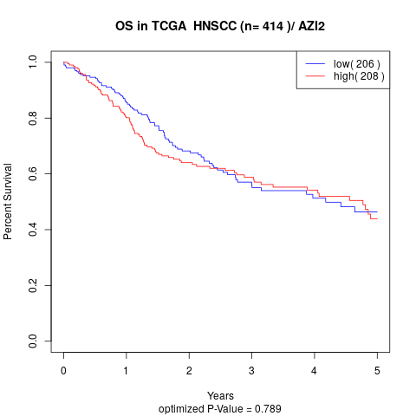

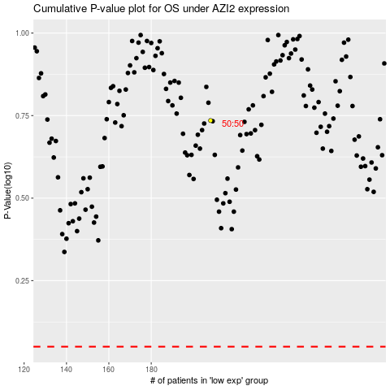

 |  |  |  |  |  | cases_OS | p_OS | rank | exp
 |  |  |  |  |  |  | cases_RFS | p_RFS | rank | exp

