B2M _multivariate
Reported by Tex Li-Hsing Chi. tex@gate.sinica.edu.tw 2019-08-21

Table 2. The clinicopathological features of HNSCC cohort and B2M expression. (Chi square test)
Cutoff at -0.474 (33.6%)
 |  | B2M expression |  | B2M expression |  | (Optimised)
 | Features | Low | (%) | High | (%) | Case no | P-value | Remark | Matthews
Gender | Female | 114 | 27.5 | 192 | 46.3 | 415 | 0.0093 | 1 | 0
2 | Male | 25 | 6 | 84 | 20.2
Age at diagnosis | <=65y | 94 | 22.7 | 180 | 43.4 | 415 | 0.7046 | 0 | 0
4 | >65y | 45 | 10.8 | 96 | 23.1
Clinical T Status | T1+T2 | 44 | 10.6 | 105 | 25.3 | 415 | 0.2412 | 0 | 0
6 | T3+T4 | 95 | 22.9 | 171 | 41.2
Clinical N Status | N0 | 71 | 17.1 | 145 | 34.9 | 415 | 0.86 | 0 | 0
8 | N1-3 | 68 | 16.4 | 131 | 31.6
Clinical M Status | M0 | 139 | 33.5 | 273 | 65.8 | 415 | 0.554 | 0 | 0
10 | M1 | 0 | 0 | 3 | 0.7
Clinical Stage | Stage I+II | 28 | 6.7 | 74 | 17.8 | 415 | 0.1712 | 0 | 0
12 | Stage III+IV | 111 | 26.7 | 202 | 48.7
Surgical Margin status | Negative | 111 | 26.7 | 207 | 49.9 | 415 | 0.3256 | 0 | 0
14 | Positive | 28 | 6.7 | 69 | 16.6
Tobacco Exposure | Low | 45 | 10.8 | 116 | 28 | 415 | 0.0694 | 0 | 0
16 | High | 94 | 22.7 | 160 | 38.6

Table 3. Univariate/Multivariate Cox's proportional hazards regression analyses on OS time of B2M gene expression in HNSCC

 |  | Univariate |  |  |  | Multivariate
 | Features | HR | CI95%(L) | CI95%(H) | P-value | HR | CI95%(L) | CI95%(H) | P-value
1 | Female | 1 |  |  |  | 1
Gender | Male | 1.157 | 0.843 | 1.587 | 0.367 | 1.174 | 0.841 | 1.639 | 0.347
11 | <=65y | 1 |  |  |  | 1
Age at diagnosis | >65y | 1.329 | 0.99 | 1.784 | 0.058 | 1.421 | 1.044 | 1.934 | 0.025
12 | T1+T2 | 1 |  |  |  | 1
Clinical T Status | T3+T4 | 1.409 | 1.028 | 1.931 | 0.033 | 2.163 | 1.143 | 4.095 | 0.018
13 | N0 | 1 |  |  |  | 1
Clinical N Status | N1-3 | 1.185 | 0.89 | 1.577 | 0.246 | 1.249 | 0.876 | 1.782 | 0.22
14 | M0 | 1 |  |  |  | 1
Clinical M Status | M1 | 4.097 | 1.009 | 16.644 | 0.049 | 8.263 | 1.794 | 38.069 | 0.007
15 | Stage I+II | 1 |  |  |  | 1
Clinical Stage | Stage III+IV | 1.245 | 0.882 | 1.759 | 0.213 | 0.531 | 0.247 | 1.142 | 0.105
16 | Negative | 1 |  |  |  | 1
Surgical Margin status | Positive | 1.591 | 1.155 | 2.191 | 0.004 | 1.614 | 1.166 | 2.234 | 0.004
17 | Low | 1 |  |  |  | 1
Tobacco Exposure | High | 1.364 | 1.008 | 1.844 | 0.044 | 1.493 | 1.081 | 2.061 | 0.015
18 | Low | 1 |  |  |  | 1
RNAseq(z-score) | High | 1.386 | 1.014 | 1.894 | 0.041 | 1.369 | 0.994 | 1.884 | 0.054

Table 4. Univariate/Multivariate Cox's proportional hazards regression analyses on RFS time of B2M gene expression in HNSCC

 |  | Univariate |  |  |  | Multivariate
 | Features | HR | CI95%(L) | CI95%(H) | P-value | HR | CI95%(L) | CI95%(H) | P-value
1 | Female | 1 |  |  |  | 1
Gender | Male | 1.157 | 0.843 | 1.587 | 0.367 | 1.174 | 0.841 | 1.639 | 0.347
11 | <=65y | 1 |  |  |  | 1
Age at diagnosis | >65y | 1.329 | 0.99 | 1.784 | 0.058 | 1.421 | 1.044 | 1.934 | 0.025
12 | T1+T2 | 1 |  |  |  | 1
Clinical T Status | T3+T4 | 1.409 | 1.028 | 1.931 | 0.033 | 2.163 | 1.143 | 4.095 | 0.018
13 | N0 | 1 |  |  |  | 1
Clinical N Status | N1-3 | 1.185 | 0.89 | 1.577 | 0.246 | 1.249 | 0.876 | 1.782 | 0.22
14 | M0 | 1 |  |  |  | 1
Clinical M Status | M1 | 4.097 | 1.009 | 16.644 | 0.049 | 8.263 | 1.794 | 38.069 | 0.007
15 | Stage I+II | 1 |  |  |  | 1
Clinical Stage | Stage III+IV | 1.245 | 0.882 | 1.759 | 0.213 | 0.531 | 0.247 | 1.142 | 0.105
16 | Negative | 1 |  |  |  | 1
Surgical Margin status | Positive | 1.591 | 1.155 | 2.191 | 0.004 | 1.614 | 1.166 | 2.234 | 0.004
17 | Low | 1 |  |  |  | 1
Tobacco Exposure | High | 1.364 | 1.008 | 1.844 | 0.044 | 1.493 | 1.081 | 2.061 | 0.015
18 | Low | 1 |  |  |  | 1
RNAseq(z-score) | High | 1.386 | 1.014 | 1.894 | 0.041 | 1.369 | 0.994 | 1.884 | 0.054

Kaplan-Meier survival estimate: Cutoff at -0.474 (33.6%)



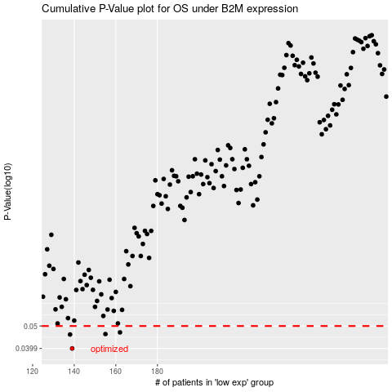

 |  |  |  |  |  | cases_OS | p_OS | rank | exp
 |  |  |  |  |  | 139 | 0.0399 | 58 | -0.47411387748
 |  |  |  |  |  | 138 | 0.0459 | 336 | -0.48401650589
 |  |  |  |  |  | 155 | 0.0461 | 390 | -0.37732834794
 |  |  |  |  |  | 162 | 0.0469 | 220 | -0.35540335338
 |  |  |  |  |  |  | cases_RFS | p_RFS | rank | exp
 |  |  |  |  |  |  | 138 | 0.0399 | 336 | -0.48401650589
 |  |  |  |  |  |  | 137 | 0.0459 | 136 | -0.48471557847
 |  |  |  |  |  |  | 154 | 0.0461 | 300 | -0.37743105183
 |  |  |  |  |  |  | 161 | 0.0469 | 332 | -0.35880139136

