B3GALT4 _multivariate
Reported by Tex Li-Hsing Chi. tex@gate.sinica.edu.tw 2019-08-21

Table 2. The clinicopathological features of HNSCC cohort and B3GALT4 expression. (Chi square test)
Cutoff at -0.308 (47.8%)
 |  | B3GALT4 expression |  | B3GALT4 expression |  | (Optimised)
 | Features | Low | (%) | High | (%) | Case no | P-value | Remark | Matthews
Gender | Female | 147 | 35.4 | 159 | 38.3 | 415 | 1 | 0 | 0
2 | Male | 52 | 12.5 | 57 | 13.7
Age at diagnosis | <=65y | 132 | 31.8 | 142 | 34.2 | 415 | 0.9815 | 0 | 0
4 | >65y | 67 | 16.1 | 74 | 17.8
Clinical T Status | T1+T2 | 69 | 16.6 | 80 | 19.3 | 415 | 0.6899 | 0 | 0
6 | T3+T4 | 130 | 31.3 | 136 | 32.8
Clinical N Status | N0 | 93 | 22.4 | 123 | 29.6 | 415 | 0.0475 | 1 | 0
8 | N1-3 | 106 | 25.5 | 93 | 22.4
Clinical M Status | M0 | 198 | 47.7 | 214 | 51.6 | 415 | 1 | 0 | 0
10 | M1 | 1 | 0.2 | 2 | 0.5
Clinical Stage | Stage I+II | 47 | 11.3 | 55 | 13.3 | 415 | 0.7475 | 0 | 0
12 | Stage III+IV | 152 | 36.6 | 161 | 38.8
Surgical Margin status | Negative | 153 | 36.9 | 165 | 39.8 | 415 | 0.9082 | 0 | 0
14 | Positive | 46 | 11.1 | 51 | 12.3
Tobacco Exposure | Low | 70 | 16.9 | 91 | 21.9 | 415 | 0.1587 | 0 | 0
16 | High | 129 | 31.1 | 125 | 30.1

Table 3. Univariate/Multivariate Cox's proportional hazards regression analyses on OS time of B3GALT4 gene expression in HNSCC

 |  | Univariate |  |  |  | Multivariate
 | Features | HR | CI95%(L) | CI95%(H) | P-value | HR | CI95%(L) | CI95%(H) | P-value
1 | Female | 1 |  |  |  | 1
Gender | Male | 1.157 | 0.843 | 1.587 | 0.367 | 1.221 | 0.872 | 1.711 | 0.245
11 | <=65y | 1 |  |  |  | 1
Age at diagnosis | >65y | 1.329 | 0.99 | 1.784 | 0.058 | 1.339 | 0.982 | 1.826 | 0.065
12 | T1+T2 | 1 |  |  |  | 1
Clinical T Status | T3+T4 | 1.409 | 1.028 | 1.931 | 0.033 | 2.168 | 1.146 | 4.1 | 0.017
13 | N0 | 1 |  |  |  | 1
Clinical N Status | N1-3 | 1.185 | 0.89 | 1.577 | 0.246 | 1.175 | 0.82 | 1.684 | 0.378
14 | M0 | 1 |  |  |  | 1
Clinical M Status | M1 | 4.097 | 1.009 | 16.644 | 0.049 | 10.227 | 2.226 | 46.995 | 0.003
15 | Stage I+II | 1 |  |  |  | 1
Clinical Stage | Stage III+IV | 1.245 | 0.882 | 1.759 | 0.213 | 0.534 | 0.248 | 1.148 | 0.108
16 | Negative | 1 |  |  |  | 1
Surgical Margin status | Positive | 1.591 | 1.155 | 2.191 | 0.004 | 1.713 | 1.239 | 2.37 | 0.001
17 | Low | 1 |  |  |  | 1
Tobacco Exposure | High | 1.364 | 1.008 | 1.844 | 0.044 | 1.434 | 1.039 | 1.979 | 0.028
18 | Low | 1 |  |  |  | 1
RNAseq(z-score) | High | 0.747 | 0.56 | 0.995 | 0.046 | 0.752 | 0.561 | 1.008 | 0.057

Table 4. Univariate/Multivariate Cox's proportional hazards regression analyses on RFS time of B3GALT4 gene expression in HNSCC

 |  | Univariate |  |  |  | Multivariate
 | Features | HR | CI95%(L) | CI95%(H) | P-value | HR | CI95%(L) | CI95%(H) | P-value
1 | Female | 1 |  |  |  | 1
Gender | Male | 1.157 | 0.843 | 1.587 | 0.367 | 1.221 | 0.872 | 1.711 | 0.245
11 | <=65y | 1 |  |  |  | 1
Age at diagnosis | >65y | 1.329 | 0.99 | 1.784 | 0.058 | 1.339 | 0.982 | 1.826 | 0.065
12 | T1+T2 | 1 |  |  |  | 1
Clinical T Status | T3+T4 | 1.409 | 1.028 | 1.931 | 0.033 | 2.168 | 1.146 | 4.1 | 0.017
13 | N0 | 1 |  |  |  | 1
Clinical N Status | N1-3 | 1.185 | 0.89 | 1.577 | 0.246 | 1.175 | 0.82 | 1.684 | 0.378
14 | M0 | 1 |  |  |  | 1
Clinical M Status | M1 | 4.097 | 1.009 | 16.644 | 0.049 | 10.227 | 2.226 | 46.995 | 0.003
15 | Stage I+II | 1 |  |  |  | 1
Clinical Stage | Stage III+IV | 1.245 | 0.882 | 1.759 | 0.213 | 0.534 | 0.248 | 1.148 | 0.108
16 | Negative | 1 |  |  |  | 1
Surgical Margin status | Positive | 1.591 | 1.155 | 2.191 | 0.004 | 1.713 | 1.239 | 2.37 | 0.001
17 | Low | 1 |  |  |  | 1
Tobacco Exposure | High | 1.364 | 1.008 | 1.844 | 0.044 | 1.434 | 1.039 | 1.979 | 0.028
18 | Low | 1 |  |  |  | 1
RNAseq(z-score) | High | 0.747 | 0.56 | 0.995 | 0.046 | 0.752 | 0.561 | 1.008 | 0.057

Kaplan-Meier survival estimate: Cutoff at -0.308 (47.8%)



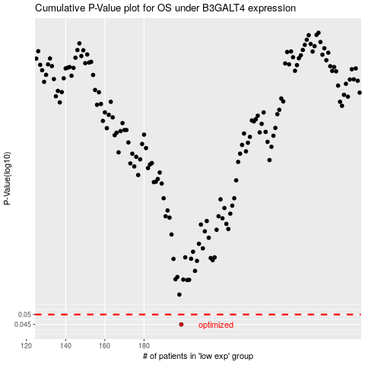

 |  |  |  |  |  | cases_OS | p_OS | rank | exp
 |  |  |  |  |  | 199 | 0.045 | 230 | -0.30753602052
 |  |  |  |  |  |  | cases_RFS | p_RFS | rank | exp
 |  |  |  |  |  |  | 198 | 0.045 | 21 | -0.30754241288

