B3GALT6 _multivariate
Reported by Tex Li-Hsing Chi. tex@gate.sinica.edu.tw 2019-08-21

Table 2. The clinicopathological features of HNSCC cohort and B3GALT6 expression. (Chi square test)
Cutoff at -0.229 (49.8%)
 |  | B3GALT6 expression |  | B3GALT6 expression |  | (Optimised)
 | Features | Low | (%) | High | (%) | Case no | P-value | Remark | Matthews
Gender | Female | 157 | 37.8 | 149 | 35.9 | 415 | 0.3881 | 0 | 0
2 | Male | 50 | 12 | 59 | 14.2
Age at diagnosis | <=65y | 129 | 31.1 | 145 | 34.9 | 415 | 0.1372 | 0 | 0
4 | >65y | 78 | 18.8 | 63 | 15.2
Clinical T Status | T1+T2 | 66 | 15.9 | 83 | 20 | 415 | 0.1095 | 0 | 0
6 | T3+T4 | 141 | 34 | 125 | 30.1
Clinical N Status | N0 | 105 | 25.3 | 111 | 26.7 | 415 | 0.6598 | 0 | 0
8 | N1-3 | 102 | 24.6 | 97 | 23.4
Clinical M Status | M0 | 207 | 49.9 | 205 | 49.4 | 415 | 0.2482 | 0 | 0
10 | M1 | 0 | 0 | 3 | 0.7
Clinical Stage | Stage I+II | 45 | 10.8 | 57 | 13.7 | 415 | 0.2202 | 0 | 0
12 | Stage III+IV | 162 | 39 | 151 | 36.4
Surgical Margin status | Negative | 162 | 39 | 156 | 37.6 | 415 | 0.4867 | 0 | 0
14 | Positive | 45 | 10.8 | 52 | 12.5
Tobacco Exposure | Low | 77 | 18.6 | 84 | 20.2 | 415 | 0.5459 | 0 | 0
16 | High | 130 | 31.3 | 124 | 29.9

Table 3. Univariate/Multivariate Cox's proportional hazards regression analyses on OS time of B3GALT6 gene expression in HNSCC

 |  | Univariate |  |  |  | Multivariate
 | Features | HR | CI95%(L) | CI95%(H) | P-value | HR | CI95%(L) | CI95%(H) | P-value
1 | Female | 1 |  |  |  | 1
Gender | Male | 1.157 | 0.843 | 1.587 | 0.367 | 1.24 | 0.887 | 1.734 | 0.208
11 | <=65y | 1 |  |  |  | 1
Age at diagnosis | >65y | 1.329 | 0.99 | 1.784 | 0.058 | 1.375 | 1.011 | 1.871 | 0.042
12 | T1+T2 | 1 |  |  |  | 1
Clinical T Status | T3+T4 | 1.409 | 1.028 | 1.931 | 0.033 | 2.189 | 1.158 | 4.139 | 0.016
13 | N0 | 1 |  |  |  | 1
Clinical N Status | N1-3 | 1.185 | 0.89 | 1.577 | 0.246 | 1.244 | 0.872 | 1.774 | 0.228
14 | M0 | 1 |  |  |  | 1
Clinical M Status | M1 | 4.097 | 1.009 | 16.644 | 0.049 | 10.63 | 2.296 | 49.219 | 0.003
15 | Stage I+II | 1 |  |  |  | 1
Clinical Stage | Stage III+IV | 1.245 | 0.882 | 1.759 | 0.213 | 0.497 | 0.231 | 1.068 | 0.073
16 | Negative | 1 |  |  |  | 1
Surgical Margin status | Positive | 1.591 | 1.155 | 2.191 | 0.004 | 1.703 | 1.231 | 2.356 | 0.001
17 | Low | 1 |  |  |  | 1
Tobacco Exposure | High | 1.364 | 1.008 | 1.844 | 0.044 | 1.487 | 1.077 | 2.052 | 0.016
18 | Low | 1 |  |  |  | 1
RNAseq(z-score) | High | 0.865 | 0.648 | 1.153 | 0.322 | 0.806 | 0.6 | 1.084 | 0.154

Table 4. Univariate/Multivariate Cox's proportional hazards regression analyses on RFS time of B3GALT6 gene expression in HNSCC

 |  | Univariate |  |  |  | Multivariate
 | Features | HR | CI95%(L) | CI95%(H) | P-value | HR | CI95%(L) | CI95%(H) | P-value
1 | Female | 1 |  |  |  | 1
Gender | Male | 1.157 | 0.843 | 1.587 | 0.367 | 1.24 | 0.887 | 1.734 | 0.208
11 | <=65y | 1 |  |  |  | 1
Age at diagnosis | >65y | 1.329 | 0.99 | 1.784 | 0.058 | 1.375 | 1.011 | 1.871 | 0.042
12 | T1+T2 | 1 |  |  |  | 1
Clinical T Status | T3+T4 | 1.409 | 1.028 | 1.931 | 0.033 | 2.189 | 1.158 | 4.139 | 0.016
13 | N0 | 1 |  |  |  | 1
Clinical N Status | N1-3 | 1.185 | 0.89 | 1.577 | 0.246 | 1.244 | 0.872 | 1.774 | 0.228
14 | M0 | 1 |  |  |  | 1
Clinical M Status | M1 | 4.097 | 1.009 | 16.644 | 0.049 | 10.63 | 2.296 | 49.219 | 0.003
15 | Stage I+II | 1 |  |  |  | 1
Clinical Stage | Stage III+IV | 1.245 | 0.882 | 1.759 | 0.213 | 0.497 | 0.231 | 1.068 | 0.073
16 | Negative | 1 |  |  |  | 1
Surgical Margin status | Positive | 1.591 | 1.155 | 2.191 | 0.004 | 1.703 | 1.231 | 2.356 | 0.001
17 | Low | 1 |  |  |  | 1
Tobacco Exposure | High | 1.364 | 1.008 | 1.844 | 0.044 | 1.487 | 1.077 | 2.052 | 0.016
18 | Low | 1 |  |  |  | 1
RNAseq(z-score) | High | 0.865 | 0.648 | 1.153 | 0.322 | 0.806 | 0.6 | 1.084 | 0.154

Kaplan-Meier survival estimate: Cutoff at -0.229 (49.8%)



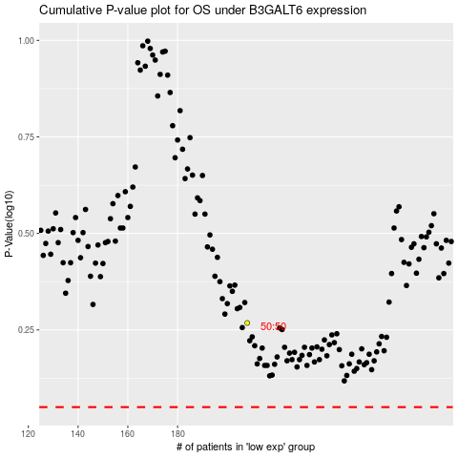

 |  |  |  |  |  | cases_OS | p_OS | rank | exp
 |  |  |  |  |  |  | cases_RFS | p_RFS | rank | exp

