B3GALTL _multivariate
Reported by Tex Li-Hsing Chi. tex@gate.sinica.edu.tw 2019-08-21

Table 2. The clinicopathological features of HNSCC cohort and B3GALTL expression. (Chi square test)
Cutoff at -0.158 (50.0%)
 |  | B3GALTL expression |  | B3GALTL expression |  | (Optimised)
 | Features | Low | (%) | High | (%) | Case no | P-value | Remark | Matthews
Gender | Female | 149 | 35.9 | 157 | 37.8 | 415 | 0.4848 | 0 | 0
2 | Male | 58 | 14 | 51 | 12.3
Age at diagnosis | <=65y | 137 | 33 | 137 | 33 | 415 | 1 | 0 | 0
4 | >65y | 70 | 16.9 | 71 | 17.1
Clinical T Status | T1+T2 | 70 | 16.9 | 79 | 19 | 415 | 0.4343 | 0 | 0
6 | T3+T4 | 137 | 33 | 129 | 31.1
Clinical N Status | N0 | 104 | 25.1 | 112 | 27 | 415 | 0.5243 | 0 | 0
8 | N1-3 | 103 | 24.8 | 96 | 23.1
Clinical M Status | M0 | 205 | 49.4 | 207 | 49.9 | 415 | 0.6232 | 0 | 0
10 | M1 | 2 | 0.5 | 1 | 0.2
Clinical Stage | Stage I+II | 47 | 11.3 | 55 | 13.3 | 415 | 0.4413 | 0 | 0
12 | Stage III+IV | 160 | 38.6 | 153 | 36.9
Surgical Margin status | Negative | 161 | 38.8 | 157 | 37.8 | 415 | 0.6429 | 0 | 0
14 | Positive | 46 | 11.1 | 51 | 12.3
Tobacco Exposure | Low | 77 | 18.6 | 84 | 20.2 | 415 | 0.5459 | 0 | 0
16 | High | 130 | 31.3 | 124 | 29.9

Table 3. Univariate/Multivariate Cox's proportional hazards regression analyses on OS time of B3GALTL gene expression in HNSCC

 |  | Univariate |  |  |  | Multivariate
 | Features | HR | CI95%(L) | CI95%(H) | P-value | HR | CI95%(L) | CI95%(H) | P-value
1 | Female | 1 |  |  |  | 1
Gender | Male | 1.157 | 0.843 | 1.587 | 0.367 | 1.215 | 0.868 | 1.699 | 0.256
11 | <=65y | 1 |  |  |  | 1
Age at diagnosis | >65y | 1.329 | 0.99 | 1.784 | 0.058 | 1.389 | 1.022 | 1.887 | 0.036
12 | T1+T2 | 1 |  |  |  | 1
Clinical T Status | T3+T4 | 1.409 | 1.028 | 1.931 | 0.033 | 2.22 | 1.173 | 4.199 | 0.014
13 | N0 | 1 |  |  |  | 1
Clinical N Status | N1-3 | 1.185 | 0.89 | 1.577 | 0.246 | 1.246 | 0.873 | 1.777 | 0.226
14 | M0 | 1 |  |  |  | 1
Clinical M Status | M1 | 4.097 | 1.009 | 16.644 | 0.049 | 9.566 | 2.085 | 43.888 | 0.004
15 | Stage I+II | 1 |  |  |  | 1
Clinical Stage | Stage III+IV | 1.245 | 0.882 | 1.759 | 0.213 | 0.505 | 0.235 | 1.084 | 0.08
16 | Negative | 1 |  |  |  | 1
Surgical Margin status | Positive | 1.591 | 1.155 | 2.191 | 0.004 | 1.658 | 1.199 | 2.293 | 0.002
17 | Low | 1 |  |  |  | 1
Tobacco Exposure | High | 1.364 | 1.008 | 1.844 | 0.044 | 1.461 | 1.06 | 2.013 | 0.021
18 | Low | 1 |  |  |  | 1
RNAseq(z-score) | High | 1.041 | 0.781 | 1.387 | 0.786 | 1.098 | 0.82 | 1.472 | 0.53

Table 4. Univariate/Multivariate Cox's proportional hazards regression analyses on RFS time of B3GALTL gene expression in HNSCC

 |  | Univariate |  |  |  | Multivariate
 | Features | HR | CI95%(L) | CI95%(H) | P-value | HR | CI95%(L) | CI95%(H) | P-value
1 | Female | 1 |  |  |  | 1
Gender | Male | 1.157 | 0.843 | 1.587 | 0.367 | 1.215 | 0.868 | 1.699 | 0.256
11 | <=65y | 1 |  |  |  | 1
Age at diagnosis | >65y | 1.329 | 0.99 | 1.784 | 0.058 | 1.389 | 1.022 | 1.887 | 0.036
12 | T1+T2 | 1 |  |  |  | 1
Clinical T Status | T3+T4 | 1.409 | 1.028 | 1.931 | 0.033 | 2.22 | 1.173 | 4.199 | 0.014
13 | N0 | 1 |  |  |  | 1
Clinical N Status | N1-3 | 1.185 | 0.89 | 1.577 | 0.246 | 1.246 | 0.873 | 1.777 | 0.226
14 | M0 | 1 |  |  |  | 1
Clinical M Status | M1 | 4.097 | 1.009 | 16.644 | 0.049 | 9.566 | 2.085 | 43.888 | 0.004
15 | Stage I+II | 1 |  |  |  | 1
Clinical Stage | Stage III+IV | 1.245 | 0.882 | 1.759 | 0.213 | 0.505 | 0.235 | 1.084 | 0.08
16 | Negative | 1 |  |  |  | 1
Surgical Margin status | Positive | 1.591 | 1.155 | 2.191 | 0.004 | 1.658 | 1.199 | 2.293 | 0.002
17 | Low | 1 |  |  |  | 1
Tobacco Exposure | High | 1.364 | 1.008 | 1.844 | 0.044 | 1.461 | 1.06 | 2.013 | 0.021
18 | Low | 1 |  |  |  | 1
RNAseq(z-score) | High | 1.041 | 0.781 | 1.387 | 0.786 | 1.098 | 0.82 | 1.472 | 0.53

Kaplan-Meier survival estimate: Cutoff at -0.158 (50.0%)



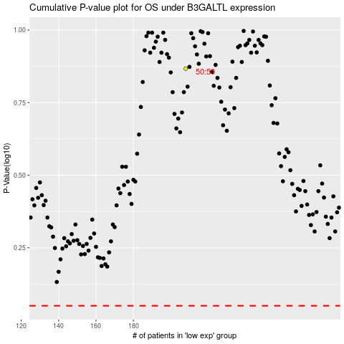

 |  |  |  |  |  | cases_OS | p_OS | rank | exp
 |  |  |  |  |  |  | cases_RFS | p_RFS | rank | exp

