B3GNT2 _multivariate
Reported by Tex Li-Hsing Chi. tex@gate.sinica.edu.tw 2019-08-21

Table 2. The clinicopathological features of HNSCC cohort and B3GNT2 expression. (Chi square test)
Cutoff at -0.138 (50.0%)
 |  | B3GNT2 expression |  | B3GNT2 expression |  | (Optimised)
 | Features | Low | (%) | High | (%) | Case no | P-value | Remark | Matthews
Gender | Female | 152 | 36.6 | 154 | 37.1 | 415 | 0.9766 | 0 | 0
2 | Male | 55 | 13.3 | 54 | 13
Age at diagnosis | <=65y | 131 | 31.6 | 143 | 34.5 | 415 | 0.2839 | 0 | 0
4 | >65y | 76 | 18.3 | 65 | 15.7
Clinical T Status | T1+T2 | 86 | 20.7 | 63 | 15.2 | 415 | 0.0221 | 1 | 0
6 | T3+T4 | 121 | 29.2 | 145 | 34.9
Clinical N Status | N0 | 103 | 24.8 | 113 | 27.2 | 415 | 0.4047 | 0 | 0
8 | N1-3 | 104 | 25.1 | 95 | 22.9
Clinical M Status | M0 | 204 | 49.2 | 208 | 50.1 | 415 | 0.1232 | 0 | 0
10 | M1 | 3 | 0.7 | 0 | 0
Clinical Stage | Stage I+II | 55 | 13.3 | 47 | 11.3 | 415 | 0.4087 | 0 | 0
12 | Stage III+IV | 152 | 36.6 | 161 | 38.8
Surgical Margin status | Negative | 161 | 38.8 | 157 | 37.8 | 415 | 0.6429 | 0 | 0
14 | Positive | 46 | 11.1 | 51 | 12.3
Tobacco Exposure | Low | 80 | 19.3 | 81 | 19.5 | 415 | 1 | 0 | 0
16 | High | 127 | 30.6 | 127 | 30.6

Table 3. Univariate/Multivariate Cox's proportional hazards regression analyses on OS time of B3GNT2 gene expression in HNSCC

 |  | Univariate |  |  |  | Multivariate
 | Features | HR | CI95%(L) | CI95%(H) | P-value | HR | CI95%(L) | CI95%(H) | P-value
1 | Female | 1 |  |  |  | 1
Gender | Male | 1.157 | 0.843 | 1.587 | 0.367 | 1.203 | 0.861 | 1.68 | 0.28
11 | <=65y | 1 |  |  |  | 1
Age at diagnosis | >65y | 1.329 | 0.99 | 1.784 | 0.058 | 1.395 | 1.024 | 1.899 | 0.035
12 | T1+T2 | 1 |  |  |  | 1
Clinical T Status | T3+T4 | 1.409 | 1.028 | 1.931 | 0.033 | 2.194 | 1.157 | 4.159 | 0.016
13 | N0 | 1 |  |  |  | 1
Clinical N Status | N1-3 | 1.185 | 0.89 | 1.577 | 0.246 | 1.242 | 0.87 | 1.774 | 0.232
14 | M0 | 1 |  |  |  | 1
Clinical M Status | M1 | 4.097 | 1.009 | 16.644 | 0.049 | 9.475 | 2.06 | 43.587 | 0.004
15 | Stage I+II | 1 |  |  |  | 1
Clinical Stage | Stage III+IV | 1.245 | 0.882 | 1.759 | 0.213 | 0.505 | 0.235 | 1.085 | 0.08
16 | Negative | 1 |  |  |  | 1
Surgical Margin status | Positive | 1.591 | 1.155 | 2.191 | 0.004 | 1.671 | 1.209 | 2.309 | 0.002
17 | Low | 1 |  |  |  | 1
Tobacco Exposure | High | 1.364 | 1.008 | 1.844 | 0.044 | 1.452 | 1.053 | 2.001 | 0.023
18 | Low | 1 |  |  |  | 1
RNAseq(z-score) | High | 1.019 | 0.765 | 1.357 | 0.898 | 1.021 | 0.761 | 1.369 | 0.892

Table 4. Univariate/Multivariate Cox's proportional hazards regression analyses on RFS time of B3GNT2 gene expression in HNSCC

 |  | Univariate |  |  |  | Multivariate
 | Features | HR | CI95%(L) | CI95%(H) | P-value | HR | CI95%(L) | CI95%(H) | P-value
1 | Female | 1 |  |  |  | 1
Gender | Male | 1.157 | 0.843 | 1.587 | 0.367 | 1.203 | 0.861 | 1.68 | 0.28
11 | <=65y | 1 |  |  |  | 1
Age at diagnosis | >65y | 1.329 | 0.99 | 1.784 | 0.058 | 1.395 | 1.024 | 1.899 | 0.035
12 | T1+T2 | 1 |  |  |  | 1
Clinical T Status | T3+T4 | 1.409 | 1.028 | 1.931 | 0.033 | 2.194 | 1.157 | 4.159 | 0.016
13 | N0 | 1 |  |  |  | 1
Clinical N Status | N1-3 | 1.185 | 0.89 | 1.577 | 0.246 | 1.242 | 0.87 | 1.774 | 0.232
14 | M0 | 1 |  |  |  | 1
Clinical M Status | M1 | 4.097 | 1.009 | 16.644 | 0.049 | 9.475 | 2.06 | 43.587 | 0.004
15 | Stage I+II | 1 |  |  |  | 1
Clinical Stage | Stage III+IV | 1.245 | 0.882 | 1.759 | 0.213 | 0.505 | 0.235 | 1.085 | 0.08
16 | Negative | 1 |  |  |  | 1
Surgical Margin status | Positive | 1.591 | 1.155 | 2.191 | 0.004 | 1.671 | 1.209 | 2.309 | 0.002
17 | Low | 1 |  |  |  | 1
Tobacco Exposure | High | 1.364 | 1.008 | 1.844 | 0.044 | 1.452 | 1.053 | 2.001 | 0.023
18 | Low | 1 |  |  |  | 1
RNAseq(z-score) | High | 1.019 | 0.765 | 1.357 | 0.898 | 1.021 | 0.761 | 1.369 | 0.892

Kaplan-Meier survival estimate: Cutoff at -0.138 (50.0%)



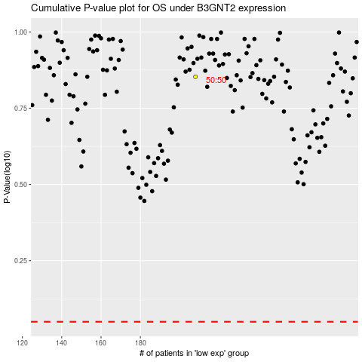

 |  |  |  |  |  | cases_OS | p_OS | rank | exp
 |  |  |  |  |  |  | cases_RFS | p_RFS | rank | exp

