B3GNT3 _multivariate
Reported by Tex Li-Hsing Chi. tex@gate.sinica.edu.tw 2019-08-21

Table 2. The clinicopathological features of HNSCC cohort and B3GNT3 expression. (Chi square test)
Cutoff at -0.276 (50.0%)
 |  | B3GNT3 expression |  | B3GNT3 expression |  | (Optimised)
 | Features | Low | (%) | High | (%) | Case no | P-value | Remark | Matthews
Gender | Female | 154 | 37.1 | 152 | 36.6 | 415 | 0.8463 | 0 | 0
2 | Male | 53 | 12.8 | 56 | 13.5
Age at diagnosis | <=65y | 137 | 33 | 137 | 33 | 415 | 1 | 0 | 0
4 | >65y | 70 | 16.9 | 71 | 17.1
Clinical T Status | T1+T2 | 85 | 20.5 | 64 | 15.4 | 415 | 0.0372 | 1 | 0
6 | T3+T4 | 122 | 29.4 | 144 | 34.7
Clinical N Status | N0 | 117 | 28.2 | 99 | 23.9 | 415 | 0.0852 | 1 | 0
8 | N1-3 | 90 | 21.7 | 109 | 26.3
Clinical M Status | M0 | 206 | 49.6 | 206 | 49.6 | 415 | 1 | 0 | 0
10 | M1 | 1 | 0.2 | 2 | 0.5
Clinical Stage | Stage I+II | 59 | 14.2 | 43 | 10.4 | 415 | 0.0822 | 0 | 0
12 | Stage III+IV | 148 | 35.7 | 165 | 39.8
Surgical Margin status | Negative | 157 | 37.8 | 161 | 38.8 | 415 | 0.729 | 0 | 0
14 | Positive | 50 | 12 | 47 | 11.3
Tobacco Exposure | Low | 80 | 19.3 | 81 | 19.5 | 415 | 1 | 0 | 0
16 | High | 127 | 30.6 | 127 | 30.6

Table 3. Univariate/Multivariate Cox's proportional hazards regression analyses on OS time of B3GNT3 gene expression in HNSCC

 |  | Univariate |  |  |  | Multivariate
 | Features | HR | CI95%(L) | CI95%(H) | P-value | HR | CI95%(L) | CI95%(H) | P-value
1 | Female | 1 |  |  |  | 1
Gender | Male | 1.157 | 0.843 | 1.587 | 0.367 | 1.204 | 0.862 | 1.681 | 0.277
11 | <=65y | 1 |  |  |  | 1
Age at diagnosis | >65y | 1.329 | 0.99 | 1.784 | 0.058 | 1.402 | 1.03 | 1.908 | 0.032
12 | T1+T2 | 1 |  |  |  | 1
Clinical T Status | T3+T4 | 1.409 | 1.028 | 1.931 | 0.033 | 2.243 | 1.184 | 4.251 | 0.013
13 | N0 | 1 |  |  |  | 1
Clinical N Status | N1-3 | 1.185 | 0.89 | 1.577 | 0.246 | 1.262 | 0.882 | 1.807 | 0.203
14 | M0 | 1 |  |  |  | 1
Clinical M Status | M1 | 4.097 | 1.009 | 16.644 | 0.049 | 9.595 | 2.091 | 44.037 | 0.004
15 | Stage I+II | 1 |  |  |  | 1
Clinical Stage | Stage III+IV | 1.245 | 0.882 | 1.759 | 0.213 | 0.498 | 0.232 | 1.07 | 0.074
16 | Negative | 1 |  |  |  | 1
Surgical Margin status | Positive | 1.591 | 1.155 | 2.191 | 0.004 | 1.658 | 1.199 | 2.293 | 0.002
17 | Low | 1 |  |  |  | 1
Tobacco Exposure | High | 1.364 | 1.008 | 1.844 | 0.044 | 1.446 | 1.049 | 1.992 | 0.024
18 | Low | 1 |  |  |  | 1
RNAseq(z-score) | High | 0.948 | 0.712 | 1.263 | 0.716 | 0.903 | 0.673 | 1.212 | 0.498

Table 4. Univariate/Multivariate Cox's proportional hazards regression analyses on RFS time of B3GNT3 gene expression in HNSCC

 |  | Univariate |  |  |  | Multivariate
 | Features | HR | CI95%(L) | CI95%(H) | P-value | HR | CI95%(L) | CI95%(H) | P-value
1 | Female | 1 |  |  |  | 1
Gender | Male | 1.157 | 0.843 | 1.587 | 0.367 | 1.204 | 0.862 | 1.681 | 0.277
11 | <=65y | 1 |  |  |  | 1
Age at diagnosis | >65y | 1.329 | 0.99 | 1.784 | 0.058 | 1.402 | 1.03 | 1.908 | 0.032
12 | T1+T2 | 1 |  |  |  | 1
Clinical T Status | T3+T4 | 1.409 | 1.028 | 1.931 | 0.033 | 2.243 | 1.184 | 4.251 | 0.013
13 | N0 | 1 |  |  |  | 1
Clinical N Status | N1-3 | 1.185 | 0.89 | 1.577 | 0.246 | 1.262 | 0.882 | 1.807 | 0.203
14 | M0 | 1 |  |  |  | 1
Clinical M Status | M1 | 4.097 | 1.009 | 16.644 | 0.049 | 9.595 | 2.091 | 44.037 | 0.004
15 | Stage I+II | 1 |  |  |  | 1
Clinical Stage | Stage III+IV | 1.245 | 0.882 | 1.759 | 0.213 | 0.498 | 0.232 | 1.07 | 0.074
16 | Negative | 1 |  |  |  | 1
Surgical Margin status | Positive | 1.591 | 1.155 | 2.191 | 0.004 | 1.658 | 1.199 | 2.293 | 0.002
17 | Low | 1 |  |  |  | 1
Tobacco Exposure | High | 1.364 | 1.008 | 1.844 | 0.044 | 1.446 | 1.049 | 1.992 | 0.024
18 | Low | 1 |  |  |  | 1
RNAseq(z-score) | High | 0.948 | 0.712 | 1.263 | 0.716 | 0.903 | 0.673 | 1.212 | 0.498

Kaplan-Meier survival estimate: Cutoff at -0.276 (50.0%)



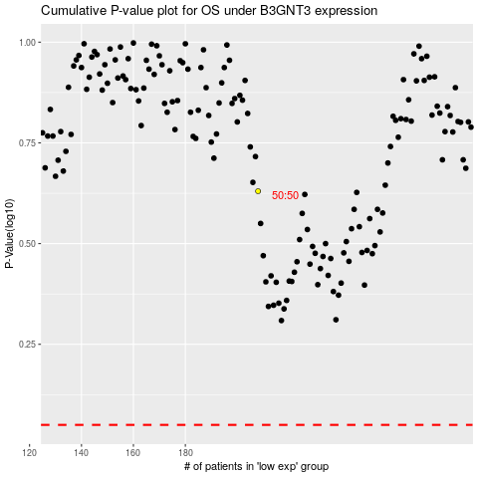

 |  |  |  |  |  | cases_OS | p_OS | rank | exp
 |  |  |  |  |  |  | cases_RFS | p_RFS | rank | exp

