B3GNT4 _multivariate
Reported by Tex Li-Hsing Chi. tex@gate.sinica.edu.tw 2019-08-21

Table 2. The clinicopathological features of HNSCC cohort and B3GNT4 expression. (Chi square test)
Cutoff at -0.189 (50.0%)
 |  | B3GNT4 expression |  | B3GNT4 expression |  | (Optimised)
 | Features | Low | (%) | High | (%) | Case no | P-value | Remark | Matthews
Gender | Female | 153 | 36.9 | 153 | 36.9 | 415 | 1 | 0 | 0
2 | Male | 54 | 13 | 55 | 13.3
Age at diagnosis | <=65y | 138 | 33.3 | 136 | 32.8 | 415 | 0.8634 | 0 | 0
4 | >65y | 69 | 16.6 | 72 | 17.3
Clinical T Status | T1+T2 | 90 | 21.7 | 59 | 14.2 | 415 | 0.0019 | 1 | 0
6 | T3+T4 | 117 | 28.2 | 149 | 35.9
Clinical N Status | N0 | 101 | 24.3 | 115 | 27.7 | 415 | 0.2201 | 0 | 0
8 | N1-3 | 106 | 25.5 | 93 | 22.4
Clinical M Status | M0 | 206 | 49.6 | 206 | 49.6 | 415 | 1 | 0 | 0
10 | M1 | 1 | 0.2 | 2 | 0.5
Clinical Stage | Stage I+II | 56 | 13.5 | 46 | 11.1 | 415 | 0.2918 | 0 | 0
12 | Stage III+IV | 151 | 36.4 | 162 | 39
Surgical Margin status | Negative | 161 | 38.8 | 157 | 37.8 | 415 | 0.6429 | 0 | 0
14 | Positive | 46 | 11.1 | 51 | 12.3
Tobacco Exposure | Low | 82 | 19.8 | 79 | 19 | 415 | 0.763 | 0 | 0
16 | High | 125 | 30.1 | 129 | 31.1

Table 3. Univariate/Multivariate Cox's proportional hazards regression analyses on OS time of B3GNT4 gene expression in HNSCC

 |  | Univariate |  |  |  | Multivariate
 | Features | HR | CI95%(L) | CI95%(H) | P-value | HR | CI95%(L) | CI95%(H) | P-value
1 | Female | 1 |  |  |  | 1
Gender | Male | 1.157 | 0.843 | 1.587 | 0.367 | 1.203 | 0.861 | 1.682 | 0.279
11 | <=65y | 1 |  |  |  | 1
Age at diagnosis | >65y | 1.329 | 0.99 | 1.784 | 0.058 | 1.391 | 1.023 | 1.891 | 0.035
12 | T1+T2 | 1 |  |  |  | 1
Clinical T Status | T3+T4 | 1.409 | 1.028 | 1.931 | 0.033 | 2.215 | 1.162 | 4.222 | 0.016
13 | N0 | 1 |  |  |  | 1
Clinical N Status | N1-3 | 1.185 | 0.89 | 1.577 | 0.246 | 1.24 | 0.869 | 1.769 | 0.237
14 | M0 | 1 |  |  |  | 1
Clinical M Status | M1 | 4.097 | 1.009 | 16.644 | 0.049 | 9.503 | 2.05 | 44.042 | 0.004
15 | Stage I+II | 1 |  |  |  | 1
Clinical Stage | Stage III+IV | 1.245 | 0.882 | 1.759 | 0.213 | 0.503 | 0.234 | 1.082 | 0.079
16 | Negative | 1 |  |  |  | 1
Surgical Margin status | Positive | 1.591 | 1.155 | 2.191 | 0.004 | 1.672 | 1.21 | 2.311 | 0.002
17 | Low | 1 |  |  |  | 1
Tobacco Exposure | High | 1.364 | 1.008 | 1.844 | 0.044 | 1.454 | 1.055 | 2.003 | 0.022
18 | Low | 1 |  |  |  | 1
RNAseq(z-score) | High | 1.082 | 0.812 | 1.441 | 0.592 | 0.984 | 0.733 | 1.32 | 0.913

Table 4. Univariate/Multivariate Cox's proportional hazards regression analyses on RFS time of B3GNT4 gene expression in HNSCC

 |  | Univariate |  |  |  | Multivariate
 | Features | HR | CI95%(L) | CI95%(H) | P-value | HR | CI95%(L) | CI95%(H) | P-value
1 | Female | 1 |  |  |  | 1
Gender | Male | 1.157 | 0.843 | 1.587 | 0.367 | 1.203 | 0.861 | 1.682 | 0.279
11 | <=65y | 1 |  |  |  | 1
Age at diagnosis | >65y | 1.329 | 0.99 | 1.784 | 0.058 | 1.391 | 1.023 | 1.891 | 0.035
12 | T1+T2 | 1 |  |  |  | 1
Clinical T Status | T3+T4 | 1.409 | 1.028 | 1.931 | 0.033 | 2.215 | 1.162 | 4.222 | 0.016
13 | N0 | 1 |  |  |  | 1
Clinical N Status | N1-3 | 1.185 | 0.89 | 1.577 | 0.246 | 1.24 | 0.869 | 1.769 | 0.237
14 | M0 | 1 |  |  |  | 1
Clinical M Status | M1 | 4.097 | 1.009 | 16.644 | 0.049 | 9.503 | 2.05 | 44.042 | 0.004
15 | Stage I+II | 1 |  |  |  | 1
Clinical Stage | Stage III+IV | 1.245 | 0.882 | 1.759 | 0.213 | 0.503 | 0.234 | 1.082 | 0.079
16 | Negative | 1 |  |  |  | 1
Surgical Margin status | Positive | 1.591 | 1.155 | 2.191 | 0.004 | 1.672 | 1.21 | 2.311 | 0.002
17 | Low | 1 |  |  |  | 1
Tobacco Exposure | High | 1.364 | 1.008 | 1.844 | 0.044 | 1.454 | 1.055 | 2.003 | 0.022
18 | Low | 1 |  |  |  | 1
RNAseq(z-score) | High | 1.082 | 0.812 | 1.441 | 0.592 | 0.984 | 0.733 | 1.32 | 0.913

Kaplan-Meier survival estimate: Cutoff at -0.189 (50.0%)



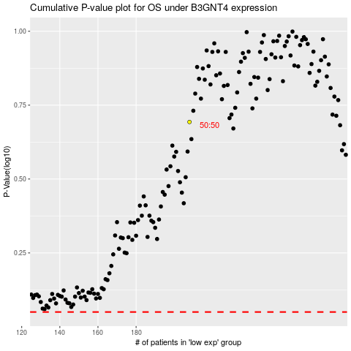

 |  |  |  |  |  | cases_OS | p_OS | rank | exp
 |  |  |  |  |  |  | cases_RFS | p_RFS | rank | exp

