B3GNT7 _multivariate
Reported by Tex Li-Hsing Chi. tex@gate.sinica.edu.tw 2019-08-21

Table 2. The clinicopathological features of HNSCC cohort and B3GNT7 expression. (Chi square test)
Cutoff at -0.271 (50.0%)
 |  | B3GNT7 expression |  | B3GNT7 expression |  | (Optimised)
 | Features | Low | (%) | High | (%) | Case no | P-value | Remark | Matthews
Gender | Female | 154 | 37.1 | 152 | 36.6 | 415 | 0.8463 | 0 | 0
2 | Male | 53 | 12.8 | 56 | 13.5
Age at diagnosis | <=65y | 143 | 34.5 | 131 | 31.6 | 415 | 0.2269 | 0 | 0
4 | >65y | 64 | 15.4 | 77 | 18.6
Clinical T Status | T1+T2 | 71 | 17.1 | 78 | 18.8 | 415 | 0.5638 | 0 | 0
6 | T3+T4 | 136 | 32.8 | 130 | 31.3
Clinical N Status | N0 | 111 | 26.7 | 105 | 25.3 | 415 | 0.5875 | 0 | 0
8 | N1-3 | 96 | 23.1 | 103 | 24.8
Clinical M Status | M0 | 206 | 49.6 | 206 | 49.6 | 415 | 1 | 0 | 0
10 | M1 | 1 | 0.2 | 2 | 0.5
Clinical Stage | Stage I+II | 50 | 12 | 52 | 12.5 | 415 | 0.9315 | 0 | 0
12 | Stage III+IV | 157 | 37.8 | 156 | 37.6
Surgical Margin status | Negative | 155 | 37.3 | 163 | 39.3 | 415 | 0.4187 | 0 | 0
14 | Positive | 52 | 12.5 | 45 | 10.8
Tobacco Exposure | Low | 85 | 20.5 | 76 | 18.3 | 415 | 0.3655 | 0 | 0
16 | High | 122 | 29.4 | 132 | 31.8

Table 3. Univariate/Multivariate Cox's proportional hazards regression analyses on OS time of B3GNT7 gene expression in HNSCC

 |  | Univariate |  |  |  | Multivariate
 | Features | HR | CI95%(L) | CI95%(H) | P-value | HR | CI95%(L) | CI95%(H) | P-value
1 | Female | 1 |  |  |  | 1
Gender | Male | 1.157 | 0.843 | 1.587 | 0.367 | 1.202 | 0.86 | 1.678 | 0.281
11 | <=65y | 1 |  |  |  | 1
Age at diagnosis | >65y | 1.329 | 0.99 | 1.784 | 0.058 | 1.393 | 1.024 | 1.896 | 0.035
12 | T1+T2 | 1 |  |  |  | 1
Clinical T Status | T3+T4 | 1.409 | 1.028 | 1.931 | 0.033 | 2.202 | 1.165 | 4.163 | 0.015
13 | N0 | 1 |  |  |  | 1
Clinical N Status | N1-3 | 1.185 | 0.89 | 1.577 | 0.246 | 1.243 | 0.87 | 1.775 | 0.232
14 | M0 | 1 |  |  |  | 1
Clinical M Status | M1 | 4.097 | 1.009 | 16.644 | 0.049 | 9.415 | 2.054 | 43.162 | 0.004
15 | Stage I+II | 1 |  |  |  | 1
Clinical Stage | Stage III+IV | 1.245 | 0.882 | 1.759 | 0.213 | 0.504 | 0.235 | 1.082 | 0.079
16 | Negative | 1 |  |  |  | 1
Surgical Margin status | Positive | 1.591 | 1.155 | 2.191 | 0.004 | 1.671 | 1.209 | 2.309 | 0.002
17 | Low | 1 |  |  |  | 1
Tobacco Exposure | High | 1.364 | 1.008 | 1.844 | 0.044 | 1.457 | 1.053 | 2.016 | 0.023
18 | Low | 1 |  |  |  | 1
RNAseq(z-score) | High | 1.042 | 0.783 | 1.388 | 0.778 | 0.986 | 0.736 | 1.319 | 0.922

Table 4. Univariate/Multivariate Cox's proportional hazards regression analyses on RFS time of B3GNT7 gene expression in HNSCC

 |  | Univariate |  |  |  | Multivariate
 | Features | HR | CI95%(L) | CI95%(H) | P-value | HR | CI95%(L) | CI95%(H) | P-value
1 | Female | 1 |  |  |  | 1
Gender | Male | 1.157 | 0.843 | 1.587 | 0.367 | 1.202 | 0.86 | 1.678 | 0.281
11 | <=65y | 1 |  |  |  | 1
Age at diagnosis | >65y | 1.329 | 0.99 | 1.784 | 0.058 | 1.393 | 1.024 | 1.896 | 0.035
12 | T1+T2 | 1 |  |  |  | 1
Clinical T Status | T3+T4 | 1.409 | 1.028 | 1.931 | 0.033 | 2.202 | 1.165 | 4.163 | 0.015
13 | N0 | 1 |  |  |  | 1
Clinical N Status | N1-3 | 1.185 | 0.89 | 1.577 | 0.246 | 1.243 | 0.87 | 1.775 | 0.232
14 | M0 | 1 |  |  |  | 1
Clinical M Status | M1 | 4.097 | 1.009 | 16.644 | 0.049 | 9.415 | 2.054 | 43.162 | 0.004
15 | Stage I+II | 1 |  |  |  | 1
Clinical Stage | Stage III+IV | 1.245 | 0.882 | 1.759 | 0.213 | 0.504 | 0.235 | 1.082 | 0.079
16 | Negative | 1 |  |  |  | 1
Surgical Margin status | Positive | 1.591 | 1.155 | 2.191 | 0.004 | 1.671 | 1.209 | 2.309 | 0.002
17 | Low | 1 |  |  |  | 1
Tobacco Exposure | High | 1.364 | 1.008 | 1.844 | 0.044 | 1.457 | 1.053 | 2.016 | 0.023
18 | Low | 1 |  |  |  | 1
RNAseq(z-score) | High | 1.042 | 0.783 | 1.388 | 0.778 | 0.986 | 0.736 | 1.319 | 0.922

Kaplan-Meier survival estimate: Cutoff at -0.271 (50.0%)



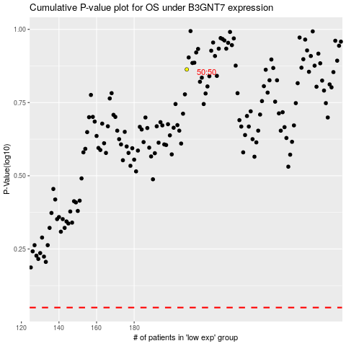

 |  |  |  |  |  | cases_OS | p_OS | rank | exp
 |  |  |  |  |  |  | cases_RFS | p_RFS | rank | exp

