B3GNT9 _multivariate
Reported by Tex Li-Hsing Chi. tex@gate.sinica.edu.tw 2019-08-21

Table 2. The clinicopathological features of HNSCC cohort and B3GNT9 expression. (Chi square test)
Cutoff at -0.082 (49.8%)
 |  | B3GNT9 expression |  | B3GNT9 expression |  | (Optimised)
 | Features | Low | (%) | High | (%) | Case no | P-value | Remark | Matthews
Gender | Female | 151 | 36.4 | 155 | 37.3 | 415 | 0.8007 | 0 | 0
2 | Male | 56 | 13.5 | 53 | 12.8
Age at diagnosis | <=65y | 130 | 31.3 | 144 | 34.7 | 415 | 0.2009 | 0 | 0
4 | >65y | 77 | 18.6 | 64 | 15.4
Clinical T Status | T1+T2 | 78 | 18.8 | 71 | 17.1 | 415 | 0.5152 | 0 | 0
6 | T3+T4 | 129 | 31.1 | 137 | 33
Clinical N Status | N0 | 99 | 23.9 | 117 | 28.2 | 415 | 0.1054 | 0 | 0
8 | N1-3 | 108 | 26 | 91 | 21.9
Clinical M Status | M0 | 206 | 49.6 | 206 | 49.6 | 415 | 1 | 0 | 0
10 | M1 | 1 | 0.2 | 2 | 0.5
Clinical Stage | Stage I+II | 50 | 12 | 52 | 12.5 | 415 | 0.9315 | 0 | 0
12 | Stage III+IV | 157 | 37.8 | 156 | 37.6
Surgical Margin status | Negative | 150 | 36.1 | 168 | 40.5 | 415 | 0.0492 | 1 | 0
14 | Positive | 57 | 13.7 | 40 | 9.6
Tobacco Exposure | Low | 77 | 18.6 | 84 | 20.2 | 415 | 0.5459 | 0 | 0
16 | High | 130 | 31.3 | 124 | 29.9

Table 3. Univariate/Multivariate Cox's proportional hazards regression analyses on OS time of B3GNT9 gene expression in HNSCC

 |  | Univariate |  |  |  | Multivariate
 | Features | HR | CI95%(L) | CI95%(H) | P-value | HR | CI95%(L) | CI95%(H) | P-value
1 | Female | 1 |  |  |  | 1
Gender | Male | 1.157 | 0.843 | 1.587 | 0.367 | 1.203 | 0.861 | 1.681 | 0.279
11 | <=65y | 1 |  |  |  | 1
Age at diagnosis | >65y | 1.329 | 0.99 | 1.784 | 0.058 | 1.385 | 1.018 | 1.885 | 0.038
12 | T1+T2 | 1 |  |  |  | 1
Clinical T Status | T3+T4 | 1.409 | 1.028 | 1.931 | 0.033 | 2.213 | 1.17 | 4.187 | 0.015
13 | N0 | 1 |  |  |  | 1
Clinical N Status | N1-3 | 1.185 | 0.89 | 1.577 | 0.246 | 1.233 | 0.863 | 1.763 | 0.249
14 | M0 | 1 |  |  |  | 1
Clinical M Status | M1 | 4.097 | 1.009 | 16.644 | 0.049 | 9.603 | 2.085 | 44.219 | 0.004
15 | Stage I+II | 1 |  |  |  | 1
Clinical Stage | Stage III+IV | 1.245 | 0.882 | 1.759 | 0.213 | 0.505 | 0.235 | 1.083 | 0.079
16 | Negative | 1 |  |  |  | 1
Surgical Margin status | Positive | 1.591 | 1.155 | 2.191 | 0.004 | 1.66 | 1.198 | 2.299 | 0.002
17 | Low | 1 |  |  |  | 1
Tobacco Exposure | High | 1.364 | 1.008 | 1.844 | 0.044 | 1.453 | 1.054 | 2.003 | 0.022
18 | Low | 1 |  |  |  | 1
RNAseq(z-score) | High | 0.908 | 0.682 | 1.21 | 0.511 | 0.95 | 0.709 | 1.273 | 0.731

Table 4. Univariate/Multivariate Cox's proportional hazards regression analyses on RFS time of B3GNT9 gene expression in HNSCC

 |  | Univariate |  |  |  | Multivariate
 | Features | HR | CI95%(L) | CI95%(H) | P-value | HR | CI95%(L) | CI95%(H) | P-value
1 | Female | 1 |  |  |  | 1
Gender | Male | 1.157 | 0.843 | 1.587 | 0.367 | 1.203 | 0.861 | 1.681 | 0.279
11 | <=65y | 1 |  |  |  | 1
Age at diagnosis | >65y | 1.329 | 0.99 | 1.784 | 0.058 | 1.385 | 1.018 | 1.885 | 0.038
12 | T1+T2 | 1 |  |  |  | 1
Clinical T Status | T3+T4 | 1.409 | 1.028 | 1.931 | 0.033 | 2.213 | 1.17 | 4.187 | 0.015
13 | N0 | 1 |  |  |  | 1
Clinical N Status | N1-3 | 1.185 | 0.89 | 1.577 | 0.246 | 1.233 | 0.863 | 1.763 | 0.249
14 | M0 | 1 |  |  |  | 1
Clinical M Status | M1 | 4.097 | 1.009 | 16.644 | 0.049 | 9.603 | 2.085 | 44.219 | 0.004
15 | Stage I+II | 1 |  |  |  | 1
Clinical Stage | Stage III+IV | 1.245 | 0.882 | 1.759 | 0.213 | 0.505 | 0.235 | 1.083 | 0.079
16 | Negative | 1 |  |  |  | 1
Surgical Margin status | Positive | 1.591 | 1.155 | 2.191 | 0.004 | 1.66 | 1.198 | 2.299 | 0.002
17 | Low | 1 |  |  |  | 1
Tobacco Exposure | High | 1.364 | 1.008 | 1.844 | 0.044 | 1.453 | 1.054 | 2.003 | 0.022
18 | Low | 1 |  |  |  | 1
RNAseq(z-score) | High | 0.908 | 0.682 | 1.21 | 0.511 | 0.95 | 0.709 | 1.273 | 0.731

Kaplan-Meier survival estimate: Cutoff at -0.082 (49.8%)



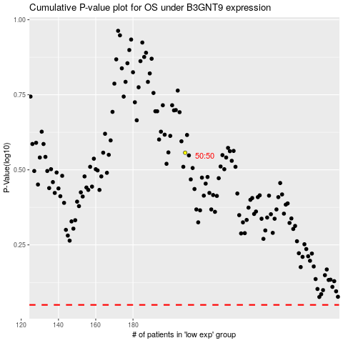

 |  |  |  |  |  | cases_OS | p_OS | rank | exp
 |  |  |  |  |  |  | cases_RFS | p_RFS | rank | exp

