B3GNTL1 _multivariate
Reported by Tex Li-Hsing Chi. tex@gate.sinica.edu.tw 2019-08-21

Table 2. The clinicopathological features of HNSCC cohort and B3GNTL1 expression. (Chi square test)
Cutoff at -0.271 (49.8%)
 |  | B3GNTL1 expression |  | B3GNTL1 expression |  | (Optimised)
 | Features | Low | (%) | High | (%) | Case no | P-value | Remark | Matthews
Gender | Female | 137 | 33 | 169 | 40.7 | 415 | 7e-04 | 1 | 0
2 | Male | 70 | 16.9 | 39 | 9.4
Age at diagnosis | <=65y | 133 | 32 | 141 | 34 | 415 | 0.5111 | 0 | 0
4 | >65y | 74 | 17.8 | 67 | 16.1
Clinical T Status | T1+T2 | 81 | 19.5 | 68 | 16.4 | 415 | 0.206 | 0 | 0
6 | T3+T4 | 126 | 30.4 | 140 | 33.7
Clinical N Status | N0 | 110 | 26.5 | 106 | 25.5 | 415 | 0.7294 | 0 | 0
8 | N1-3 | 97 | 23.4 | 102 | 24.6
Clinical M Status | M0 | 207 | 49.9 | 205 | 49.4 | 415 | 0.2482 | 0 | 0
10 | M1 | 0 | 0 | 3 | 0.7
Clinical Stage | Stage I+II | 61 | 14.7 | 41 | 9.9 | 415 | 0.0282 | 1 | 0
12 | Stage III+IV | 146 | 35.2 | 167 | 40.2
Surgical Margin status | Negative | 162 | 39 | 156 | 37.6 | 415 | 0.4867 | 0 | 0
14 | Positive | 45 | 10.8 | 52 | 12.5
Tobacco Exposure | Low | 90 | 21.7 | 71 | 17.1 | 415 | 0.0559 | 0 | 0
16 | High | 117 | 28.2 | 137 | 33

Table 3. Univariate/Multivariate Cox's proportional hazards regression analyses on OS time of B3GNTL1 gene expression in HNSCC

 |  | Univariate |  |  |  | Multivariate
 | Features | HR | CI95%(L) | CI95%(H) | P-value | HR | CI95%(L) | CI95%(H) | P-value
1 | Female | 1 |  |  |  | 1
Gender | Male | 1.157 | 0.843 | 1.587 | 0.367 | 1.204 | 0.86 | 1.686 | 0.28
11 | <=65y | 1 |  |  |  | 1
Age at diagnosis | >65y | 1.329 | 0.99 | 1.784 | 0.058 | 1.392 | 1.024 | 1.893 | 0.035
12 | T1+T2 | 1 |  |  |  | 1
Clinical T Status | T3+T4 | 1.409 | 1.028 | 1.931 | 0.033 | 2.204 | 1.165 | 4.167 | 0.015
13 | N0 | 1 |  |  |  | 1
Clinical N Status | N1-3 | 1.185 | 0.89 | 1.577 | 0.246 | 1.242 | 0.87 | 1.773 | 0.233
14 | M0 | 1 |  |  |  | 1
Clinical M Status | M1 | 4.097 | 1.009 | 16.644 | 0.049 | 9.345 | 2.026 | 43.09 | 0.004
15 | Stage I+II | 1 |  |  |  | 1
Clinical Stage | Stage III+IV | 1.245 | 0.882 | 1.759 | 0.213 | 0.504 | 0.235 | 1.082 | 0.079
16 | Negative | 1 |  |  |  | 1
Surgical Margin status | Positive | 1.591 | 1.155 | 2.191 | 0.004 | 1.668 | 1.203 | 2.312 | 0.002
17 | Low | 1 |  |  |  | 1
Tobacco Exposure | High | 1.364 | 1.008 | 1.844 | 0.044 | 1.451 | 1.051 | 2.002 | 0.024
18 | Low | 1 |  |  |  | 1
RNAseq(z-score) | High | 1.075 | 0.807 | 1.432 | 0.622 | 1.015 | 0.754 | 1.366 | 0.924

Table 4. Univariate/Multivariate Cox's proportional hazards regression analyses on RFS time of B3GNTL1 gene expression in HNSCC

 |  | Univariate |  |  |  | Multivariate
 | Features | HR | CI95%(L) | CI95%(H) | P-value | HR | CI95%(L) | CI95%(H) | P-value
1 | Female | 1 |  |  |  | 1
Gender | Male | 1.157 | 0.843 | 1.587 | 0.367 | 1.204 | 0.86 | 1.686 | 0.28
11 | <=65y | 1 |  |  |  | 1
Age at diagnosis | >65y | 1.329 | 0.99 | 1.784 | 0.058 | 1.392 | 1.024 | 1.893 | 0.035
12 | T1+T2 | 1 |  |  |  | 1
Clinical T Status | T3+T4 | 1.409 | 1.028 | 1.931 | 0.033 | 2.204 | 1.165 | 4.167 | 0.015
13 | N0 | 1 |  |  |  | 1
Clinical N Status | N1-3 | 1.185 | 0.89 | 1.577 | 0.246 | 1.242 | 0.87 | 1.773 | 0.233
14 | M0 | 1 |  |  |  | 1
Clinical M Status | M1 | 4.097 | 1.009 | 16.644 | 0.049 | 9.345 | 2.026 | 43.09 | 0.004
15 | Stage I+II | 1 |  |  |  | 1
Clinical Stage | Stage III+IV | 1.245 | 0.882 | 1.759 | 0.213 | 0.504 | 0.235 | 1.082 | 0.079
16 | Negative | 1 |  |  |  | 1
Surgical Margin status | Positive | 1.591 | 1.155 | 2.191 | 0.004 | 1.668 | 1.203 | 2.312 | 0.002
17 | Low | 1 |  |  |  | 1
Tobacco Exposure | High | 1.364 | 1.008 | 1.844 | 0.044 | 1.451 | 1.051 | 2.002 | 0.024
18 | Low | 1 |  |  |  | 1
RNAseq(z-score) | High | 1.075 | 0.807 | 1.432 | 0.622 | 1.015 | 0.754 | 1.366 | 0.924

Kaplan-Meier survival estimate: Cutoff at -0.271 (49.8%)



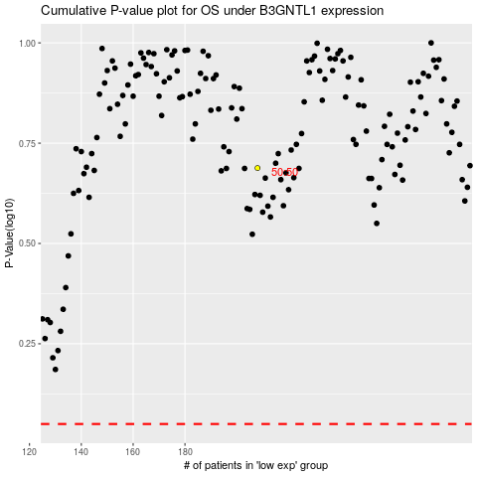

 |  |  |  |  |  | cases_OS | p_OS | rank | exp
 |  |  |  |  |  |  | cases_RFS | p_RFS | rank | exp

