B4GALNT2 _multivariate
Reported by Tex Li-Hsing Chi. tex@gate.sinica.edu.tw 2019-08-21

Table 2. The clinicopathological features of HNSCC cohort and B4GALNT2 expression. (Chi square test)
Cutoff at -0.273 (50.0%)
 |  | B4GALNT2 expression |  | B4GALNT2 expression |  | (Optimised)
 | Features | Low | (%) | High | (%) | Case no | P-value | Remark | Matthews
Gender | Female | 156 | 37.6 | 150 | 36.1 | 415 | 0.5222 | 0 | 0
2 | Male | 51 | 12.3 | 58 | 14
Age at diagnosis | <=65y | 136 | 32.8 | 138 | 33.3 | 415 | 0.9719 | 0 | 0
4 | >65y | 71 | 17.1 | 70 | 16.9
Clinical T Status | T1+T2 | 75 | 18.1 | 74 | 17.8 | 415 | 0.9707 | 0 | 0
6 | T3+T4 | 132 | 31.8 | 134 | 32.3
Clinical N Status | N0 | 109 | 26.3 | 107 | 25.8 | 415 | 0.8812 | 0 | 0
8 | N1-3 | 98 | 23.6 | 101 | 24.3
Clinical M Status | M0 | 205 | 49.4 | 207 | 49.9 | 415 | 0.6232 | 0 | 0
10 | M1 | 2 | 0.5 | 1 | 0.2
Clinical Stage | Stage I+II | 51 | 12.3 | 51 | 12.3 | 415 | 1 | 0 | 0
12 | Stage III+IV | 156 | 37.6 | 157 | 37.8
Surgical Margin status | Negative | 154 | 37.1 | 164 | 39.5 | 415 | 0.2984 | 0 | 0
14 | Positive | 53 | 12.8 | 44 | 10.6
Tobacco Exposure | Low | 79 | 19 | 82 | 19.8 | 415 | 0.8405 | 0 | 0
16 | High | 128 | 30.8 | 126 | 30.4

Table 3. Univariate/Multivariate Cox's proportional hazards regression analyses on OS time of B4GALNT2 gene expression in HNSCC

 |  | Univariate |  |  |  | Multivariate
 | Features | HR | CI95%(L) | CI95%(H) | P-value | HR | CI95%(L) | CI95%(H) | P-value
1 | Female | 1 |  |  |  | 1
Gender | Male | 1.157 | 0.843 | 1.587 | 0.367 | 1.203 | 0.861 | 1.68 | 0.28
11 | <=65y | 1 |  |  |  | 1
Age at diagnosis | >65y | 1.329 | 0.99 | 1.784 | 0.058 | 1.387 | 1.02 | 1.885 | 0.037
12 | T1+T2 | 1 |  |  |  | 1
Clinical T Status | T3+T4 | 1.409 | 1.028 | 1.931 | 0.033 | 2.211 | 1.169 | 4.18 | 0.015
13 | N0 | 1 |  |  |  | 1
Clinical N Status | N1-3 | 1.185 | 0.89 | 1.577 | 0.246 | 1.243 | 0.871 | 1.773 | 0.231
14 | M0 | 1 |  |  |  | 1
Clinical M Status | M1 | 4.097 | 1.009 | 16.644 | 0.049 | 9.309 | 2.03 | 42.693 | 0.004
15 | Stage I+II | 1 |  |  |  | 1
Clinical Stage | Stage III+IV | 1.245 | 0.882 | 1.759 | 0.213 | 0.507 | 0.236 | 1.087 | 0.081
16 | Negative | 1 |  |  |  | 1
Surgical Margin status | Positive | 1.591 | 1.155 | 2.191 | 0.004 | 1.666 | 1.205 | 2.302 | 0.002
17 | Low | 1 |  |  |  | 1
Tobacco Exposure | High | 1.364 | 1.008 | 1.844 | 0.044 | 1.459 | 1.058 | 2.012 | 0.021
18 | Low | 1 |  |  |  | 1
RNAseq(z-score) | High | 0.927 | 0.696 | 1.235 | 0.606 | 0.916 | 0.686 | 1.222 | 0.551

Table 4. Univariate/Multivariate Cox's proportional hazards regression analyses on RFS time of B4GALNT2 gene expression in HNSCC

 |  | Univariate |  |  |  | Multivariate
 | Features | HR | CI95%(L) | CI95%(H) | P-value | HR | CI95%(L) | CI95%(H) | P-value
1 | Female | 1 |  |  |  | 1
Gender | Male | 1.157 | 0.843 | 1.587 | 0.367 | 1.203 | 0.861 | 1.68 | 0.28
11 | <=65y | 1 |  |  |  | 1
Age at diagnosis | >65y | 1.329 | 0.99 | 1.784 | 0.058 | 1.387 | 1.02 | 1.885 | 0.037
12 | T1+T2 | 1 |  |  |  | 1
Clinical T Status | T3+T4 | 1.409 | 1.028 | 1.931 | 0.033 | 2.211 | 1.169 | 4.18 | 0.015
13 | N0 | 1 |  |  |  | 1
Clinical N Status | N1-3 | 1.185 | 0.89 | 1.577 | 0.246 | 1.243 | 0.871 | 1.773 | 0.231
14 | M0 | 1 |  |  |  | 1
Clinical M Status | M1 | 4.097 | 1.009 | 16.644 | 0.049 | 9.309 | 2.03 | 42.693 | 0.004
15 | Stage I+II | 1 |  |  |  | 1
Clinical Stage | Stage III+IV | 1.245 | 0.882 | 1.759 | 0.213 | 0.507 | 0.236 | 1.087 | 0.081
16 | Negative | 1 |  |  |  | 1
Surgical Margin status | Positive | 1.591 | 1.155 | 2.191 | 0.004 | 1.666 | 1.205 | 2.302 | 0.002
17 | Low | 1 |  |  |  | 1
Tobacco Exposure | High | 1.364 | 1.008 | 1.844 | 0.044 | 1.459 | 1.058 | 2.012 | 0.021
18 | Low | 1 |  |  |  | 1
RNAseq(z-score) | High | 0.927 | 0.696 | 1.235 | 0.606 | 0.916 | 0.686 | 1.222 | 0.551

Kaplan-Meier survival estimate: Cutoff at -0.273 (50.0%)



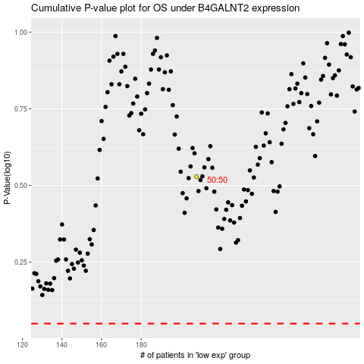

 |  |  |  |  |  | cases_OS | p_OS | rank | exp
 |  |  |  |  |  |  | cases_RFS | p_RFS | rank | exp

