B4GALNT3 _multivariate
Reported by Tex Li-Hsing Chi. tex@gate.sinica.edu.tw 2019-08-21

Table 2. The clinicopathological features of HNSCC cohort and B4GALNT3 expression. (Chi square test)
Cutoff at -0.263 (50.0%)
 |  | B4GALNT3 expression |  | B4GALNT3 expression |  | (Optimised)
 | Features | Low | (%) | High | (%) | Case no | P-value | Remark | Matthews
Gender | Female | 154 | 37.1 | 152 | 36.6 | 415 | 0.8463 | 0 | 0
2 | Male | 53 | 12.8 | 56 | 13.5
Age at diagnosis | <=65y | 139 | 33.5 | 135 | 32.5 | 415 | 0.7044 | 0 | 0
4 | >65y | 68 | 16.4 | 73 | 17.6
Clinical T Status | T1+T2 | 89 | 21.4 | 60 | 14.5 | 415 | 0.0037 | 1 | 0
6 | T3+T4 | 118 | 28.4 | 148 | 35.7
Clinical N Status | N0 | 97 | 23.4 | 119 | 28.7 | 415 | 0.0442 | 1 | 0
8 | N1-3 | 110 | 26.5 | 89 | 21.4
Clinical M Status | M0 | 206 | 49.6 | 206 | 49.6 | 415 | 1 | 0 | 0
10 | M1 | 1 | 0.2 | 2 | 0.5
Clinical Stage | Stage I+II | 59 | 14.2 | 43 | 10.4 | 415 | 0.0822 | 0 | 0
12 | Stage III+IV | 148 | 35.7 | 165 | 39.8
Surgical Margin status | Negative | 151 | 36.4 | 167 | 40.2 | 415 | 0.0828 | 0 | 0
14 | Positive | 56 | 13.5 | 41 | 9.9
Tobacco Exposure | Low | 95 | 22.9 | 66 | 15.9 | 415 | 0.0035 | 1 | 0
16 | High | 112 | 27 | 142 | 34.2

Table 3. Univariate/Multivariate Cox's proportional hazards regression analyses on OS time of B4GALNT3 gene expression in HNSCC

 |  | Univariate |  |  |  | Multivariate
 | Features | HR | CI95%(L) | CI95%(H) | P-value | HR | CI95%(L) | CI95%(H) | P-value
1 | Female | 1 |  |  |  | 1
Gender | Male | 1.157 | 0.843 | 1.587 | 0.367 | 1.205 | 0.863 | 1.683 | 0.274
11 | <=65y | 1 |  |  |  | 1
Age at diagnosis | >65y | 1.329 | 0.99 | 1.784 | 0.058 | 1.397 | 1.028 | 1.9 | 0.033
12 | T1+T2 | 1 |  |  |  | 1
Clinical T Status | T3+T4 | 1.409 | 1.028 | 1.931 | 0.033 | 2.215 | 1.171 | 4.189 | 0.014
13 | N0 | 1 |  |  |  | 1
Clinical N Status | N1-3 | 1.185 | 0.89 | 1.577 | 0.246 | 1.194 | 0.83 | 1.718 | 0.34
14 | M0 | 1 |  |  |  | 1
Clinical M Status | M1 | 4.097 | 1.009 | 16.644 | 0.049 | 9.744 | 2.122 | 44.748 | 0.003
15 | Stage I+II | 1 |  |  |  | 1
Clinical Stage | Stage III+IV | 1.245 | 0.882 | 1.759 | 0.213 | 0.517 | 0.24 | 1.11 | 0.091
16 | Negative | 1 |  |  |  | 1
Surgical Margin status | Positive | 1.591 | 1.155 | 2.191 | 0.004 | 1.646 | 1.189 | 2.277 | 0.003
17 | Low | 1 |  |  |  | 1
Tobacco Exposure | High | 1.364 | 1.008 | 1.844 | 0.044 | 1.499 | 1.082 | 2.078 | 0.015
18 | Low | 1 |  |  |  | 1
RNAseq(z-score) | High | 0.903 | 0.678 | 1.203 | 0.486 | 0.861 | 0.636 | 1.165 | 0.333

Table 4. Univariate/Multivariate Cox's proportional hazards regression analyses on RFS time of B4GALNT3 gene expression in HNSCC

 |  | Univariate |  |  |  | Multivariate
 | Features | HR | CI95%(L) | CI95%(H) | P-value | HR | CI95%(L) | CI95%(H) | P-value
1 | Female | 1 |  |  |  | 1
Gender | Male | 1.157 | 0.843 | 1.587 | 0.367 | 1.205 | 0.863 | 1.683 | 0.274
11 | <=65y | 1 |  |  |  | 1
Age at diagnosis | >65y | 1.329 | 0.99 | 1.784 | 0.058 | 1.397 | 1.028 | 1.9 | 0.033
12 | T1+T2 | 1 |  |  |  | 1
Clinical T Status | T3+T4 | 1.409 | 1.028 | 1.931 | 0.033 | 2.215 | 1.171 | 4.189 | 0.014
13 | N0 | 1 |  |  |  | 1
Clinical N Status | N1-3 | 1.185 | 0.89 | 1.577 | 0.246 | 1.194 | 0.83 | 1.718 | 0.34
14 | M0 | 1 |  |  |  | 1
Clinical M Status | M1 | 4.097 | 1.009 | 16.644 | 0.049 | 9.744 | 2.122 | 44.748 | 0.003
15 | Stage I+II | 1 |  |  |  | 1
Clinical Stage | Stage III+IV | 1.245 | 0.882 | 1.759 | 0.213 | 0.517 | 0.24 | 1.11 | 0.091
16 | Negative | 1 |  |  |  | 1
Surgical Margin status | Positive | 1.591 | 1.155 | 2.191 | 0.004 | 1.646 | 1.189 | 2.277 | 0.003
17 | Low | 1 |  |  |  | 1
Tobacco Exposure | High | 1.364 | 1.008 | 1.844 | 0.044 | 1.499 | 1.082 | 2.078 | 0.015
18 | Low | 1 |  |  |  | 1
RNAseq(z-score) | High | 0.903 | 0.678 | 1.203 | 0.486 | 0.861 | 0.636 | 1.165 | 0.333

Kaplan-Meier survival estimate: Cutoff at -0.263 (50.0%)



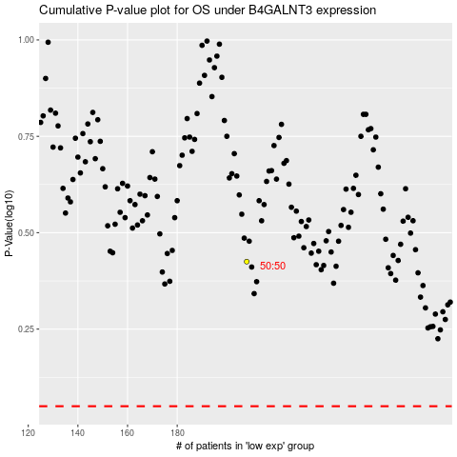

 |  |  |  |  |  | cases_OS | p_OS | rank | exp
 |  |  |  |  |  |  | cases_RFS | p_RFS | rank | exp

