B4GALT2 _multivariate
Reported by Tex Li-Hsing Chi. tex@gate.sinica.edu.tw 2019-08-21

Table 2. The clinicopathological features of HNSCC cohort and B4GALT2 expression. (Chi square test)
Cutoff at -0.108 (49.8%)
 |  | B4GALT2 expression |  | B4GALT2 expression |  | (Optimised)
 | Features | Low | (%) | High | (%) | Case no | P-value | Remark | Matthews
Gender | Female | 155 | 37.3 | 151 | 36.4 | 415 | 0.6768 | 0 | 0
2 | Male | 52 | 12.5 | 57 | 13.7
Age at diagnosis | <=65y | 130 | 31.3 | 144 | 34.7 | 415 | 0.2009 | 0 | 0
4 | >65y | 77 | 18.6 | 64 | 15.4
Clinical T Status | T1+T2 | 81 | 19.5 | 68 | 16.4 | 415 | 0.206 | 0 | 0
6 | T3+T4 | 126 | 30.4 | 140 | 33.7
Clinical N Status | N0 | 101 | 24.3 | 115 | 27.7 | 415 | 0.2201 | 0 | 0
8 | N1-3 | 106 | 25.5 | 93 | 22.4
Clinical M Status | M0 | 207 | 49.9 | 205 | 49.4 | 415 | 0.2482 | 0 | 0
10 | M1 | 0 | 0 | 3 | 0.7
Clinical Stage | Stage I+II | 47 | 11.3 | 55 | 13.3 | 415 | 0.4413 | 0 | 0
12 | Stage III+IV | 160 | 38.6 | 153 | 36.9
Surgical Margin status | Negative | 157 | 37.8 | 161 | 38.8 | 415 | 0.729 | 0 | 0
14 | Positive | 50 | 12 | 47 | 11.3
Tobacco Exposure | Low | 82 | 19.8 | 79 | 19 | 415 | 0.763 | 0 | 0
16 | High | 125 | 30.1 | 129 | 31.1

Table 3. Univariate/Multivariate Cox's proportional hazards regression analyses on OS time of B4GALT2 gene expression in HNSCC

 |  | Univariate |  |  |  | Multivariate
 | Features | HR | CI95%(L) | CI95%(H) | P-value | HR | CI95%(L) | CI95%(H) | P-value
1 | Female | 1 |  |  |  | 1
Gender | Male | 1.157 | 0.843 | 1.587 | 0.367 | 1.207 | 0.864 | 1.688 | 0.27
11 | <=65y | 1 |  |  |  | 1
Age at diagnosis | >65y | 1.329 | 0.99 | 1.784 | 0.058 | 1.385 | 1.018 | 1.884 | 0.038
12 | T1+T2 | 1 |  |  |  | 1
Clinical T Status | T3+T4 | 1.409 | 1.028 | 1.931 | 0.033 | 2.256 | 1.182 | 4.306 | 0.014
13 | N0 | 1 |  |  |  | 1
Clinical N Status | N1-3 | 1.185 | 0.89 | 1.577 | 0.246 | 1.243 | 0.871 | 1.774 | 0.23
14 | M0 | 1 |  |  |  | 1
Clinical M Status | M1 | 4.097 | 1.009 | 16.644 | 0.049 | 9.942 | 2.123 | 46.548 | 0.004
15 | Stage I+II | 1 |  |  |  | 1
Clinical Stage | Stage III+IV | 1.245 | 0.882 | 1.759 | 0.213 | 0.491 | 0.227 | 1.064 | 0.072
16 | Negative | 1 |  |  |  | 1
Surgical Margin status | Positive | 1.591 | 1.155 | 2.191 | 0.004 | 1.679 | 1.214 | 2.321 | 0.002
17 | Low | 1 |  |  |  | 1
Tobacco Exposure | High | 1.364 | 1.008 | 1.844 | 0.044 | 1.456 | 1.057 | 2.006 | 0.022
18 | Low | 1 |  |  |  | 1
RNAseq(z-score) | High | 1.048 | 0.786 | 1.396 | 0.75 | 0.937 | 0.698 | 1.259 | 0.668

Table 4. Univariate/Multivariate Cox's proportional hazards regression analyses on RFS time of B4GALT2 gene expression in HNSCC

 |  | Univariate |  |  |  | Multivariate
 | Features | HR | CI95%(L) | CI95%(H) | P-value | HR | CI95%(L) | CI95%(H) | P-value
1 | Female | 1 |  |  |  | 1
Gender | Male | 1.157 | 0.843 | 1.587 | 0.367 | 1.207 | 0.864 | 1.688 | 0.27
11 | <=65y | 1 |  |  |  | 1
Age at diagnosis | >65y | 1.329 | 0.99 | 1.784 | 0.058 | 1.385 | 1.018 | 1.884 | 0.038
12 | T1+T2 | 1 |  |  |  | 1
Clinical T Status | T3+T4 | 1.409 | 1.028 | 1.931 | 0.033 | 2.256 | 1.182 | 4.306 | 0.014
13 | N0 | 1 |  |  |  | 1
Clinical N Status | N1-3 | 1.185 | 0.89 | 1.577 | 0.246 | 1.243 | 0.871 | 1.774 | 0.23
14 | M0 | 1 |  |  |  | 1
Clinical M Status | M1 | 4.097 | 1.009 | 16.644 | 0.049 | 9.942 | 2.123 | 46.548 | 0.004
15 | Stage I+II | 1 |  |  |  | 1
Clinical Stage | Stage III+IV | 1.245 | 0.882 | 1.759 | 0.213 | 0.491 | 0.227 | 1.064 | 0.072
16 | Negative | 1 |  |  |  | 1
Surgical Margin status | Positive | 1.591 | 1.155 | 2.191 | 0.004 | 1.679 | 1.214 | 2.321 | 0.002
17 | Low | 1 |  |  |  | 1
Tobacco Exposure | High | 1.364 | 1.008 | 1.844 | 0.044 | 1.456 | 1.057 | 2.006 | 0.022
18 | Low | 1 |  |  |  | 1
RNAseq(z-score) | High | 1.048 | 0.786 | 1.396 | 0.75 | 0.937 | 0.698 | 1.259 | 0.668

Kaplan-Meier survival estimate: Cutoff at -0.108 (49.8%)



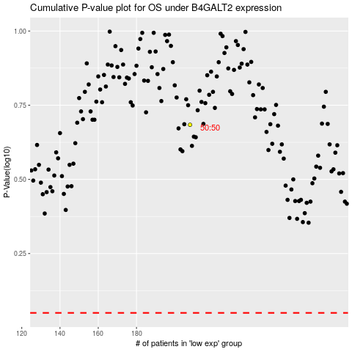

 |  |  |  |  |  | cases_OS | p_OS | rank | exp
 |  |  |  |  |  |  | cases_RFS | p_RFS | rank | exp

