B4GALT4 _multivariate
Reported by Tex Li-Hsing Chi. tex@gate.sinica.edu.tw 2019-08-21

Table 2. The clinicopathological features of HNSCC cohort and B4GALT4 expression. (Chi square test)
Cutoff at -0.306 (50.0%)
 |  | B4GALT4 expression |  | B4GALT4 expression |  | (Optimised)
 | Features | Low | (%) | High | (%) | Case no | P-value | Remark | Matthews
Gender | Female | 144 | 34.7 | 162 | 39 | 415 | 0.0697 | 0 | 0
2 | Male | 63 | 15.2 | 46 | 11.1
Age at diagnosis | <=65y | 138 | 33.3 | 136 | 32.8 | 415 | 0.8634 | 0 | 0
4 | >65y | 69 | 16.6 | 72 | 17.3
Clinical T Status | T1+T2 | 81 | 19.5 | 68 | 16.4 | 415 | 0.206 | 0 | 0
6 | T3+T4 | 126 | 30.4 | 140 | 33.7
Clinical N Status | N0 | 108 | 26 | 108 | 26 | 415 | 1 | 0 | 0
8 | N1-3 | 99 | 23.9 | 100 | 24.1
Clinical M Status | M0 | 205 | 49.4 | 207 | 49.9 | 415 | 0.6232 | 0 | 0
10 | M1 | 2 | 0.5 | 1 | 0.2
Clinical Stage | Stage I+II | 59 | 14.2 | 43 | 10.4 | 415 | 0.0822 | 0 | 0
12 | Stage III+IV | 148 | 35.7 | 165 | 39.8
Surgical Margin status | Negative | 157 | 37.8 | 161 | 38.8 | 415 | 0.729 | 0 | 0
14 | Positive | 50 | 12 | 47 | 11.3
Tobacco Exposure | Low | 99 | 23.9 | 62 | 14.9 | 415 | 2e-04 | 1 | 0
16 | High | 108 | 26 | 146 | 35.2

Table 3. Univariate/Multivariate Cox's proportional hazards regression analyses on OS time of B4GALT4 gene expression in HNSCC

 |  | Univariate |  |  |  | Multivariate
 | Features | HR | CI95%(L) | CI95%(H) | P-value | HR | CI95%(L) | CI95%(H) | P-value
1 | Female | 1 |  |  |  | 1
Gender | Male | 1.157 | 0.843 | 1.587 | 0.367 | 1.198 | 0.857 | 1.674 | 0.291
11 | <=65y | 1 |  |  |  | 1
Age at diagnosis | >65y | 1.329 | 0.99 | 1.784 | 0.058 | 1.399 | 1.027 | 1.904 | 0.033
12 | T1+T2 | 1 |  |  |  | 1
Clinical T Status | T3+T4 | 1.409 | 1.028 | 1.931 | 0.033 | 2.183 | 1.153 | 4.134 | 0.017
13 | N0 | 1 |  |  |  | 1
Clinical N Status | N1-3 | 1.185 | 0.89 | 1.577 | 0.246 | 1.238 | 0.868 | 1.766 | 0.239
14 | M0 | 1 |  |  |  | 1
Clinical M Status | M1 | 4.097 | 1.009 | 16.644 | 0.049 | 9.164 | 1.987 | 42.261 | 0.005
15 | Stage I+II | 1 |  |  |  | 1
Clinical Stage | Stage III+IV | 1.245 | 0.882 | 1.759 | 0.213 | 0.514 | 0.238 | 1.109 | 0.09
16 | Negative | 1 |  |  |  | 1
Surgical Margin status | Positive | 1.591 | 1.155 | 2.191 | 0.004 | 1.662 | 1.201 | 2.299 | 0.002
17 | Low | 1 |  |  |  | 1
Tobacco Exposure | High | 1.364 | 1.008 | 1.844 | 0.044 | 1.475 | 1.06 | 2.052 | 0.021
18 | Low | 1 |  |  |  | 1
RNAseq(z-score) | High | 0.957 | 0.717 | 1.277 | 0.763 | 0.943 | 0.695 | 1.279 | 0.706

Table 4. Univariate/Multivariate Cox's proportional hazards regression analyses on RFS time of B4GALT4 gene expression in HNSCC

 |  | Univariate |  |  |  | Multivariate
 | Features | HR | CI95%(L) | CI95%(H) | P-value | HR | CI95%(L) | CI95%(H) | P-value
1 | Female | 1 |  |  |  | 1
Gender | Male | 1.157 | 0.843 | 1.587 | 0.367 | 1.198 | 0.857 | 1.674 | 0.291
11 | <=65y | 1 |  |  |  | 1
Age at diagnosis | >65y | 1.329 | 0.99 | 1.784 | 0.058 | 1.399 | 1.027 | 1.904 | 0.033
12 | T1+T2 | 1 |  |  |  | 1
Clinical T Status | T3+T4 | 1.409 | 1.028 | 1.931 | 0.033 | 2.183 | 1.153 | 4.134 | 0.017
13 | N0 | 1 |  |  |  | 1
Clinical N Status | N1-3 | 1.185 | 0.89 | 1.577 | 0.246 | 1.238 | 0.868 | 1.766 | 0.239
14 | M0 | 1 |  |  |  | 1
Clinical M Status | M1 | 4.097 | 1.009 | 16.644 | 0.049 | 9.164 | 1.987 | 42.261 | 0.005
15 | Stage I+II | 1 |  |  |  | 1
Clinical Stage | Stage III+IV | 1.245 | 0.882 | 1.759 | 0.213 | 0.514 | 0.238 | 1.109 | 0.09
16 | Negative | 1 |  |  |  | 1
Surgical Margin status | Positive | 1.591 | 1.155 | 2.191 | 0.004 | 1.662 | 1.201 | 2.299 | 0.002
17 | Low | 1 |  |  |  | 1
Tobacco Exposure | High | 1.364 | 1.008 | 1.844 | 0.044 | 1.475 | 1.06 | 2.052 | 0.021
18 | Low | 1 |  |  |  | 1
RNAseq(z-score) | High | 0.957 | 0.717 | 1.277 | 0.763 | 0.943 | 0.695 | 1.279 | 0.706

Kaplan-Meier survival estimate: Cutoff at -0.306 (50.0%)



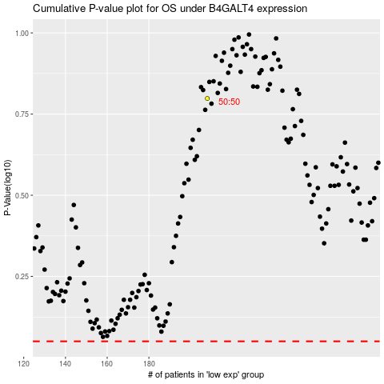

 |  |  |  |  |  | cases_OS | p_OS | rank | exp
 |  |  |  |  |  |  | cases_RFS | p_RFS | rank | exp

