B4GALT5 _multivariate
Reported by Tex Li-Hsing Chi. tex@gate.sinica.edu.tw 2019-08-21

Table 2. The clinicopathological features of HNSCC cohort and B4GALT5 expression. (Chi square test)
Cutoff at -0.282 (50.0%)
 |  | B4GALT5 expression |  | B4GALT5 expression |  | (Optimised)
 | Features | Low | (%) | High | (%) | Case no | P-value | Remark | Matthews
Gender | Female | 152 | 36.6 | 154 | 37.1 | 415 | 0.9766 | 0 | 0
2 | Male | 55 | 13.3 | 54 | 13
Age at diagnosis | <=65y | 137 | 33 | 137 | 33 | 415 | 1 | 0 | 0
4 | >65y | 70 | 16.9 | 71 | 17.1
Clinical T Status | T1+T2 | 84 | 20.2 | 65 | 15.7 | 415 | 0.0603 | 0 | 0
6 | T3+T4 | 123 | 29.6 | 143 | 34.5
Clinical N Status | N0 | 122 | 29.4 | 94 | 22.7 | 415 | 0.0068 | 1 | 0
8 | N1-3 | 85 | 20.5 | 114 | 27.5
Clinical M Status | M0 | 204 | 49.2 | 208 | 50.1 | 415 | 0.1232 | 0 | 0
10 | M1 | 3 | 0.7 | 0 | 0
Clinical Stage | Stage I+II | 61 | 14.7 | 41 | 9.9 | 415 | 0.0282 | 1 | 0
12 | Stage III+IV | 146 | 35.2 | 167 | 40.2
Surgical Margin status | Negative | 153 | 36.9 | 165 | 39.8 | 415 | 0.2036 | 0 | 0
14 | Positive | 54 | 13 | 43 | 10.4
Tobacco Exposure | Low | 101 | 24.3 | 60 | 14.5 | 415 | 0 | 1 | 0
16 | High | 106 | 25.5 | 148 | 35.7

Table 3. Univariate/Multivariate Cox's proportional hazards regression analyses on OS time of B4GALT5 gene expression in HNSCC

 |  | Univariate |  |  |  | Multivariate
 | Features | HR | CI95%(L) | CI95%(H) | P-value | HR | CI95%(L) | CI95%(H) | P-value
1 | Female | 1 |  |  |  | 1
Gender | Male | 1.157 | 0.843 | 1.587 | 0.367 | 1.201 | 0.86 | 1.678 | 0.282
11 | <=65y | 1 |  |  |  | 1
Age at diagnosis | >65y | 1.329 | 0.99 | 1.784 | 0.058 | 1.386 | 1.016 | 1.891 | 0.04
12 | T1+T2 | 1 |  |  |  | 1
Clinical T Status | T3+T4 | 1.409 | 1.028 | 1.931 | 0.033 | 2.207 | 1.167 | 4.176 | 0.015
13 | N0 | 1 |  |  |  | 1
Clinical N Status | N1-3 | 1.185 | 0.89 | 1.577 | 0.246 | 1.236 | 0.864 | 1.768 | 0.245
14 | M0 | 1 |  |  |  | 1
Clinical M Status | M1 | 4.097 | 1.009 | 16.644 | 0.049 | 9.571 | 2.061 | 44.446 | 0.004
15 | Stage I+II | 1 |  |  |  | 1
Clinical Stage | Stage III+IV | 1.245 | 0.882 | 1.759 | 0.213 | 0.502 | 0.234 | 1.08 | 0.078
16 | Negative | 1 |  |  |  | 1
Surgical Margin status | Positive | 1.591 | 1.155 | 2.191 | 0.004 | 1.677 | 1.211 | 2.323 | 0.002
17 | Low | 1 |  |  |  | 1
Tobacco Exposure | High | 1.364 | 1.008 | 1.844 | 0.044 | 1.446 | 1.045 | 2.001 | 0.026
18 | Low | 1 |  |  |  | 1
RNAseq(z-score) | High | 1.069 | 0.801 | 1.428 | 0.649 | 1.027 | 0.757 | 1.393 | 0.863

Table 4. Univariate/Multivariate Cox's proportional hazards regression analyses on RFS time of B4GALT5 gene expression in HNSCC

 |  | Univariate |  |  |  | Multivariate
 | Features | HR | CI95%(L) | CI95%(H) | P-value | HR | CI95%(L) | CI95%(H) | P-value
1 | Female | 1 |  |  |  | 1
Gender | Male | 1.157 | 0.843 | 1.587 | 0.367 | 1.201 | 0.86 | 1.678 | 0.282
11 | <=65y | 1 |  |  |  | 1
Age at diagnosis | >65y | 1.329 | 0.99 | 1.784 | 0.058 | 1.386 | 1.016 | 1.891 | 0.04
12 | T1+T2 | 1 |  |  |  | 1
Clinical T Status | T3+T4 | 1.409 | 1.028 | 1.931 | 0.033 | 2.207 | 1.167 | 4.176 | 0.015
13 | N0 | 1 |  |  |  | 1
Clinical N Status | N1-3 | 1.185 | 0.89 | 1.577 | 0.246 | 1.236 | 0.864 | 1.768 | 0.245
14 | M0 | 1 |  |  |  | 1
Clinical M Status | M1 | 4.097 | 1.009 | 16.644 | 0.049 | 9.571 | 2.061 | 44.446 | 0.004
15 | Stage I+II | 1 |  |  |  | 1
Clinical Stage | Stage III+IV | 1.245 | 0.882 | 1.759 | 0.213 | 0.502 | 0.234 | 1.08 | 0.078
16 | Negative | 1 |  |  |  | 1
Surgical Margin status | Positive | 1.591 | 1.155 | 2.191 | 0.004 | 1.677 | 1.211 | 2.323 | 0.002
17 | Low | 1 |  |  |  | 1
Tobacco Exposure | High | 1.364 | 1.008 | 1.844 | 0.044 | 1.446 | 1.045 | 2.001 | 0.026
18 | Low | 1 |  |  |  | 1
RNAseq(z-score) | High | 1.069 | 0.801 | 1.428 | 0.649 | 1.027 | 0.757 | 1.393 | 0.863

Kaplan-Meier survival estimate: Cutoff at -0.282 (50.0%)

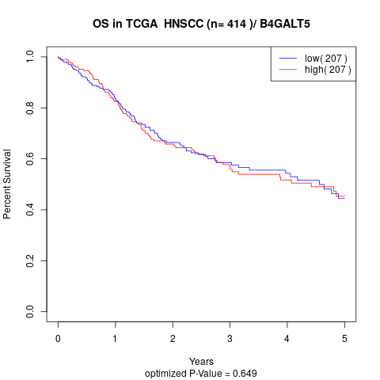

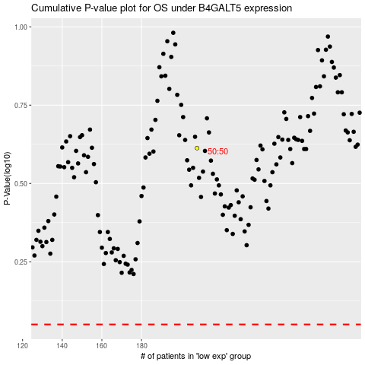

 |  |  |  |  |  | cases_OS | p_OS | rank | exp
 |  |  |  |  |  |  | cases_RFS | p_RFS | rank | exp

