BACE1 _multivariate
Reported by Tex Li-Hsing Chi. tex@gate.sinica.edu.tw 2019-08-21

Table 2. The clinicopathological features of HNSCC cohort and BACE1 expression. (Chi square test)
Cutoff at -0.146 (49.8%)
 |  | BACE1 expression |  | BACE1 expression |  | (Optimised)
 | Features | Low | (%) | High | (%) | Case no | P-value | Remark | Matthews
Gender | Female | 156 | 37.6 | 150 | 36.1 | 415 | 0.5222 | 0 | 0
2 | Male | 51 | 12.3 | 58 | 14
Age at diagnosis | <=65y | 141 | 34 | 133 | 32 | 415 | 0.4272 | 0 | 0
4 | >65y | 66 | 15.9 | 75 | 18.1
Clinical T Status | T1+T2 | 73 | 17.6 | 76 | 18.3 | 415 | 0.8666 | 0 | 0
6 | T3+T4 | 134 | 32.3 | 132 | 31.8
Clinical N Status | N0 | 94 | 22.7 | 122 | 29.4 | 415 | 0.0093 | 1 | 0
8 | N1-3 | 113 | 27.2 | 86 | 20.7
Clinical M Status | M0 | 204 | 49.2 | 208 | 50.1 | 415 | 0.1232 | 0 | 0
10 | M1 | 3 | 0.7 | 0 | 0
Clinical Stage | Stage I+II | 42 | 10.1 | 60 | 14.5 | 415 | 0.0561 | 0 | 0
12 | Stage III+IV | 165 | 39.8 | 148 | 35.7
Surgical Margin status | Negative | 151 | 36.4 | 167 | 40.2 | 415 | 0.0828 | 0 | 0
14 | Positive | 56 | 13.5 | 41 | 9.9
Tobacco Exposure | Low | 77 | 18.6 | 84 | 20.2 | 415 | 0.5459 | 0 | 0
16 | High | 130 | 31.3 | 124 | 29.9

Table 3. Univariate/Multivariate Cox's proportional hazards regression analyses on OS time of BACE1 gene expression in HNSCC

 |  | Univariate |  |  |  | Multivariate
 | Features | HR | CI95%(L) | CI95%(H) | P-value | HR | CI95%(L) | CI95%(H) | P-value
1 | Female | 1 |  |  |  | 1
Gender | Male | 1.157 | 0.843 | 1.587 | 0.367 | 1.199 | 0.858 | 1.674 | 0.288
11 | <=65y | 1 |  |  |  | 1
Age at diagnosis | >65y | 1.329 | 0.99 | 1.784 | 0.058 | 1.394 | 1.025 | 1.895 | 0.034
12 | T1+T2 | 1 |  |  |  | 1
Clinical T Status | T3+T4 | 1.409 | 1.028 | 1.931 | 0.033 | 2.183 | 1.153 | 4.131 | 0.017
13 | N0 | 1 |  |  |  | 1
Clinical N Status | N1-3 | 1.185 | 0.89 | 1.577 | 0.246 | 1.243 | 0.871 | 1.774 | 0.23
14 | M0 | 1 |  |  |  | 1
Clinical M Status | M1 | 4.097 | 1.009 | 16.644 | 0.049 | 9.669 | 2.1 | 44.512 | 0.004
15 | Stage I+II | 1 |  |  |  | 1
Clinical Stage | Stage III+IV | 1.245 | 0.882 | 1.759 | 0.213 | 0.509 | 0.237 | 1.094 | 0.084
16 | Negative | 1 |  |  |  | 1
Surgical Margin status | Positive | 1.591 | 1.155 | 2.191 | 0.004 | 1.686 | 1.218 | 2.334 | 0.002
17 | Low | 1 |  |  |  | 1
Tobacco Exposure | High | 1.364 | 1.008 | 1.844 | 0.044 | 1.448 | 1.051 | 1.996 | 0.024
18 | Low | 1 |  |  |  | 1
RNAseq(z-score) | High | 1.042 | 0.782 | 1.389 | 0.777 | 1.074 | 0.802 | 1.438 | 0.631

Table 4. Univariate/Multivariate Cox's proportional hazards regression analyses on RFS time of BACE1 gene expression in HNSCC

 |  | Univariate |  |  |  | Multivariate
 | Features | HR | CI95%(L) | CI95%(H) | P-value | HR | CI95%(L) | CI95%(H) | P-value
1 | Female | 1 |  |  |  | 1
Gender | Male | 1.157 | 0.843 | 1.587 | 0.367 | 1.199 | 0.858 | 1.674 | 0.288
11 | <=65y | 1 |  |  |  | 1
Age at diagnosis | >65y | 1.329 | 0.99 | 1.784 | 0.058 | 1.394 | 1.025 | 1.895 | 0.034
12 | T1+T2 | 1 |  |  |  | 1
Clinical T Status | T3+T4 | 1.409 | 1.028 | 1.931 | 0.033 | 2.183 | 1.153 | 4.131 | 0.017
13 | N0 | 1 |  |  |  | 1
Clinical N Status | N1-3 | 1.185 | 0.89 | 1.577 | 0.246 | 1.243 | 0.871 | 1.774 | 0.23
14 | M0 | 1 |  |  |  | 1
Clinical M Status | M1 | 4.097 | 1.009 | 16.644 | 0.049 | 9.669 | 2.1 | 44.512 | 0.004
15 | Stage I+II | 1 |  |  |  | 1
Clinical Stage | Stage III+IV | 1.245 | 0.882 | 1.759 | 0.213 | 0.509 | 0.237 | 1.094 | 0.084
16 | Negative | 1 |  |  |  | 1
Surgical Margin status | Positive | 1.591 | 1.155 | 2.191 | 0.004 | 1.686 | 1.218 | 2.334 | 0.002
17 | Low | 1 |  |  |  | 1
Tobacco Exposure | High | 1.364 | 1.008 | 1.844 | 0.044 | 1.448 | 1.051 | 1.996 | 0.024
18 | Low | 1 |  |  |  | 1
RNAseq(z-score) | High | 1.042 | 0.782 | 1.389 | 0.777 | 1.074 | 0.802 | 1.438 | 0.631

Kaplan-Meier survival estimate: Cutoff at -0.146 (49.8%)



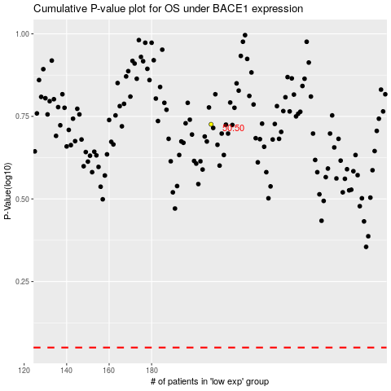

 |  |  |  |  |  | cases_OS | p_OS | rank | exp
 |  |  |  |  |  |  | cases_RFS | p_RFS | rank | exp

