BAD _multivariate
Reported by Tex Li-Hsing Chi. tex@gate.sinica.edu.tw 2019-08-21

Table 2. The clinicopathological features of HNSCC cohort and BAD expression. (Chi square test)
Cutoff at -0.499 (30.2%)
 |  | BAD expression |  | BAD expression |  | (Optimised)
 | Features | Low | (%) | High | (%) | Case no | P-value | Remark | Matthews
Gender | Female | 89 | 21.4 | 217 | 52.3 | 415 | 0.5164 | 0 | 0
2 | Male | 36 | 8.7 | 73 | 17.6
Age at diagnosis | <=65y | 76 | 18.3 | 198 | 47.7 | 415 | 0.1731 | 0 | 0
4 | >65y | 49 | 11.8 | 92 | 22.2
Clinical T Status | T1+T2 | 49 | 11.8 | 100 | 24.1 | 415 | 0.4194 | 0 | 0
6 | T3+T4 | 76 | 18.3 | 190 | 45.8
Clinical N Status | N0 | 70 | 16.9 | 146 | 35.2 | 415 | 0.3417 | 0 | 0
8 | N1-3 | 55 | 13.3 | 144 | 34.7
Clinical M Status | M0 | 124 | 29.9 | 288 | 69.4 | 415 | 1 | 0 | 0
10 | M1 | 1 | 0.2 | 2 | 0.5
Clinical Stage | Stage I+II | 34 | 8.2 | 68 | 16.4 | 415 | 0.4901 | 0 | 0
12 | Stage III+IV | 91 | 21.9 | 222 | 53.5
Surgical Margin status | Negative | 98 | 23.6 | 220 | 53 | 415 | 0.6148 | 0 | 0
14 | Positive | 27 | 6.5 | 70 | 16.9
Tobacco Exposure | Low | 62 | 14.9 | 99 | 23.9 | 415 | 0.0042 | 1 | 0
16 | High | 63 | 15.2 | 191 | 46

Table 3. Univariate/Multivariate Cox's proportional hazards regression analyses on OS time of BAD gene expression in HNSCC

 |  | Univariate |  |  |  | Multivariate
 | Features | HR | CI95%(L) | CI95%(H) | P-value | HR | CI95%(L) | CI95%(H) | P-value
1 | Female | 1 |  |  |  | 1
Gender | Male | 1.157 | 0.843 | 1.587 | 0.367 | 1.208 | 0.865 | 1.686 | 0.268
11 | <=65y | 1 |  |  |  | 1
Age at diagnosis | >65y | 1.329 | 0.99 | 1.784 | 0.058 | 1.416 | 1.041 | 1.926 | 0.027
12 | T1+T2 | 1 |  |  |  | 1
Clinical T Status | T3+T4 | 1.409 | 1.028 | 1.931 | 0.033 | 2.162 | 1.143 | 4.089 | 0.018
13 | N0 | 1 |  |  |  | 1
Clinical N Status | N1-3 | 1.185 | 0.89 | 1.577 | 0.246 | 1.223 | 0.857 | 1.745 | 0.267
14 | M0 | 1 |  |  |  | 1
Clinical M Status | M1 | 4.097 | 1.009 | 16.644 | 0.049 | 9.064 | 1.975 | 41.584 | 0.005
15 | Stage I+II | 1 |  |  |  | 1
Clinical Stage | Stage III+IV | 1.245 | 0.882 | 1.759 | 0.213 | 0.515 | 0.24 | 1.105 | 0.088
16 | Negative | 1 |  |  |  | 1
Surgical Margin status | Positive | 1.591 | 1.155 | 2.191 | 0.004 | 1.637 | 1.185 | 2.263 | 0.003
17 | Low | 1 |  |  |  | 1
Tobacco Exposure | High | 1.364 | 1.008 | 1.844 | 0.044 | 1.396 | 1.011 | 1.928 | 0.043
18 | Low | 1 |  |  |  | 1
RNAseq(z-score) | High | 1.447 | 1.037 | 2.019 | 0.03 | 1.349 | 0.961 | 1.895 | 0.084

Table 4. Univariate/Multivariate Cox's proportional hazards regression analyses on RFS time of BAD gene expression in HNSCC

 |  | Univariate |  |  |  | Multivariate
 | Features | HR | CI95%(L) | CI95%(H) | P-value | HR | CI95%(L) | CI95%(H) | P-value
1 | Female | 1 |  |  |  | 1
Gender | Male | 1.157 | 0.843 | 1.587 | 0.367 | 1.208 | 0.865 | 1.686 | 0.268
11 | <=65y | 1 |  |  |  | 1
Age at diagnosis | >65y | 1.329 | 0.99 | 1.784 | 0.058 | 1.416 | 1.041 | 1.926 | 0.027
12 | T1+T2 | 1 |  |  |  | 1
Clinical T Status | T3+T4 | 1.409 | 1.028 | 1.931 | 0.033 | 2.162 | 1.143 | 4.089 | 0.018
13 | N0 | 1 |  |  |  | 1
Clinical N Status | N1-3 | 1.185 | 0.89 | 1.577 | 0.246 | 1.223 | 0.857 | 1.745 | 0.267
14 | M0 | 1 |  |  |  | 1
Clinical M Status | M1 | 4.097 | 1.009 | 16.644 | 0.049 | 9.064 | 1.975 | 41.584 | 0.005
15 | Stage I+II | 1 |  |  |  | 1
Clinical Stage | Stage III+IV | 1.245 | 0.882 | 1.759 | 0.213 | 0.515 | 0.24 | 1.105 | 0.088
16 | Negative | 1 |  |  |  | 1
Surgical Margin status | Positive | 1.591 | 1.155 | 2.191 | 0.004 | 1.637 | 1.185 | 2.263 | 0.003
17 | Low | 1 |  |  |  | 1
Tobacco Exposure | High | 1.364 | 1.008 | 1.844 | 0.044 | 1.396 | 1.011 | 1.928 | 0.043
18 | Low | 1 |  |  |  | 1
RNAseq(z-score) | High | 1.447 | 1.037 | 2.019 | 0.03 | 1.349 | 0.961 | 1.895 | 0.084

Kaplan-Meier survival estimate: Cutoff at -0.499 (30.2%)

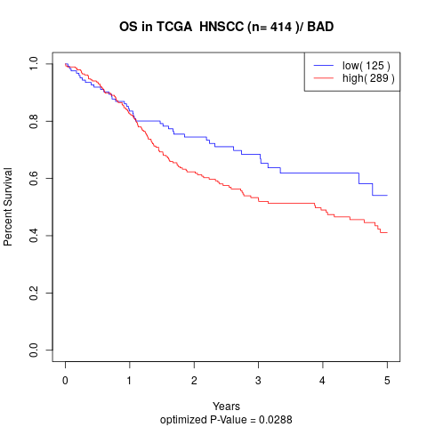

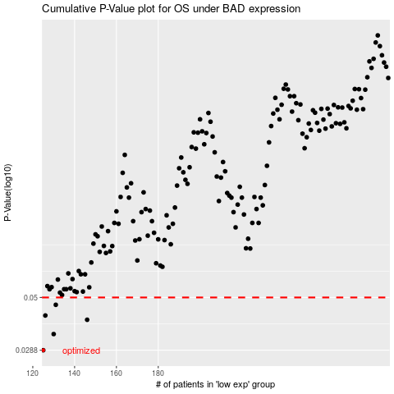

 |  |  |  |  |  | cases_OS | p_OS | rank | exp
 |  |  |  |  |  | 125 | 0.0288 | 210 | -0.49871876417
 |  |  |  |  |  | 130 | 0.0341 | 97 | -0.48836136779
 |  |  |  |  |  | 146 | 0.0396 | 217 | -0.4344812344
 |  |  |  |  |  | 126 | 0.0414 | 308 | -0.49795688756
 |  |  |  |  |  | 131 | 0.0463 | 117 | -0.48630893543
 |  |  |  |  |  |  | cases_RFS | p_RFS | rank | exp
 |  |  |  |  |  |  |  | 0.0288 | 376 | -0.49999405024
 |  |  |  |  |  |  | 129 | 0.0341 | 205 | -0.49172163475
 |  |  |  |  |  |  | 145 | 0.0396 | 177 | -0.43947482122
 |  |  |  |  |  |  | 125 | 0.0414 | 210 | -0.49871876417
 |  |  |  |  |  |  | 130 | 0.0463 | 97 | -0.48836136779

