BAG2 _multivariate
Reported by Tex Li-Hsing Chi. tex@gate.sinica.edu.tw 2019-08-21

Table 2. The clinicopathological features of HNSCC cohort and BAG2 expression. (Chi square test)
Cutoff at -0.031 (57.5%)
 |  | BAG2 expression |  | BAG2 expression |  | (Optimised)
 | Features | Low | (%) | High | (%) | Case no | P-value | Remark | Matthews
Gender | Female | 174 | 41.9 | 132 | 31.8 | 415 | 0.6968 | 0 | 0
2 | Male | 65 | 15.7 | 44 | 10.6
Age at diagnosis | <=65y | 162 | 39 | 112 | 27 | 415 | 0.4375 | 0 | 0
4 | >65y | 77 | 18.6 | 64 | 15.4
Clinical T Status | T1+T2 | 93 | 22.4 | 56 | 13.5 | 415 | 0.166 | 0 | 0
6 | T3+T4 | 146 | 35.2 | 120 | 28.9
Clinical N Status | N0 | 134 | 32.3 | 82 | 19.8 | 415 | 0.0703 | 0 | 0
8 | N1-3 | 105 | 25.3 | 94 | 22.7
Clinical M Status | M0 | 238 | 57.3 | 174 | 41.9 | 415 | 0.5767 | 0 | 0
10 | M1 | 1 | 0.2 | 2 | 0.5
Clinical Stage | Stage I+II | 65 | 15.7 | 37 | 8.9 | 415 | 0.1841 | 0 | 0
12 | Stage III+IV | 174 | 41.9 | 139 | 33.5
Surgical Margin status | Negative | 184 | 44.3 | 134 | 32.3 | 415 | 0.9067 | 0 | 0
14 | Positive | 55 | 13.3 | 42 | 10.1
Tobacco Exposure | Low | 108 | 26 | 53 | 12.8 | 415 | 0.0022 | 1 | 0
16 | High | 131 | 31.6 | 123 | 29.6

Table 3. Univariate/Multivariate Cox's proportional hazards regression analyses on OS time of BAG2 gene expression in HNSCC

 |  | Univariate |  |  |  | Multivariate
 | Features | HR | CI95%(L) | CI95%(H) | P-value | HR | CI95%(L) | CI95%(H) | P-value
1 | Female | 1 |  |  |  | 1
Gender | Male | 1.157 | 0.843 | 1.587 | 0.367 | 1.201 | 0.86 | 1.678 | 0.283
11 | <=65y | 1 |  |  |  | 1
Age at diagnosis | >65y | 1.329 | 0.99 | 1.784 | 0.058 | 1.376 | 1.012 | 1.872 | 0.042
12 | T1+T2 | 1 |  |  |  | 1
Clinical T Status | T3+T4 | 1.409 | 1.028 | 1.931 | 0.033 | 2.147 | 1.135 | 4.061 | 0.019
13 | N0 | 1 |  |  |  | 1
Clinical N Status | N1-3 | 1.185 | 0.89 | 1.577 | 0.246 | 1.227 | 0.859 | 1.752 | 0.261
14 | M0 | 1 |  |  |  | 1
Clinical M Status | M1 | 4.097 | 1.009 | 16.644 | 0.049 | 8.932 | 1.945 | 41.011 | 0.005
15 | Stage I+II | 1 |  |  |  | 1
Clinical Stage | Stage III+IV | 1.245 | 0.882 | 1.759 | 0.213 | 0.502 | 0.234 | 1.078 | 0.077
16 | Negative | 1 |  |  |  | 1
Surgical Margin status | Positive | 1.591 | 1.155 | 2.191 | 0.004 | 1.675 | 1.213 | 2.315 | 0.002
17 | Low | 1 |  |  |  | 1
Tobacco Exposure | High | 1.364 | 1.008 | 1.844 | 0.044 | 1.423 | 1.032 | 1.963 | 0.031
18 | Low | 1 |  |  |  | 1
RNAseq(z-score) | High | 1.346 | 1.006 | 1.8 | 0.045 | 1.233 | 0.916 | 1.659 | 0.168

Table 4. Univariate/Multivariate Cox's proportional hazards regression analyses on RFS time of BAG2 gene expression in HNSCC

 |  | Univariate |  |  |  | Multivariate
 | Features | HR | CI95%(L) | CI95%(H) | P-value | HR | CI95%(L) | CI95%(H) | P-value
1 | Female | 1 |  |  |  | 1
Gender | Male | 1.157 | 0.843 | 1.587 | 0.367 | 1.201 | 0.86 | 1.678 | 0.283
11 | <=65y | 1 |  |  |  | 1
Age at diagnosis | >65y | 1.329 | 0.99 | 1.784 | 0.058 | 1.376 | 1.012 | 1.872 | 0.042
12 | T1+T2 | 1 |  |  |  | 1
Clinical T Status | T3+T4 | 1.409 | 1.028 | 1.931 | 0.033 | 2.147 | 1.135 | 4.061 | 0.019
13 | N0 | 1 |  |  |  | 1
Clinical N Status | N1-3 | 1.185 | 0.89 | 1.577 | 0.246 | 1.227 | 0.859 | 1.752 | 0.261
14 | M0 | 1 |  |  |  | 1
Clinical M Status | M1 | 4.097 | 1.009 | 16.644 | 0.049 | 8.932 | 1.945 | 41.011 | 0.005
15 | Stage I+II | 1 |  |  |  | 1
Clinical Stage | Stage III+IV | 1.245 | 0.882 | 1.759 | 0.213 | 0.502 | 0.234 | 1.078 | 0.077
16 | Negative | 1 |  |  |  | 1
Surgical Margin status | Positive | 1.591 | 1.155 | 2.191 | 0.004 | 1.675 | 1.213 | 2.315 | 0.002
17 | Low | 1 |  |  |  | 1
Tobacco Exposure | High | 1.364 | 1.008 | 1.844 | 0.044 | 1.423 | 1.032 | 1.963 | 0.031
18 | Low | 1 |  |  |  | 1
RNAseq(z-score) | High | 1.346 | 1.006 | 1.8 | 0.045 | 1.233 | 0.916 | 1.659 | 0.168

Kaplan-Meier survival estimate: Cutoff at -0.031 (57.5%)



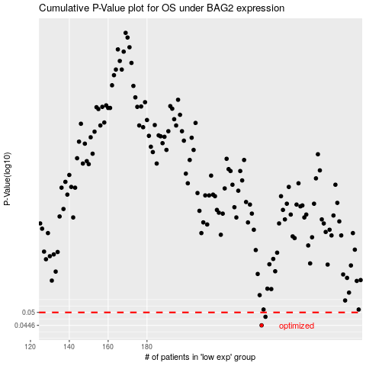

 |  |  |  |  |  | cases_OS | p_OS | rank | exp
 |  |  |  |  |  | 239 | 0.0446 | 3 | -0.031218290266
 |  |  |  |  |  | 241 | 0.0481 | 117 | -0.015448218897
 |  |  |  |  |  |  | cases_RFS | p_RFS | rank | exp
 |  |  |  |  |  |  | 238 | 0.0446 | 282 | -0.033944806844
 |  |  |  |  |  |  | 240 | 0.0481 | 19 | -0.0269588934

