BAG5 _multivariate
Reported by Tex Li-Hsing Chi. tex@gate.sinica.edu.tw 2019-08-21

Table 2. The clinicopathological features of HNSCC cohort and BAG5 expression. (Chi square test)
Cutoff at -0.247 (45.7%)
 |  | BAG5 expression |  | BAG5 expression |  | (Optimised)
 | Features | Low | (%) | High | (%) | Case no | P-value | Remark | Matthews
Gender | Female | 140 | 33.7 | 166 | 40 | 415 | 0.9748 | 0 | 0
2 | Male | 49 | 11.8 | 60 | 14.5
Age at diagnosis | <=65y | 127 | 30.6 | 147 | 35.4 | 415 | 0.7212 | 0 | 0
4 | >65y | 62 | 14.9 | 79 | 19
Clinical T Status | T1+T2 | 73 | 17.6 | 76 | 18.3 | 415 | 0.3402 | 0 | 0
6 | T3+T4 | 116 | 28 | 150 | 36.1
Clinical N Status | N0 | 98 | 23.6 | 118 | 28.4 | 415 | 1 | 0 | 0
8 | N1-3 | 91 | 21.9 | 108 | 26
Clinical M Status | M0 | 188 | 45.3 | 224 | 54 | 415 | 1 | 0 | 0
10 | M1 | 1 | 0.2 | 2 | 0.5
Clinical Stage | Stage I+II | 51 | 12.3 | 51 | 12.3 | 415 | 0.3542 | 0 | 0
12 | Stage III+IV | 138 | 33.3 | 175 | 42.2
Surgical Margin status | Negative | 144 | 34.7 | 174 | 41.9 | 415 | 0.9074 | 0 | 0
14 | Positive | 45 | 10.8 | 52 | 12.5
Tobacco Exposure | Low | 85 | 20.5 | 76 | 18.3 | 415 | 0.0201 | 1 | 0
16 | High | 104 | 25.1 | 150 | 36.1

Table 3. Univariate/Multivariate Cox's proportional hazards regression analyses on OS time of BAG5 gene expression in HNSCC

 |  | Univariate |  |  |  | Multivariate
 | Features | HR | CI95%(L) | CI95%(H) | P-value | HR | CI95%(L) | CI95%(H) | P-value
1 | Female | 1 |  |  |  | 1
Gender | Male | 1.157 | 0.843 | 1.587 | 0.367 | 1.184 | 0.846 | 1.658 | 0.324
11 | <=65y | 1 |  |  |  | 1
Age at diagnosis | >65y | 1.329 | 0.99 | 1.784 | 0.058 | 1.356 | 0.997 | 1.843 | 0.052
12 | T1+T2 | 1 |  |  |  | 1
Clinical T Status | T3+T4 | 1.409 | 1.028 | 1.931 | 0.033 | 2.222 | 1.174 | 4.204 | 0.014
13 | N0 | 1 |  |  |  | 1
Clinical N Status | N1-3 | 1.185 | 0.89 | 1.577 | 0.246 | 1.277 | 0.894 | 1.823 | 0.179
14 | M0 | 1 |  |  |  | 1
Clinical M Status | M1 | 4.097 | 1.009 | 16.644 | 0.049 | 9.308 | 2.03 | 42.678 | 0.004
15 | Stage I+II | 1 |  |  |  | 1
Clinical Stage | Stage III+IV | 1.245 | 0.882 | 1.759 | 0.213 | 0.475 | 0.221 | 1.022 | 0.057
16 | Negative | 1 |  |  |  | 1
Surgical Margin status | Positive | 1.591 | 1.155 | 2.191 | 0.004 | 1.701 | 1.23 | 2.353 | 0.001
17 | Low | 1 |  |  |  | 1
Tobacco Exposure | High | 1.364 | 1.008 | 1.844 | 0.044 | 1.377 | 0.994 | 1.906 | 0.054
18 | Low | 1 |  |  |  | 1
RNAseq(z-score) | High | 1.421 | 1.056 | 1.911 | 0.02 | 1.347 | 0.994 | 1.825 | 0.055

Table 4. Univariate/Multivariate Cox's proportional hazards regression analyses on RFS time of BAG5 gene expression in HNSCC

 |  | Univariate |  |  |  | Multivariate
 | Features | HR | CI95%(L) | CI95%(H) | P-value | HR | CI95%(L) | CI95%(H) | P-value
1 | Female | 1 |  |  |  | 1
Gender | Male | 1.157 | 0.843 | 1.587 | 0.367 | 1.184 | 0.846 | 1.658 | 0.324
11 | <=65y | 1 |  |  |  | 1
Age at diagnosis | >65y | 1.329 | 0.99 | 1.784 | 0.058 | 1.356 | 0.997 | 1.843 | 0.052
12 | T1+T2 | 1 |  |  |  | 1
Clinical T Status | T3+T4 | 1.409 | 1.028 | 1.931 | 0.033 | 2.222 | 1.174 | 4.204 | 0.014
13 | N0 | 1 |  |  |  | 1
Clinical N Status | N1-3 | 1.185 | 0.89 | 1.577 | 0.246 | 1.277 | 0.894 | 1.823 | 0.179
14 | M0 | 1 |  |  |  | 1
Clinical M Status | M1 | 4.097 | 1.009 | 16.644 | 0.049 | 9.308 | 2.03 | 42.678 | 0.004
15 | Stage I+II | 1 |  |  |  | 1
Clinical Stage | Stage III+IV | 1.245 | 0.882 | 1.759 | 0.213 | 0.475 | 0.221 | 1.022 | 0.057
16 | Negative | 1 |  |  |  | 1
Surgical Margin status | Positive | 1.591 | 1.155 | 2.191 | 0.004 | 1.701 | 1.23 | 2.353 | 0.001
17 | Low | 1 |  |  |  | 1
Tobacco Exposure | High | 1.364 | 1.008 | 1.844 | 0.044 | 1.377 | 0.994 | 1.906 | 0.054
18 | Low | 1 |  |  |  | 1
RNAseq(z-score) | High | 1.421 | 1.056 | 1.911 | 0.02 | 1.347 | 0.994 | 1.825 | 0.055

Kaplan-Meier survival estimate: Cutoff at -0.247 (45.7%)

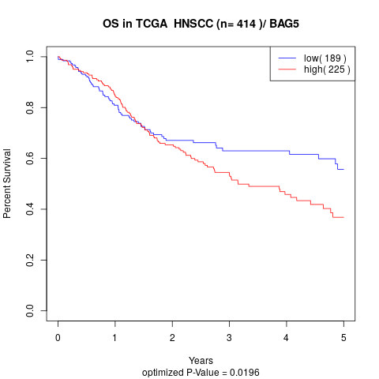

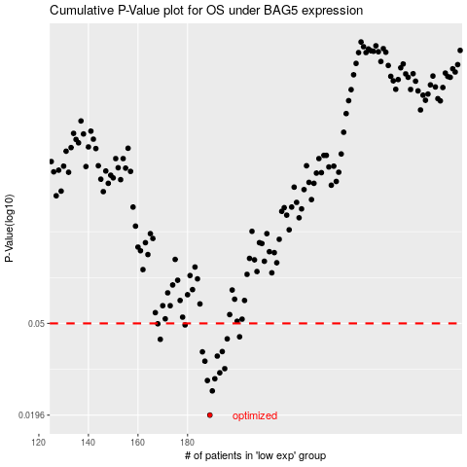

 |  |  |  |  |  | cases_OS | p_OS | rank | exp
 |  |  |  |  |  | 189 | 0.0196 | 260 | -0.24746851351
 |  |  |  |  |  | 190 | 0.0251 | 226 | -0.23575906638
 |  |  |  |  |  | 188 | 0.0279 | 110 | -0.24892854603
 |  |  |  |  |  | 191 | 0.0284 | 200 | -0.22094075101
 |  |  |  |  |  | 193 | 0.0302 | 74 | -0.20125733274
 |  |  |  |  |  | 195 | 0.0315 | 229 | -0.19365686359
 |  |  |  |  |  | 187 | 0.034 | 174 | -0.25919757064
 |  |  |  |  |  | 192 | 0.0358 | 268 | -0.21192288968
 |  |  |  |  |  | 186 | 0.0374 | 332 | -0.2679709911
 |  |  |  |  |  | 194 | 0.0375 | 93 | -0.19899123822
 |  |  |  |  |  | 169 | 0.0425 | 274 | -0.32733204153
 |  |  |  |  |  | 196 | 0.0427 | 390 | -0.18055738706
 |  |  |  |  |  | 201 | 0.0436 | 371 | -0.15033587682
 |  |  |  |  |  | 179 | 0.0492 | 276 | -0.30166689077
 |  |  |  |  |  | 168 | 0.0498 | 290 | -0.33245070622
 |  |  |  |  |  |  | cases_RFS | p_RFS | rank | exp
 |  |  |  |  |  |  | 188 | 0.0196 | 110 | -0.24892854603
 |  |  |  |  |  |  | 189 | 0.0251 | 260 | -0.24746851351
 |  |  |  |  |  |  | 187 | 0.0279 | 174 | -0.25919757064
 |  |  |  |  |  |  | 190 | 0.0284 | 226 | -0.23575906638
 |  |  |  |  |  |  | 192 | 0.0302 | 268 | -0.21192288968
 |  |  |  |  |  |  | 194 | 0.0315 | 93 | -0.19899123822
 |  |  |  |  |  |  | 186 | 0.034 | 332 | -0.2679709911
 |  |  |  |  |  |  | 191 | 0.0358 | 200 | -0.22094075101
 |  |  |  |  |  |  | 185 | 0.0374 | 175 | -0.27243773747
 |  |  |  |  |  |  | 193 | 0.0375 | 74 | -0.20125733274
 |  |  |  |  |  |  | 168 | 0.0425 | 290 | -0.33245070622
 |  |  |  |  |  |  | 195 | 0.0427 | 229 | -0.19365686359
 |  |  |  |  |  |  | 200 | 0.0436 | 18 | -0.16242087815
 |  |  |  |  |  |  | 178 | 0.0492 | 393 | -0.3030719697
 |  |  |  |  |  |  | 167 | 0.0498 | 309 | -0.33401927778

