BAIAP2 _multivariate
Reported by Tex Li-Hsing Chi. tex@gate.sinica.edu.tw 2019-08-21

Table 2. The clinicopathological features of HNSCC cohort and BAIAP2 expression. (Chi square test)
Cutoff at 0.252 (69.8%)
 |  | BAIAP2 expression |  | BAIAP2 expression |  | (Optimised)
 | Features | Low | (%) | High | (%) | Case no | P-value | Remark | Matthews
Gender | Female | 213 | 51.3 | 93 | 22.4 | 415 | 0.9358 | 0 | 0
2 | Male | 77 | 18.6 | 32 | 7.7
Age at diagnosis | <=65y | 190 | 45.8 | 84 | 20.2 | 415 | 0.8266 | 0 | 0
4 | >65y | 100 | 24.1 | 41 | 9.9
Clinical T Status | T1+T2 | 111 | 26.7 | 38 | 9.2 | 415 | 0.1548 | 0 | 0
6 | T3+T4 | 179 | 43.1 | 87 | 21
Clinical N Status | N0 | 149 | 35.9 | 67 | 16.1 | 415 | 0.7578 | 0 | 0
8 | N1-3 | 141 | 34 | 58 | 14
Clinical M Status | M0 | 288 | 69.4 | 124 | 29.9 | 415 | 1 | 0 | 0
10 | M1 | 2 | 0.5 | 1 | 0.2
Clinical Stage | Stage I+II | 75 | 18.1 | 27 | 6.5 | 415 | 0.4232 | 0 | 0
12 | Stage III+IV | 215 | 51.8 | 98 | 23.6
Surgical Margin status | Negative | 221 | 53.3 | 97 | 23.4 | 415 | 0.8014 | 0 | 0
14 | Positive | 69 | 16.6 | 28 | 6.7
Tobacco Exposure | Low | 114 | 27.5 | 47 | 11.3 | 415 | 0.8263 | 0 | 0
16 | High | 176 | 42.4 | 78 | 18.8

Table 3. Univariate/Multivariate Cox's proportional hazards regression analyses on OS time of BAIAP2 gene expression in HNSCC

 |  | Univariate |  |  |  | Multivariate
 | Features | HR | CI95%(L) | CI95%(H) | P-value | HR | CI95%(L) | CI95%(H) | P-value
1 | Female | 1 |  |  |  | 1
Gender | Male | 1.157 | 0.843 | 1.587 | 0.367 | 1.177 | 0.843 | 1.643 | 0.338
11 | <=65y | 1 |  |  |  | 1
Age at diagnosis | >65y | 1.329 | 0.99 | 1.784 | 0.058 | 1.395 | 1.026 | 1.896 | 0.034
12 | T1+T2 | 1 |  |  |  | 1
Clinical T Status | T3+T4 | 1.409 | 1.028 | 1.931 | 0.033 | 2.357 | 1.245 | 4.464 | 0.008
13 | N0 | 1 |  |  |  | 1
Clinical N Status | N1-3 | 1.185 | 0.89 | 1.577 | 0.246 | 1.272 | 0.891 | 1.816 | 0.185
14 | M0 | 1 |  |  |  | 1
Clinical M Status | M1 | 4.097 | 1.009 | 16.644 | 0.049 | 10.031 | 2.186 | 46.03 | 0.003
15 | Stage I+II | 1 |  |  |  | 1
Clinical Stage | Stage III+IV | 1.245 | 0.882 | 1.759 | 0.213 | 0.491 | 0.228 | 1.054 | 0.068
16 | Negative | 1 |  |  |  | 1
Surgical Margin status | Positive | 1.591 | 1.155 | 2.191 | 0.004 | 1.675 | 1.213 | 2.313 | 0.002
17 | Low | 1 |  |  |  | 1
Tobacco Exposure | High | 1.364 | 1.008 | 1.844 | 0.044 | 1.452 | 1.057 | 1.995 | 0.021
18 | Low | 1 |  |  |  | 1
RNAseq(z-score) | High | 0.699 | 0.499 | 0.979 | 0.037 | 0.658 | 0.468 | 0.925 | 0.016

Table 4. Univariate/Multivariate Cox's proportional hazards regression analyses on RFS time of BAIAP2 gene expression in HNSCC

 |  | Univariate |  |  |  | Multivariate
 | Features | HR | CI95%(L) | CI95%(H) | P-value | HR | CI95%(L) | CI95%(H) | P-value
1 | Female | 1 |  |  |  | 1
Gender | Male | 1.157 | 0.843 | 1.587 | 0.367 | 1.177 | 0.843 | 1.643 | 0.338
11 | <=65y | 1 |  |  |  | 1
Age at diagnosis | >65y | 1.329 | 0.99 | 1.784 | 0.058 | 1.395 | 1.026 | 1.896 | 0.034
12 | T1+T2 | 1 |  |  |  | 1
Clinical T Status | T3+T4 | 1.409 | 1.028 | 1.931 | 0.033 | 2.357 | 1.245 | 4.464 | 0.008
13 | N0 | 1 |  |  |  | 1
Clinical N Status | N1-3 | 1.185 | 0.89 | 1.577 | 0.246 | 1.272 | 0.891 | 1.816 | 0.185
14 | M0 | 1 |  |  |  | 1
Clinical M Status | M1 | 4.097 | 1.009 | 16.644 | 0.049 | 10.031 | 2.186 | 46.03 | 0.003
15 | Stage I+II | 1 |  |  |  | 1
Clinical Stage | Stage III+IV | 1.245 | 0.882 | 1.759 | 0.213 | 0.491 | 0.228 | 1.054 | 0.068
16 | Negative | 1 |  |  |  | 1
Surgical Margin status | Positive | 1.591 | 1.155 | 2.191 | 0.004 | 1.675 | 1.213 | 2.313 | 0.002
17 | Low | 1 |  |  |  | 1
Tobacco Exposure | High | 1.364 | 1.008 | 1.844 | 0.044 | 1.452 | 1.057 | 1.995 | 0.021
18 | Low | 1 |  |  |  | 1
RNAseq(z-score) | High | 0.699 | 0.499 | 0.979 | 0.037 | 0.658 | 0.468 | 0.925 | 0.016

Kaplan-Meier survival estimate: Cutoff at 0.252 (69.8%)



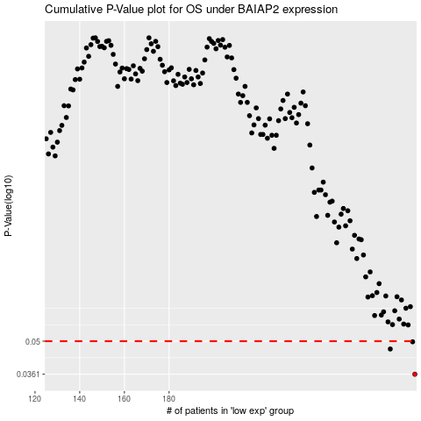

 |  |  |  |  |  | cases_OS | p_OS | rank | exp
 |  |  |  |  |  | 290 | 0.0361 | 239 | 0.25240554446
 |  |  |  |  |  | 279 | 0.0463 | 109 | 0.17388620871
 |  |  |  |  |  | 289 | 0.0497 | 204 | 0.24711698175
 |  |  |  |  |  |  | cases_RFS | p_RFS | rank | exp
 |  |  |  |  |  |  | 289 | 0.0361 | 204 | 0.24711698175
 |  |  |  |  |  |  | 278 | 0.0463 | 125 | 0.17121017167
 |  |  |  |  |  |  | 288 | 0.0497 | 108 | 0.24425422017

